MRPS16 _multivariate
Reported by Tex Li-Hsing Chi. tex@gate.sinica.edu.tw 2019-08-17

Table 2. The clinicopathological features of HNSCC cohort and MRPS16 expression. (Chi square test)
Cutoff at -0.195 (49.8%)
 |  | MRPS16 expression |  | MRPS16 expression |  | (Optimised)
 | Features | Low | (%) | High | (%) | Case no | P-value | Remark | Matthews
Gender | Female | 144 | 34.7 | 162 | 39 | 415 | 0.0697 | 0 | 0
2 | Male | 63 | 15.2 | 46 | 11.1
Age at diagnosis | <=65y | 137 | 33 | 137 | 33 | 415 | 1 | 0 | 0
4 | >65y | 70 | 16.9 | 71 | 17.1
Clinical T Status | T1+T2 | 78 | 18.8 | 71 | 17.1 | 415 | 0.5152 | 0 | 0
6 | T3+T4 | 129 | 31.1 | 137 | 33
Clinical N Status | N0 | 117 | 28.2 | 99 | 23.9 | 415 | 0.0852 | 1 | 0
8 | N1-3 | 90 | 21.7 | 109 | 26.3
Clinical M Status | M0 | 207 | 49.9 | 205 | 49.4 | 415 | 0.2482 | 0 | 0
10 | M1 | 0 | 0 | 3 | 0.7
Clinical Stage | Stage I+II | 58 | 14 | 44 | 10.6 | 415 | 0.131 | 0 | 0
12 | Stage III+IV | 149 | 35.9 | 164 | 39.5
Surgical Margin status | Negative | 163 | 39.3 | 155 | 37.3 | 415 | 0.3537 | 0 | 0
14 | Positive | 44 | 10.6 | 53 | 12.8
Tobacco Exposure | Low | 89 | 21.4 | 72 | 17.3 | 415 | 0.0872 | 0 | 0
16 | High | 118 | 28.4 | 136 | 32.8

Table 3. Univariate/Multivariate Cox's proportional hazards regression analyses on OS time of MRPS16 gene expression in HNSCC

 |  | Univariate |  |  |  | Multivariate
 | Features | HR | CI95%(L) | CI95%(H) | P-value | HR | CI95%(L) | CI95%(H) | P-value
1 | Female | 1 |  |  |  | 1
Gender | Male | 1.157 | 0.843 | 1.587 | 0.367 | 1.209 | 0.866 | 1.689 | 0.265
11 | <=65y | 1 |  |  |  | 1
Age at diagnosis | >65y | 1.329 | 0.99 | 1.784 | 0.058 | 1.4 | 1.03 | 1.903 | 0.032
12 | T1+T2 | 1 |  |  |  | 1
Clinical T Status | T3+T4 | 1.409 | 1.028 | 1.931 | 0.033 | 2.206 | 1.167 | 4.171 | 0.015
13 | N0 | 1 |  |  |  | 1
Clinical N Status | N1-3 | 1.185 | 0.89 | 1.577 | 0.246 | 1.253 | 0.878 | 1.788 | 0.214
14 | M0 | 1 |  |  |  | 1
Clinical M Status | M1 | 4.097 | 1.009 | 16.644 | 0.049 | 10.039 | 2.173 | 46.392 | 0.003
15 | Stage I+II | 1 |  |  |  | 1
Clinical Stage | Stage III+IV | 1.245 | 0.882 | 1.759 | 0.213 | 0.507 | 0.236 | 1.088 | 0.081
16 | Negative | 1 |  |  |  | 1
Surgical Margin status | Positive | 1.591 | 1.155 | 2.191 | 0.004 | 1.683 | 1.218 | 2.327 | 0.002
17 | Low | 1 |  |  |  | 1
Tobacco Exposure | High | 1.364 | 1.008 | 1.844 | 0.044 | 1.478 | 1.07 | 2.041 | 0.018
18 | Low | 1 |  |  |  | 1
RNAseq(z-score) | High | 0.993 | 0.745 | 1.322 | 0.959 | 0.882 | 0.658 | 1.182 | 0.4

Table 4. Univariate/Multivariate Cox's proportional hazards regression analyses on RFS time of MRPS16 gene expression in HNSCC

 |  | Univariate |  |  |  | Multivariate
 | Features | HR | CI95%(L) | CI95%(H) | P-value | HR | CI95%(L) | CI95%(H) | P-value
1 | Female | 1 |  |  |  | 1
Gender | Male | 1.157 | 0.843 | 1.587 | 0.367 | 1.209 | 0.866 | 1.689 | 0.265
11 | <=65y | 1 |  |  |  | 1
Age at diagnosis | >65y | 1.329 | 0.99 | 1.784 | 0.058 | 1.4 | 1.03 | 1.903 | 0.032
12 | T1+T2 | 1 |  |  |  | 1
Clinical T Status | T3+T4 | 1.409 | 1.028 | 1.931 | 0.033 | 2.206 | 1.167 | 4.171 | 0.015
13 | N0 | 1 |  |  |  | 1
Clinical N Status | N1-3 | 1.185 | 0.89 | 1.577 | 0.246 | 1.253 | 0.878 | 1.788 | 0.214
14 | M0 | 1 |  |  |  | 1
Clinical M Status | M1 | 4.097 | 1.009 | 16.644 | 0.049 | 10.039 | 2.173 | 46.392 | 0.003
15 | Stage I+II | 1 |  |  |  | 1
Clinical Stage | Stage III+IV | 1.245 | 0.882 | 1.759 | 0.213 | 0.507 | 0.236 | 1.088 | 0.081
16 | Negative | 1 |  |  |  | 1
Surgical Margin status | Positive | 1.591 | 1.155 | 2.191 | 0.004 | 1.683 | 1.218 | 2.327 | 0.002
17 | Low | 1 |  |  |  | 1
Tobacco Exposure | High | 1.364 | 1.008 | 1.844 | 0.044 | 1.478 | 1.07 | 2.041 | 0.018
18 | Low | 1 |  |  |  | 1
RNAseq(z-score) | High | 0.993 | 0.745 | 1.322 | 0.959 | 0.882 | 0.658 | 1.182 | 0.4

Kaplan-Meier survival estimate: Cutoff at -0.195 (49.8%)



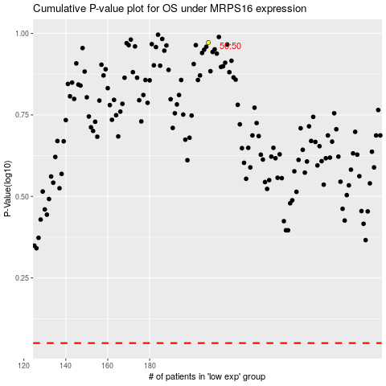

 |  |  |  |  |  | cases_OS | p_OS | rank | exp
 |  |  |  |  |  |  | cases_RFS | p_RFS | rank | exp

