MRPS18A _multivariate
Reported by Tex Li-Hsing Chi. tex@gate.sinica.edu.tw 2019-08-17

Table 2. The clinicopathological features of HNSCC cohort and MRPS18A expression. (Chi square test)
Cutoff at -0.464 (34.8%)
 |  | MRPS18A expression |  | MRPS18A expression |  | (Optimised)
 | Features | Low | (%) | High | (%) | Case no | P-value | Remark | Matthews
Gender | Female | 101 | 24.3 | 205 | 49.4 | 415 | 0.273 | 0 | 0
2 | Male | 43 | 10.4 | 66 | 15.9
Age at diagnosis | <=65y | 92 | 22.2 | 182 | 43.9 | 415 | 0.5751 | 0 | 0
4 | >65y | 52 | 12.5 | 89 | 21.4
Clinical T Status | T1+T2 | 56 | 13.5 | 93 | 22.4 | 415 | 0.4141 | 0 | 0
6 | T3+T4 | 88 | 21.2 | 178 | 42.9
Clinical N Status | N0 | 77 | 18.6 | 139 | 33.5 | 415 | 0.7489 | 0 | 0
8 | N1-3 | 67 | 16.1 | 132 | 31.8
Clinical M Status | M0 | 144 | 34.7 | 268 | 64.6 | 415 | 0.5545 | 0 | 0
10 | M1 | 0 | 0 | 3 | 0.7
Clinical Stage | Stage I+II | 40 | 9.6 | 62 | 14.9 | 415 | 0.3252 | 0 | 0
12 | Stage III+IV | 104 | 25.1 | 209 | 50.4
Surgical Margin status | Negative | 114 | 27.5 | 204 | 49.2 | 415 | 0.396 | 0 | 0
14 | Positive | 30 | 7.2 | 67 | 16.1
Tobacco Exposure | Low | 60 | 14.5 | 101 | 24.3 | 415 | 0.3985 | 0 | 0
16 | High | 84 | 20.2 | 170 | 41

Table 3. Univariate/Multivariate Cox's proportional hazards regression analyses on OS time of MRPS18A gene expression in HNSCC

 |  | Univariate |  |  |  | Multivariate
 | Features | HR | CI95%(L) | CI95%(H) | P-value | HR | CI95%(L) | CI95%(H) | P-value
1 | Female | 1 |  |  |  | 1
Gender | Male | 1.157 | 0.843 | 1.587 | 0.367 | 1.205 | 0.861 | 1.687 | 0.277
11 | <=65y | 1 |  |  |  | 1
Age at diagnosis | >65y | 1.329 | 0.99 | 1.784 | 0.058 | 1.413 | 1.039 | 1.922 | 0.027
12 | T1+T2 | 1 |  |  |  | 1
Clinical T Status | T3+T4 | 1.409 | 1.028 | 1.931 | 0.033 | 2.235 | 1.182 | 4.226 | 0.013
13 | N0 | 1 |  |  |  | 1
Clinical N Status | N1-3 | 1.185 | 0.89 | 1.577 | 0.246 | 1.238 | 0.868 | 1.765 | 0.239
14 | M0 | 1 |  |  |  | 1
Clinical M Status | M1 | 4.097 | 1.009 | 16.644 | 0.049 | 8.616 | 1.875 | 39.589 | 0.006
15 | Stage I+II | 1 |  |  |  | 1
Clinical Stage | Stage III+IV | 1.245 | 0.882 | 1.759 | 0.213 | 0.491 | 0.229 | 1.055 | 0.068
16 | Negative | 1 |  |  |  | 1
Surgical Margin status | Positive | 1.591 | 1.155 | 2.191 | 0.004 | 1.652 | 1.195 | 2.283 | 0.002
17 | Low | 1 |  |  |  | 1
Tobacco Exposure | High | 1.364 | 1.008 | 1.844 | 0.044 | 1.429 | 1.034 | 1.973 | 0.03
18 | Low | 1 |  |  |  | 1
RNAseq(z-score) | High | 1.446 | 1.06 | 1.972 | 0.02 | 1.393 | 1.018 | 1.905 | 0.038

Table 4. Univariate/Multivariate Cox's proportional hazards regression analyses on RFS time of MRPS18A gene expression in HNSCC

 |  | Univariate |  |  |  | Multivariate
 | Features | HR | CI95%(L) | CI95%(H) | P-value | HR | CI95%(L) | CI95%(H) | P-value
1 | Female | 1 |  |  |  | 1
Gender | Male | 1.157 | 0.843 | 1.587 | 0.367 | 1.205 | 0.861 | 1.687 | 0.277
11 | <=65y | 1 |  |  |  | 1
Age at diagnosis | >65y | 1.329 | 0.99 | 1.784 | 0.058 | 1.413 | 1.039 | 1.922 | 0.027
12 | T1+T2 | 1 |  |  |  | 1
Clinical T Status | T3+T4 | 1.409 | 1.028 | 1.931 | 0.033 | 2.235 | 1.182 | 4.226 | 0.013
13 | N0 | 1 |  |  |  | 1
Clinical N Status | N1-3 | 1.185 | 0.89 | 1.577 | 0.246 | 1.238 | 0.868 | 1.765 | 0.239
14 | M0 | 1 |  |  |  | 1
Clinical M Status | M1 | 4.097 | 1.009 | 16.644 | 0.049 | 8.616 | 1.875 | 39.589 | 0.006
15 | Stage I+II | 1 |  |  |  | 1
Clinical Stage | Stage III+IV | 1.245 | 0.882 | 1.759 | 0.213 | 0.491 | 0.229 | 1.055 | 0.068
16 | Negative | 1 |  |  |  | 1
Surgical Margin status | Positive | 1.591 | 1.155 | 2.191 | 0.004 | 1.652 | 1.195 | 2.283 | 0.002
17 | Low | 1 |  |  |  | 1
Tobacco Exposure | High | 1.364 | 1.008 | 1.844 | 0.044 | 1.429 | 1.034 | 1.973 | 0.03
18 | Low | 1 |  |  |  | 1
RNAseq(z-score) | High | 1.446 | 1.06 | 1.972 | 0.02 | 1.393 | 1.018 | 1.905 | 0.038

Kaplan-Meier survival estimate: Cutoff at -0.464 (34.8%)

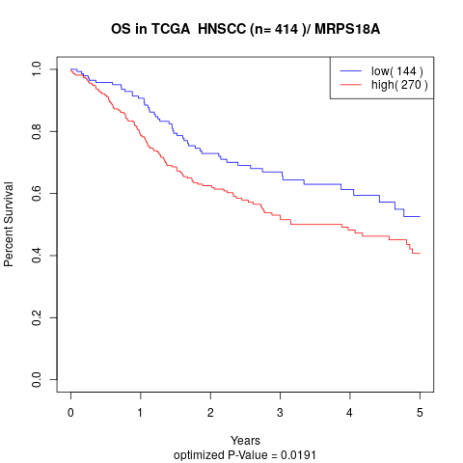

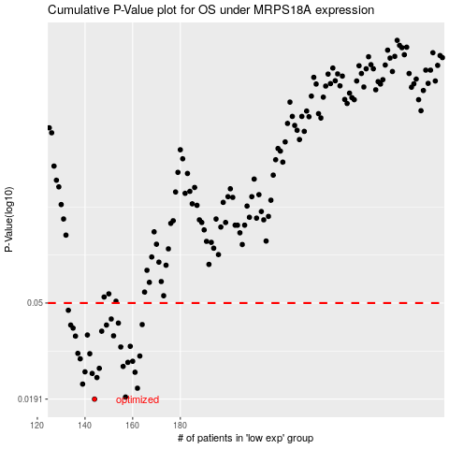

 |  |  |  |  |  | cases_OS | p_OS | rank | exp
 |  |  |  |  |  | 144 | 0.0191 | 76 | -0.46351904417
 |  |  |  |  |  | 157 | 0.0195 | 283 | -0.42516803224
 |  |  |  |  |  | 162 | 0.0213 | 80 | -0.41682576864
 |  |  |  |  |  | 139 | 0.0222 | 256 | -0.49261602061
 |  |  |  |  |  | 145 | 0.0237 | 7 | -0.46261400952
 |  |  |  |  |  | 143 | 0.0247 | 166 | -0.46421455095
 |  |  |  |  |  | 161 | 0.025 | 156 | -0.41684575576
 |  |  |  |  |  | 140 | 0.0251 | 108 | -0.49180643006
 |  |  |  |  |  | 146 | 0.026 | 250 | -0.46120076309
 |  |  |  |  |  | 156 | 0.0265 | 111 | -0.42532837833
 |  |  |  |  |  | 158 | 0.0276 | 322 | -0.42223104882
 |  |  |  |  |  | 160 | 0.0279 | 24 | -0.42121507443
 |  |  |  |  |  | 138 | 0.0286 | 71 | -0.49982845063
 |  |  |  |  |  | 163 | 0.0294 | 196 | -0.41296398801
 |  |  |  |  |  | 142 | 0.0301 | 174 | -0.46717017405
 |  |  |  |  |  | 137 | 0.0302 | 81 | -0.50389728881
 |  |  |  |  |  | 155 | 0.0322 | 164 | -0.4363682291
 |  |  |  |  |  | 159 | 0.0324 | 91 | -0.42149669067
 |  |  |  |  |  | 136 | 0.0359 | 167 | -0.5053651068
 |  |  |  |  |  | 152 | 0.036 | 398 | -0.44271761987
 |  |  |  |  |  | 141 | 0.0363 | 392 | -0.4733612399
 |  |  |  |  |  | 147 | 0.0377 | 413 | -0.45963795015
 |  |  |  |  |  | 135 | 0.0389 | 374 | -0.50605230433
 |  |  |  |  |  | 149 | 0.0401 | 214 | -0.4584771253
 |  |  |  |  |  | 134 | 0.0401 | 246 | -0.50953253313
 |  |  |  |  |  | 164 | 0.0403 | 239 | -0.41227768878
 |  |  |  |  |  | 154 | 0.0409 | 399 | -0.4368762163
 |  |  |  |  |  | 151 | 0.0426 | 136 | -0.45174326324
 |  |  |  |  |  | 133 | 0.0465 | 310 | -0.51018941312
 |  |  |  |  |  |  | cases_RFS | p_RFS | rank | exp
 |  |  |  |  |  |  | 143 | 0.0191 | 166 | -0.46421455095
 |  |  |  |  |  |  | 156 | 0.0195 | 111 | -0.42532837833
 |  |  |  |  |  |  | 161 | 0.0213 | 156 | -0.41684575576
 |  |  |  |  |  |  | 138 | 0.0222 | 71 | -0.49982845063
 |  |  |  |  |  |  | 144 | 0.0237 | 76 | -0.46351904417
 |  |  |  |  |  |  | 142 | 0.0247 | 174 | -0.46717017405
 |  |  |  |  |  |  | 160 | 0.025 | 24 | -0.42121507443
 |  |  |  |  |  |  | 139 | 0.0251 | 256 | -0.49261602061
 |  |  |  |  |  |  | 145 | 0.026 | 7 | -0.46261400952
 |  |  |  |  |  |  | 155 | 0.0265 | 164 | -0.4363682291
 |  |  |  |  |  |  | 157 | 0.0276 | 283 | -0.42516803224
 |  |  |  |  |  |  | 159 | 0.0279 | 91 | -0.42149669067
 |  |  |  |  |  |  | 137 | 0.0286 | 81 | -0.50389728881
 |  |  |  |  |  |  | 162 | 0.0294 | 80 | -0.41682576864
 |  |  |  |  |  |  | 141 | 0.0301 | 392 | -0.4733612399
 |  |  |  |  |  |  | 136 | 0.0302 | 167 | -0.5053651068
 |  |  |  |  |  |  | 154 | 0.0322 | 399 | -0.4368762163
 |  |  |  |  |  |  | 158 | 0.0324 | 322 | -0.42223104882
 |  |  |  |  |  |  | 135 | 0.0359 | 374 | -0.50605230433
 |  |  |  |  |  |  | 151 | 0.036 | 136 | -0.45174326324
 |  |  |  |  |  |  | 140 | 0.0363 | 108 | -0.49180643006
 |  |  |  |  |  |  | 146 | 0.0377 | 250 | -0.46120076309
 |  |  |  |  |  |  | 134 | 0.0389 | 246 | -0.50953253313
 |  |  |  |  |  |  | 133 | 0.0401 | 310 | -0.51018941312
 |  |  |  |  |  |  | 148 | 0.0401 | 396 | -0.4586435349
 |  |  |  |  |  |  | 163 | 0.0403 | 196 | -0.41296398801
 |  |  |  |  |  |  | 153 | 0.0409 | 165 | -0.43755285883
 |  |  |  |  |  |  | 150 | 0.0426 | 282 | -0.45781013947
 |  |  |  |  |  |  | 132 | 0.0465 | 245 | -0.51025925574

