MRPS18B _multivariate
Reported by Tex Li-Hsing Chi. tex@gate.sinica.edu.tw 2019-08-17

Table 2. The clinicopathological features of HNSCC cohort and MRPS18B expression. (Chi square test)
Cutoff at -0.198 (49.8%)
 |  | MRPS18B expression |  | MRPS18B expression |  | (Optimised)
 | Features | Low | (%) | High | (%) | Case no | P-value | Remark | Matthews
Gender | Female | 146 | 35.2 | 160 | 38.6 | 415 | 0.1714 | 0 | 0
2 | Male | 61 | 14.7 | 48 | 11.6
Age at diagnosis | <=65y | 133 | 32 | 141 | 34 | 415 | 0.5111 | 0 | 0
4 | >65y | 74 | 17.8 | 67 | 16.1
Clinical T Status | T1+T2 | 70 | 16.9 | 79 | 19 | 415 | 0.4343 | 0 | 0
6 | T3+T4 | 137 | 33 | 129 | 31.1
Clinical N Status | N0 | 105 | 25.3 | 111 | 26.7 | 415 | 0.6598 | 0 | 0
8 | N1-3 | 102 | 24.6 | 97 | 23.4
Clinical M Status | M0 | 207 | 49.9 | 205 | 49.4 | 415 | 0.2482 | 0 | 0
10 | M1 | 0 | 0 | 3 | 0.7
Clinical Stage | Stage I+II | 48 | 11.6 | 54 | 13 | 415 | 0.5878 | 0 | 0
12 | Stage III+IV | 159 | 38.3 | 154 | 37.1
Surgical Margin status | Negative | 164 | 39.5 | 154 | 37.1 | 415 | 0.2462 | 0 | 0
14 | Positive | 43 | 10.4 | 54 | 13
Tobacco Exposure | Low | 89 | 21.4 | 72 | 17.3 | 415 | 0.0872 | 0 | 0
16 | High | 118 | 28.4 | 136 | 32.8

Table 3. Univariate/Multivariate Cox's proportional hazards regression analyses on OS time of MRPS18B gene expression in HNSCC

 |  | Univariate |  |  |  | Multivariate
 | Features | HR | CI95%(L) | CI95%(H) | P-value | HR | CI95%(L) | CI95%(H) | P-value
1 | Female | 1 |  |  |  | 1
Gender | Male | 1.157 | 0.843 | 1.587 | 0.367 | 1.203 | 0.861 | 1.682 | 0.279
11 | <=65y | 1 |  |  |  | 1
Age at diagnosis | >65y | 1.329 | 0.99 | 1.784 | 0.058 | 1.399 | 1.028 | 1.902 | 0.033
12 | T1+T2 | 1 |  |  |  | 1
Clinical T Status | T3+T4 | 1.409 | 1.028 | 1.931 | 0.033 | 2.202 | 1.165 | 4.165 | 0.015
13 | N0 | 1 |  |  |  | 1
Clinical N Status | N1-3 | 1.185 | 0.89 | 1.577 | 0.246 | 1.243 | 0.871 | 1.774 | 0.23
14 | M0 | 1 |  |  |  | 1
Clinical M Status | M1 | 4.097 | 1.009 | 16.644 | 0.049 | 9.03 | 1.956 | 41.688 | 0.005
15 | Stage I+II | 1 |  |  |  | 1
Clinical Stage | Stage III+IV | 1.245 | 0.882 | 1.759 | 0.213 | 0.505 | 0.235 | 1.083 | 0.079
16 | Negative | 1 |  |  |  | 1
Surgical Margin status | Positive | 1.591 | 1.155 | 2.191 | 0.004 | 1.652 | 1.192 | 2.289 | 0.003
17 | Low | 1 |  |  |  | 1
Tobacco Exposure | High | 1.364 | 1.008 | 1.844 | 0.044 | 1.447 | 1.05 | 1.996 | 0.024
18 | Low | 1 |  |  |  | 1
RNAseq(z-score) | High | 1.153 | 0.866 | 1.536 | 0.331 | 1.083 | 0.809 | 1.45 | 0.592

Table 4. Univariate/Multivariate Cox's proportional hazards regression analyses on RFS time of MRPS18B gene expression in HNSCC

 |  | Univariate |  |  |  | Multivariate
 | Features | HR | CI95%(L) | CI95%(H) | P-value | HR | CI95%(L) | CI95%(H) | P-value
1 | Female | 1 |  |  |  | 1
Gender | Male | 1.157 | 0.843 | 1.587 | 0.367 | 1.203 | 0.861 | 1.682 | 0.279
11 | <=65y | 1 |  |  |  | 1
Age at diagnosis | >65y | 1.329 | 0.99 | 1.784 | 0.058 | 1.399 | 1.028 | 1.902 | 0.033
12 | T1+T2 | 1 |  |  |  | 1
Clinical T Status | T3+T4 | 1.409 | 1.028 | 1.931 | 0.033 | 2.202 | 1.165 | 4.165 | 0.015
13 | N0 | 1 |  |  |  | 1
Clinical N Status | N1-3 | 1.185 | 0.89 | 1.577 | 0.246 | 1.243 | 0.871 | 1.774 | 0.23
14 | M0 | 1 |  |  |  | 1
Clinical M Status | M1 | 4.097 | 1.009 | 16.644 | 0.049 | 9.03 | 1.956 | 41.688 | 0.005
15 | Stage I+II | 1 |  |  |  | 1
Clinical Stage | Stage III+IV | 1.245 | 0.882 | 1.759 | 0.213 | 0.505 | 0.235 | 1.083 | 0.079
16 | Negative | 1 |  |  |  | 1
Surgical Margin status | Positive | 1.591 | 1.155 | 2.191 | 0.004 | 1.652 | 1.192 | 2.289 | 0.003
17 | Low | 1 |  |  |  | 1
Tobacco Exposure | High | 1.364 | 1.008 | 1.844 | 0.044 | 1.447 | 1.05 | 1.996 | 0.024
18 | Low | 1 |  |  |  | 1
RNAseq(z-score) | High | 1.153 | 0.866 | 1.536 | 0.331 | 1.083 | 0.809 | 1.45 | 0.592

Kaplan-Meier survival estimate: Cutoff at -0.198 (49.8%)



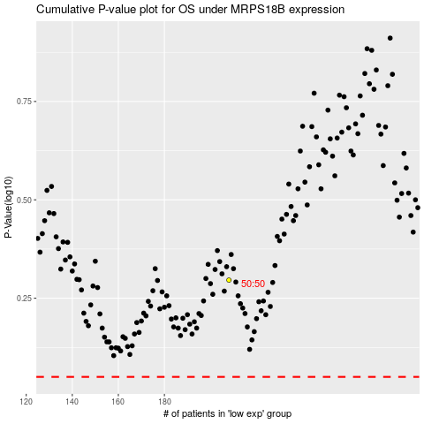

 |  |  |  |  |  | cases_OS | p_OS | rank | exp
 |  |  |  |  |  |  | cases_RFS | p_RFS | rank | exp

