MRPS18C _multivariate
Reported by Tex Li-Hsing Chi. tex@gate.sinica.edu.tw 2019-08-17

Table 2. The clinicopathological features of HNSCC cohort and MRPS18C expression. (Chi square test)
Cutoff at -0.435 (41.1%)
 |  | MRPS18C expression |  | MRPS18C expression |  | (Optimised)
 | Features | Low | (%) | High | (%) | Case no | P-value | Remark | Matthews
Gender | Female | 128 | 30.8 | 178 | 42.9 | 415 | 0.6257 | 0 | 0
2 | Male | 42 | 10.1 | 67 | 16.1
Age at diagnosis | <=65y | 111 | 26.7 | 163 | 39.3 | 415 | 0.8759 | 0 | 0
4 | >65y | 59 | 14.2 | 82 | 19.8
Clinical T Status | T1+T2 | 58 | 14 | 91 | 21.9 | 415 | 0.5977 | 0 | 0
6 | T3+T4 | 112 | 27 | 154 | 37.1
Clinical N Status | N0 | 84 | 20.2 | 132 | 31.8 | 415 | 0.4263 | 0 | 0
8 | N1-3 | 86 | 20.7 | 113 | 27.2
Clinical M Status | M0 | 170 | 41 | 242 | 58.3 | 415 | 0.2727 | 0 | 0
10 | M1 | 0 | 0 | 3 | 0.7
Clinical Stage | Stage I+II | 37 | 8.9 | 65 | 15.7 | 415 | 0.3207 | 0 | 0
12 | Stage III+IV | 133 | 32 | 180 | 43.4
Surgical Margin status | Negative | 135 | 32.5 | 183 | 44.1 | 415 | 0.2896 | 0 | 0
14 | Positive | 35 | 8.4 | 62 | 14.9
Tobacco Exposure | Low | 65 | 15.7 | 96 | 23.1 | 415 | 0.9184 | 0 | 0
16 | High | 105 | 25.3 | 149 | 35.9

Table 3. Univariate/Multivariate Cox's proportional hazards regression analyses on OS time of MRPS18C gene expression in HNSCC

 |  | Univariate |  |  |  | Multivariate
 | Features | HR | CI95%(L) | CI95%(H) | P-value | HR | CI95%(L) | CI95%(H) | P-value
1 | Female | 1 |  |  |  | 1
Gender | Male | 1.157 | 0.843 | 1.587 | 0.367 | 1.161 | 0.827 | 1.63 | 0.389
11 | <=65y | 1 |  |  |  | 1
Age at diagnosis | >65y | 1.329 | 0.99 | 1.784 | 0.058 | 1.391 | 1.023 | 1.891 | 0.035
12 | T1+T2 | 1 |  |  |  | 1
Clinical T Status | T3+T4 | 1.409 | 1.028 | 1.931 | 0.033 | 2.201 | 1.164 | 4.16 | 0.015
13 | N0 | 1 |  |  |  | 1
Clinical N Status | N1-3 | 1.185 | 0.89 | 1.577 | 0.246 | 1.238 | 0.868 | 1.766 | 0.238
14 | M0 | 1 |  |  |  | 1
Clinical M Status | M1 | 4.097 | 1.009 | 16.644 | 0.049 | 8.302 | 1.802 | 38.253 | 0.007
15 | Stage I+II | 1 |  |  |  | 1
Clinical Stage | Stage III+IV | 1.245 | 0.882 | 1.759 | 0.213 | 0.522 | 0.243 | 1.12 | 0.095
16 | Negative | 1 |  |  |  | 1
Surgical Margin status | Positive | 1.591 | 1.155 | 2.191 | 0.004 | 1.626 | 1.176 | 2.25 | 0.003
17 | Low | 1 |  |  |  | 1
Tobacco Exposure | High | 1.364 | 1.008 | 1.844 | 0.044 | 1.449 | 1.05 | 2.001 | 0.024
18 | Low | 1 |  |  |  | 1
RNAseq(z-score) | High | 1.392 | 1.035 | 1.871 | 0.029 | 1.324 | 0.979 | 1.791 | 0.068

Table 4. Univariate/Multivariate Cox's proportional hazards regression analyses on RFS time of MRPS18C gene expression in HNSCC

 |  | Univariate |  |  |  | Multivariate
 | Features | HR | CI95%(L) | CI95%(H) | P-value | HR | CI95%(L) | CI95%(H) | P-value
1 | Female | 1 |  |  |  | 1
Gender | Male | 1.157 | 0.843 | 1.587 | 0.367 | 1.161 | 0.827 | 1.63 | 0.389
11 | <=65y | 1 |  |  |  | 1
Age at diagnosis | >65y | 1.329 | 0.99 | 1.784 | 0.058 | 1.391 | 1.023 | 1.891 | 0.035
12 | T1+T2 | 1 |  |  |  | 1
Clinical T Status | T3+T4 | 1.409 | 1.028 | 1.931 | 0.033 | 2.201 | 1.164 | 4.16 | 0.015
13 | N0 | 1 |  |  |  | 1
Clinical N Status | N1-3 | 1.185 | 0.89 | 1.577 | 0.246 | 1.238 | 0.868 | 1.766 | 0.238
14 | M0 | 1 |  |  |  | 1
Clinical M Status | M1 | 4.097 | 1.009 | 16.644 | 0.049 | 8.302 | 1.802 | 38.253 | 0.007
15 | Stage I+II | 1 |  |  |  | 1
Clinical Stage | Stage III+IV | 1.245 | 0.882 | 1.759 | 0.213 | 0.522 | 0.243 | 1.12 | 0.095
16 | Negative | 1 |  |  |  | 1
Surgical Margin status | Positive | 1.591 | 1.155 | 2.191 | 0.004 | 1.626 | 1.176 | 2.25 | 0.003
17 | Low | 1 |  |  |  | 1
Tobacco Exposure | High | 1.364 | 1.008 | 1.844 | 0.044 | 1.449 | 1.05 | 2.001 | 0.024
18 | Low | 1 |  |  |  | 1
RNAseq(z-score) | High | 1.392 | 1.035 | 1.871 | 0.029 | 1.324 | 0.979 | 1.791 | 0.068

Kaplan-Meier survival estimate: Cutoff at -0.435 (41.1%)

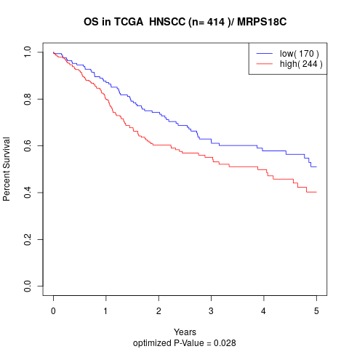

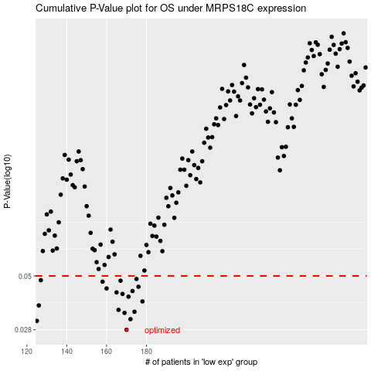

 |  |  |  |  |  | cases_OS | p_OS | rank | exp
 |  |  |  |  |  | 170 | 0.028 | 241 | -0.43495216287
 |  |  |  |  |  | 125 | 0.0308 | 3 | -0.55699353864
 |  |  |  |  |  | 172 | 0.0314 | 308 | -0.42737446607
 |  |  |  |  |  | 169 | 0.0336 | 234 | -0.43639030576
 |  |  |  |  |  | 174 | 0.034 | 247 | -0.41874439562
 |  |  |  |  |  | 166 | 0.0347 | 61 | -0.44395951079
 |  |  |  |  |  | 126 | 0.0364 | 208 | -0.55512292174
 |  |  |  |  |  | 178 | 0.038 | 124 | -0.40903768931
 |  |  |  |  |  | 171 | 0.04 | 71 | -0.43470044238
 |  |  |  |  |  | 168 | 0.0412 | 233 | -0.44032381763
 |  |  |  |  |  | 165 | 0.0419 | 160 | -0.44427613272
 |  |  |  |  |  | 173 | 0.0425 | 121 | -0.42170438605
 |  |  |  |  |  | 160 | 0.0437 | 225 | -0.47090391545
 |  |  |  |  |  | 176 | 0.0445 | 216 | -0.41683677884
 |  |  |  |  |  | 158 | 0.047 | 209 | -0.47170274893
 |  |  |  |  |  | 167 | 0.0475 | 305 | -0.44102317603
 |  |  |  |  |  | 127 | 0.0478 | 214 | -0.55421369517
 |  |  |  |  |  | 175 | 0.0484 | 318 | -0.4174821538
 |  |  |  |  |  |  | cases_RFS | p_RFS | rank | exp
 |  |  |  |  |  |  | 169 | 0.028 | 234 | -0.43639030576
 |  |  |  |  |  |  |  | 0.0308 | 271 | -0.56341514082
 |  |  |  |  |  |  | 171 | 0.0314 | 71 | -0.43470044238
 |  |  |  |  |  |  | 168 | 0.0336 | 233 | -0.44032381763
 |  |  |  |  |  |  | 173 | 0.034 | 121 | -0.42170438605
 |  |  |  |  |  |  | 165 | 0.0347 | 160 | -0.44427613272
 |  |  |  |  |  |  | 125 | 0.0364 | 3 | -0.55699353864
 |  |  |  |  |  |  | 177 | 0.038 | 205 | -0.41078820824
 |  |  |  |  |  |  | 170 | 0.04 | 241 | -0.43495216287
 |  |  |  |  |  |  | 167 | 0.0412 | 305 | -0.44102317603
 |  |  |  |  |  |  | 164 | 0.0419 | 183 | -0.44470254117
 |  |  |  |  |  |  | 172 | 0.0425 | 308 | -0.42737446607
 |  |  |  |  |  |  | 159 | 0.0437 | 122 | -0.47169243749
 |  |  |  |  |  |  | 175 | 0.0445 | 318 | -0.4174821538
 |  |  |  |  |  |  | 157 | 0.047 | 184 | -0.47282245023
 |  |  |  |  |  |  | 166 | 0.0475 | 61 | -0.44395951079
 |  |  |  |  |  |  | 126 | 0.0478 | 208 | -0.55512292174
 |  |  |  |  |  |  | 174 | 0.0484 | 247 | -0.41874439562

