MRPS26 _multivariate
Reported by Tex Li-Hsing Chi. tex@gate.sinica.edu.tw 2019-08-17

Table 2. The clinicopathological features of HNSCC cohort and MRPS26 expression. (Chi square test)
Cutoff at -0.272 (49.8%)
 |  | MRPS26 expression |  | MRPS26 expression |  | (Optimised)
 | Features | Low | (%) | High | (%) | Case no | P-value | Remark | Matthews
Gender | Female | 148 | 35.7 | 158 | 38.1 | 415 | 0.3567 | 0 | 0
2 | Male | 59 | 14.2 | 50 | 12
Age at diagnosis | <=65y | 134 | 32.3 | 140 | 33.7 | 415 | 0.6529 | 0 | 0
4 | >65y | 73 | 17.6 | 68 | 16.4
Clinical T Status | T1+T2 | 85 | 20.5 | 64 | 15.4 | 415 | 0.0372 | 1 | 0
6 | T3+T4 | 122 | 29.4 | 144 | 34.7
Clinical N Status | N0 | 111 | 26.7 | 105 | 25.3 | 415 | 0.5875 | 0 | 0
8 | N1-3 | 96 | 23.1 | 103 | 24.8
Clinical M Status | M0 | 207 | 49.9 | 205 | 49.4 | 415 | 0.2482 | 0 | 0
10 | M1 | 0 | 0 | 3 | 0.7
Clinical Stage | Stage I+II | 62 | 14.9 | 40 | 9.6 | 415 | 0.0154 | 1 | 0
12 | Stage III+IV | 145 | 34.9 | 168 | 40.5
Surgical Margin status | Negative | 161 | 38.8 | 157 | 37.8 | 415 | 0.6429 | 0 | 0
14 | Positive | 46 | 11.1 | 51 | 12.3
Tobacco Exposure | Low | 90 | 21.7 | 71 | 17.1 | 415 | 0.0559 | 0 | 0
16 | High | 117 | 28.2 | 137 | 33

Table 3. Univariate/Multivariate Cox's proportional hazards regression analyses on OS time of MRPS26 gene expression in HNSCC

 |  | Univariate |  |  |  | Multivariate
 | Features | HR | CI95%(L) | CI95%(H) | P-value | HR | CI95%(L) | CI95%(H) | P-value
1 | Female | 1 |  |  |  | 1
Gender | Male | 1.157 | 0.843 | 1.587 | 0.367 | 1.202 | 0.86 | 1.679 | 0.281
11 | <=65y | 1 |  |  |  | 1
Age at diagnosis | >65y | 1.329 | 0.99 | 1.784 | 0.058 | 1.392 | 1.024 | 1.893 | 0.035
12 | T1+T2 | 1 |  |  |  | 1
Clinical T Status | T3+T4 | 1.409 | 1.028 | 1.931 | 0.033 | 2.209 | 1.168 | 4.179 | 0.015
13 | N0 | 1 |  |  |  | 1
Clinical N Status | N1-3 | 1.185 | 0.89 | 1.577 | 0.246 | 1.241 | 0.87 | 1.771 | 0.233
14 | M0 | 1 |  |  |  | 1
Clinical M Status | M1 | 4.097 | 1.009 | 16.644 | 0.049 | 9.592 | 2.074 | 44.359 | 0.004
15 | Stage I+II | 1 |  |  |  | 1
Clinical Stage | Stage III+IV | 1.245 | 0.882 | 1.759 | 0.213 | 0.506 | 0.236 | 1.087 | 0.081
16 | Negative | 1 |  |  |  | 1
Surgical Margin status | Positive | 1.591 | 1.155 | 2.191 | 0.004 | 1.677 | 1.212 | 2.32 | 0.002
17 | Low | 1 |  |  |  | 1
Tobacco Exposure | High | 1.364 | 1.008 | 1.844 | 0.044 | 1.459 | 1.057 | 2.013 | 0.022
18 | Low | 1 |  |  |  | 1
RNAseq(z-score) | High | 1.086 | 0.815 | 1.447 | 0.572 | 0.965 | 0.718 | 1.298 | 0.816

Table 4. Univariate/Multivariate Cox's proportional hazards regression analyses on RFS time of MRPS26 gene expression in HNSCC

 |  | Univariate |  |  |  | Multivariate
 | Features | HR | CI95%(L) | CI95%(H) | P-value | HR | CI95%(L) | CI95%(H) | P-value
1 | Female | 1 |  |  |  | 1
Gender | Male | 1.157 | 0.843 | 1.587 | 0.367 | 1.202 | 0.86 | 1.679 | 0.281
11 | <=65y | 1 |  |  |  | 1
Age at diagnosis | >65y | 1.329 | 0.99 | 1.784 | 0.058 | 1.392 | 1.024 | 1.893 | 0.035
12 | T1+T2 | 1 |  |  |  | 1
Clinical T Status | T3+T4 | 1.409 | 1.028 | 1.931 | 0.033 | 2.209 | 1.168 | 4.179 | 0.015
13 | N0 | 1 |  |  |  | 1
Clinical N Status | N1-3 | 1.185 | 0.89 | 1.577 | 0.246 | 1.241 | 0.87 | 1.771 | 0.233
14 | M0 | 1 |  |  |  | 1
Clinical M Status | M1 | 4.097 | 1.009 | 16.644 | 0.049 | 9.592 | 2.074 | 44.359 | 0.004
15 | Stage I+II | 1 |  |  |  | 1
Clinical Stage | Stage III+IV | 1.245 | 0.882 | 1.759 | 0.213 | 0.506 | 0.236 | 1.087 | 0.081
16 | Negative | 1 |  |  |  | 1
Surgical Margin status | Positive | 1.591 | 1.155 | 2.191 | 0.004 | 1.677 | 1.212 | 2.32 | 0.002
17 | Low | 1 |  |  |  | 1
Tobacco Exposure | High | 1.364 | 1.008 | 1.844 | 0.044 | 1.459 | 1.057 | 2.013 | 0.022
18 | Low | 1 |  |  |  | 1
RNAseq(z-score) | High | 1.086 | 0.815 | 1.447 | 0.572 | 0.965 | 0.718 | 1.298 | 0.816

Kaplan-Meier survival estimate: Cutoff at -0.272 (49.8%)



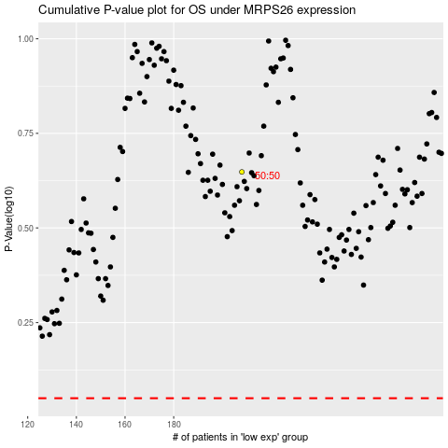

 |  |  |  |  |  | cases_OS | p_OS | rank | exp
 |  |  |  |  |  |  | cases_RFS | p_RFS | rank | exp

