MRPS27 _multivariate
Reported by Tex Li-Hsing Chi. tex@gate.sinica.edu.tw 2019-08-17

Table 2. The clinicopathological features of HNSCC cohort and MRPS27 expression. (Chi square test)
Cutoff at -0.208 (49.8%)
 |  | MRPS27 expression |  | MRPS27 expression |  | (Optimised)
 | Features | Low | (%) | High | (%) | Case no | P-value | Remark | Matthews
Gender | Female | 150 | 36.1 | 156 | 37.6 | 415 | 0.6344 | 0 | 0
2 | Male | 57 | 13.7 | 52 | 12.5
Age at diagnosis | <=65y | 143 | 34.5 | 131 | 31.6 | 415 | 0.2269 | 0 | 0
4 | >65y | 64 | 15.4 | 77 | 18.6
Clinical T Status | T1+T2 | 68 | 16.4 | 81 | 19.5 | 415 | 0.2336 | 0 | 0
6 | T3+T4 | 139 | 33.5 | 127 | 30.6
Clinical N Status | N0 | 108 | 26 | 108 | 26 | 415 | 1 | 0 | 0
8 | N1-3 | 99 | 23.9 | 100 | 24.1
Clinical M Status | M0 | 206 | 49.6 | 206 | 49.6 | 415 | 1 | 0 | 0
10 | M1 | 1 | 0.2 | 2 | 0.5
Clinical Stage | Stage I+II | 52 | 12.5 | 50 | 12 | 415 | 0.8871 | 0 | 0
12 | Stage III+IV | 155 | 37.3 | 158 | 38.1
Surgical Margin status | Negative | 164 | 39.5 | 154 | 37.1 | 415 | 0.2462 | 0 | 0
14 | Positive | 43 | 10.4 | 54 | 13
Tobacco Exposure | Low | 75 | 18.1 | 86 | 20.7 | 415 | 0.3141 | 0 | 0
16 | High | 132 | 31.8 | 122 | 29.4

Table 3. Univariate/Multivariate Cox's proportional hazards regression analyses on OS time of MRPS27 gene expression in HNSCC

 |  | Univariate |  |  |  | Multivariate
 | Features | HR | CI95%(L) | CI95%(H) | P-value | HR | CI95%(L) | CI95%(H) | P-value
1 | Female | 1 |  |  |  | 1
Gender | Male | 1.157 | 0.843 | 1.587 | 0.367 | 1.218 | 0.87 | 1.704 | 0.25
11 | <=65y | 1 |  |  |  | 1
Age at diagnosis | >65y | 1.329 | 0.99 | 1.784 | 0.058 | 1.384 | 1.018 | 1.882 | 0.038
12 | T1+T2 | 1 |  |  |  | 1
Clinical T Status | T3+T4 | 1.409 | 1.028 | 1.931 | 0.033 | 2.274 | 1.198 | 4.316 | 0.012
13 | N0 | 1 |  |  |  | 1
Clinical N Status | N1-3 | 1.185 | 0.89 | 1.577 | 0.246 | 1.243 | 0.871 | 1.773 | 0.23
14 | M0 | 1 |  |  |  | 1
Clinical M Status | M1 | 4.097 | 1.009 | 16.644 | 0.049 | 9.585 | 2.089 | 43.968 | 0.004
15 | Stage I+II | 1 |  |  |  | 1
Clinical Stage | Stage III+IV | 1.245 | 0.882 | 1.759 | 0.213 | 0.492 | 0.229 | 1.058 | 0.07
16 | Negative | 1 |  |  |  | 1
Surgical Margin status | Positive | 1.591 | 1.155 | 2.191 | 0.004 | 1.657 | 1.198 | 2.291 | 0.002
17 | Low | 1 |  |  |  | 1
Tobacco Exposure | High | 1.364 | 1.008 | 1.844 | 0.044 | 1.484 | 1.073 | 2.052 | 0.017
18 | Low | 1 |  |  |  | 1
RNAseq(z-score) | High | 1.066 | 0.8 | 1.42 | 0.664 | 1.142 | 0.85 | 1.534 | 0.379

Table 4. Univariate/Multivariate Cox's proportional hazards regression analyses on RFS time of MRPS27 gene expression in HNSCC

 |  | Univariate |  |  |  | Multivariate
 | Features | HR | CI95%(L) | CI95%(H) | P-value | HR | CI95%(L) | CI95%(H) | P-value
1 | Female | 1 |  |  |  | 1
Gender | Male | 1.157 | 0.843 | 1.587 | 0.367 | 1.218 | 0.87 | 1.704 | 0.25
11 | <=65y | 1 |  |  |  | 1
Age at diagnosis | >65y | 1.329 | 0.99 | 1.784 | 0.058 | 1.384 | 1.018 | 1.882 | 0.038
12 | T1+T2 | 1 |  |  |  | 1
Clinical T Status | T3+T4 | 1.409 | 1.028 | 1.931 | 0.033 | 2.274 | 1.198 | 4.316 | 0.012
13 | N0 | 1 |  |  |  | 1
Clinical N Status | N1-3 | 1.185 | 0.89 | 1.577 | 0.246 | 1.243 | 0.871 | 1.773 | 0.23
14 | M0 | 1 |  |  |  | 1
Clinical M Status | M1 | 4.097 | 1.009 | 16.644 | 0.049 | 9.585 | 2.089 | 43.968 | 0.004
15 | Stage I+II | 1 |  |  |  | 1
Clinical Stage | Stage III+IV | 1.245 | 0.882 | 1.759 | 0.213 | 0.492 | 0.229 | 1.058 | 0.07
16 | Negative | 1 |  |  |  | 1
Surgical Margin status | Positive | 1.591 | 1.155 | 2.191 | 0.004 | 1.657 | 1.198 | 2.291 | 0.002
17 | Low | 1 |  |  |  | 1
Tobacco Exposure | High | 1.364 | 1.008 | 1.844 | 0.044 | 1.484 | 1.073 | 2.052 | 0.017
18 | Low | 1 |  |  |  | 1
RNAseq(z-score) | High | 1.066 | 0.8 | 1.42 | 0.664 | 1.142 | 0.85 | 1.534 | 0.379

Kaplan-Meier survival estimate: Cutoff at -0.208 (49.8%)



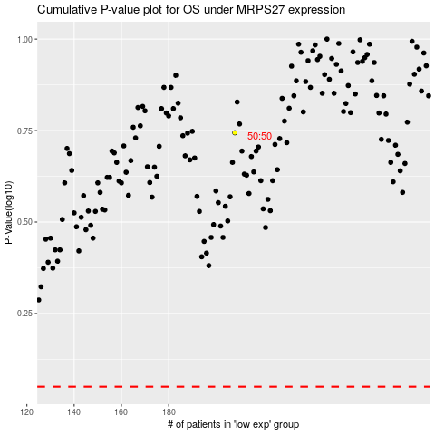

 |  |  |  |  |  | cases_OS | p_OS | rank | exp
 |  |  |  |  |  |  | cases_RFS | p_RFS | rank | exp

