MRPS28 _multivariate
Reported by Tex Li-Hsing Chi. tex@gate.sinica.edu.tw 2019-08-17

Table 2. The clinicopathological features of HNSCC cohort and MRPS28 expression. (Chi square test)
Cutoff at -0.179 (50.0%)
 |  | MRPS28 expression |  | MRPS28 expression |  | (Optimised)
 | Features | Low | (%) | High | (%) | Case no | P-value | Remark | Matthews
Gender | Female | 150 | 36.1 | 156 | 37.6 | 415 | 0.6344 | 0 | 0
2 | Male | 57 | 13.7 | 52 | 12.5
Age at diagnosis | <=65y | 136 | 32.8 | 138 | 33.3 | 415 | 0.9719 | 0 | 0
4 | >65y | 71 | 17.1 | 70 | 16.9
Clinical T Status | T1+T2 | 72 | 17.3 | 77 | 18.6 | 415 | 0.7095 | 0 | 0
6 | T3+T4 | 135 | 32.5 | 131 | 31.6
Clinical N Status | N0 | 110 | 26.5 | 106 | 25.5 | 415 | 0.7294 | 0 | 0
8 | N1-3 | 97 | 23.4 | 102 | 24.6
Clinical M Status | M0 | 206 | 49.6 | 206 | 49.6 | 415 | 1 | 0 | 0
10 | M1 | 1 | 0.2 | 2 | 0.5
Clinical Stage | Stage I+II | 48 | 11.6 | 54 | 13 | 415 | 0.5878 | 0 | 0
12 | Stage III+IV | 159 | 38.3 | 154 | 37.1
Surgical Margin status | Negative | 163 | 39.3 | 155 | 37.3 | 415 | 0.3537 | 0 | 0
14 | Positive | 44 | 10.6 | 53 | 12.8
Tobacco Exposure | Low | 77 | 18.6 | 84 | 20.2 | 415 | 0.5459 | 0 | 0
16 | High | 130 | 31.3 | 124 | 29.9

Table 3. Univariate/Multivariate Cox's proportional hazards regression analyses on OS time of MRPS28 gene expression in HNSCC

 |  | Univariate |  |  |  | Multivariate
 | Features | HR | CI95%(L) | CI95%(H) | P-value | HR | CI95%(L) | CI95%(H) | P-value
1 | Female | 1 |  |  |  | 1
Gender | Male | 1.157 | 0.843 | 1.587 | 0.367 | 1.195 | 0.855 | 1.671 | 0.297
11 | <=65y | 1 |  |  |  | 1
Age at diagnosis | >65y | 1.329 | 0.99 | 1.784 | 0.058 | 1.393 | 1.026 | 1.893 | 0.034
12 | T1+T2 | 1 |  |  |  | 1
Clinical T Status | T3+T4 | 1.409 | 1.028 | 1.931 | 0.033 | 2.163 | 1.143 | 4.092 | 0.018
13 | N0 | 1 |  |  |  | 1
Clinical N Status | N1-3 | 1.185 | 0.89 | 1.577 | 0.246 | 1.231 | 0.862 | 1.758 | 0.252
14 | M0 | 1 |  |  |  | 1
Clinical M Status | M1 | 4.097 | 1.009 | 16.644 | 0.049 | 9.057 | 1.974 | 41.566 | 0.005
15 | Stage I+II | 1 |  |  |  | 1
Clinical Stage | Stage III+IV | 1.245 | 0.882 | 1.759 | 0.213 | 0.521 | 0.242 | 1.121 | 0.095
16 | Negative | 1 |  |  |  | 1
Surgical Margin status | Positive | 1.591 | 1.155 | 2.191 | 0.004 | 1.642 | 1.187 | 2.272 | 0.003
17 | Low | 1 |  |  |  | 1
Tobacco Exposure | High | 1.364 | 1.008 | 1.844 | 0.044 | 1.451 | 1.054 | 1.998 | 0.022
18 | Low | 1 |  |  |  | 1
RNAseq(z-score) | High | 1.214 | 0.909 | 1.622 | 0.189 | 1.165 | 0.87 | 1.559 | 0.306

Table 4. Univariate/Multivariate Cox's proportional hazards regression analyses on RFS time of MRPS28 gene expression in HNSCC

 |  | Univariate |  |  |  | Multivariate
 | Features | HR | CI95%(L) | CI95%(H) | P-value | HR | CI95%(L) | CI95%(H) | P-value
1 | Female | 1 |  |  |  | 1
Gender | Male | 1.157 | 0.843 | 1.587 | 0.367 | 1.195 | 0.855 | 1.671 | 0.297
11 | <=65y | 1 |  |  |  | 1
Age at diagnosis | >65y | 1.329 | 0.99 | 1.784 | 0.058 | 1.393 | 1.026 | 1.893 | 0.034
12 | T1+T2 | 1 |  |  |  | 1
Clinical T Status | T3+T4 | 1.409 | 1.028 | 1.931 | 0.033 | 2.163 | 1.143 | 4.092 | 0.018
13 | N0 | 1 |  |  |  | 1
Clinical N Status | N1-3 | 1.185 | 0.89 | 1.577 | 0.246 | 1.231 | 0.862 | 1.758 | 0.252
14 | M0 | 1 |  |  |  | 1
Clinical M Status | M1 | 4.097 | 1.009 | 16.644 | 0.049 | 9.057 | 1.974 | 41.566 | 0.005
15 | Stage I+II | 1 |  |  |  | 1
Clinical Stage | Stage III+IV | 1.245 | 0.882 | 1.759 | 0.213 | 0.521 | 0.242 | 1.121 | 0.095
16 | Negative | 1 |  |  |  | 1
Surgical Margin status | Positive | 1.591 | 1.155 | 2.191 | 0.004 | 1.642 | 1.187 | 2.272 | 0.003
17 | Low | 1 |  |  |  | 1
Tobacco Exposure | High | 1.364 | 1.008 | 1.844 | 0.044 | 1.451 | 1.054 | 1.998 | 0.022
18 | Low | 1 |  |  |  | 1
RNAseq(z-score) | High | 1.214 | 0.909 | 1.622 | 0.189 | 1.165 | 0.87 | 1.559 | 0.306

Kaplan-Meier survival estimate: Cutoff at -0.179 (50.0%)



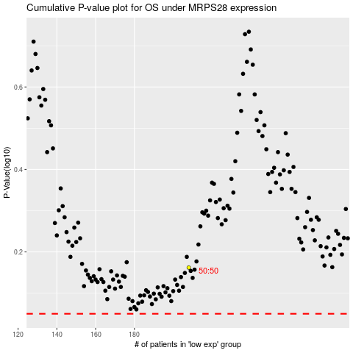

 |  |  |  |  |  | cases_OS | p_OS | rank | exp
 |  |  |  |  |  |  | cases_RFS | p_RFS | rank | exp

