MRPS33 _multivariate
Reported by Tex Li-Hsing Chi. tex@gate.sinica.edu.tw 2019-08-17

Table 2. The clinicopathological features of HNSCC cohort and MRPS33 expression. (Chi square test)
Cutoff at -0.227 (49.8%)
 |  | MRPS33 expression |  | MRPS33 expression |  | (Optimised)
 | Features | Low | (%) | High | (%) | Case no | P-value | Remark | Matthews
Gender | Female | 156 | 37.6 | 150 | 36.1 | 415 | 0.5222 | 0 | 0
2 | Male | 51 | 12.3 | 58 | 14
Age at diagnosis | <=65y | 133 | 32 | 141 | 34 | 415 | 0.5111 | 0 | 0
4 | >65y | 74 | 17.8 | 67 | 16.1
Clinical T Status | T1+T2 | 74 | 17.8 | 75 | 18.1 | 415 | 1 | 0 | 0
6 | T3+T4 | 133 | 32 | 133 | 32
Clinical N Status | N0 | 101 | 24.3 | 115 | 27.7 | 415 | 0.2201 | 0 | 0
8 | N1-3 | 106 | 25.5 | 93 | 22.4
Clinical M Status | M0 | 207 | 49.9 | 205 | 49.4 | 415 | 0.2482 | 0 | 0
10 | M1 | 0 | 0 | 3 | 0.7
Clinical Stage | Stage I+II | 47 | 11.3 | 55 | 13.3 | 415 | 0.4413 | 0 | 0
12 | Stage III+IV | 160 | 38.6 | 153 | 36.9
Surgical Margin status | Negative | 165 | 39.8 | 153 | 36.9 | 415 | 0.1639 | 0 | 0
14 | Positive | 42 | 10.1 | 55 | 13.3
Tobacco Exposure | Low | 81 | 19.5 | 80 | 19.3 | 415 | 0.9199 | 0 | 0
16 | High | 126 | 30.4 | 128 | 30.8

Table 3. Univariate/Multivariate Cox's proportional hazards regression analyses on OS time of MRPS33 gene expression in HNSCC

 |  | Univariate |  |  |  | Multivariate
 | Features | HR | CI95%(L) | CI95%(H) | P-value | HR | CI95%(L) | CI95%(H) | P-value
1 | Female | 1 |  |  |  | 1
Gender | Male | 1.157 | 0.843 | 1.587 | 0.367 | 1.193 | 0.851 | 1.672 | 0.306
11 | <=65y | 1 |  |  |  | 1
Age at diagnosis | >65y | 1.329 | 0.99 | 1.784 | 0.058 | 1.395 | 1.026 | 1.897 | 0.034
12 | T1+T2 | 1 |  |  |  | 1
Clinical T Status | T3+T4 | 1.409 | 1.028 | 1.931 | 0.033 | 2.192 | 1.159 | 4.147 | 0.016
13 | N0 | 1 |  |  |  | 1
Clinical N Status | N1-3 | 1.185 | 0.89 | 1.577 | 0.246 | 1.243 | 0.871 | 1.774 | 0.23
14 | M0 | 1 |  |  |  | 1
Clinical M Status | M1 | 4.097 | 1.009 | 16.644 | 0.049 | 9.112 | 1.965 | 42.261 | 0.005
15 | Stage I+II | 1 |  |  |  | 1
Clinical Stage | Stage III+IV | 1.245 | 0.882 | 1.759 | 0.213 | 0.508 | 0.236 | 1.091 | 0.082
16 | Negative | 1 |  |  |  | 1
Surgical Margin status | Positive | 1.591 | 1.155 | 2.191 | 0.004 | 1.659 | 1.197 | 2.299 | 0.002
17 | Low | 1 |  |  |  | 1
Tobacco Exposure | High | 1.364 | 1.008 | 1.844 | 0.044 | 1.452 | 1.054 | 2.001 | 0.023
18 | Low | 1 |  |  |  | 1
RNAseq(z-score) | High | 1.146 | 0.86 | 1.526 | 0.351 | 1.05 | 0.783 | 1.409 | 0.743

Table 4. Univariate/Multivariate Cox's proportional hazards regression analyses on RFS time of MRPS33 gene expression in HNSCC

 |  | Univariate |  |  |  | Multivariate
 | Features | HR | CI95%(L) | CI95%(H) | P-value | HR | CI95%(L) | CI95%(H) | P-value
1 | Female | 1 |  |  |  | 1
Gender | Male | 1.157 | 0.843 | 1.587 | 0.367 | 1.193 | 0.851 | 1.672 | 0.306
11 | <=65y | 1 |  |  |  | 1
Age at diagnosis | >65y | 1.329 | 0.99 | 1.784 | 0.058 | 1.395 | 1.026 | 1.897 | 0.034
12 | T1+T2 | 1 |  |  |  | 1
Clinical T Status | T3+T4 | 1.409 | 1.028 | 1.931 | 0.033 | 2.192 | 1.159 | 4.147 | 0.016
13 | N0 | 1 |  |  |  | 1
Clinical N Status | N1-3 | 1.185 | 0.89 | 1.577 | 0.246 | 1.243 | 0.871 | 1.774 | 0.23
14 | M0 | 1 |  |  |  | 1
Clinical M Status | M1 | 4.097 | 1.009 | 16.644 | 0.049 | 9.112 | 1.965 | 42.261 | 0.005
15 | Stage I+II | 1 |  |  |  | 1
Clinical Stage | Stage III+IV | 1.245 | 0.882 | 1.759 | 0.213 | 0.508 | 0.236 | 1.091 | 0.082
16 | Negative | 1 |  |  |  | 1
Surgical Margin status | Positive | 1.591 | 1.155 | 2.191 | 0.004 | 1.659 | 1.197 | 2.299 | 0.002
17 | Low | 1 |  |  |  | 1
Tobacco Exposure | High | 1.364 | 1.008 | 1.844 | 0.044 | 1.452 | 1.054 | 2.001 | 0.023
18 | Low | 1 |  |  |  | 1
RNAseq(z-score) | High | 1.146 | 0.86 | 1.526 | 0.351 | 1.05 | 0.783 | 1.409 | 0.743

Kaplan-Meier survival estimate: Cutoff at -0.227 (49.8%)



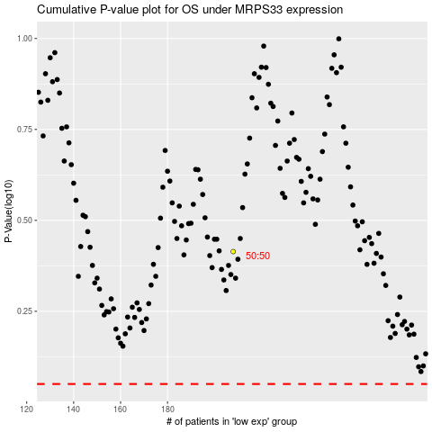

 |  |  |  |  |  | cases_OS | p_OS | rank | exp
 |  |  |  |  |  |  | cases_RFS | p_RFS | rank | exp

