MRPS36 _multivariate
Reported by Tex Li-Hsing Chi. tex@gate.sinica.edu.tw 2019-08-17

Table 2. The clinicopathological features of HNSCC cohort and MRPS36 expression. (Chi square test)
Cutoff at -0.337 (50.0%)
 |  | MRPS36 expression |  | MRPS36 expression |  | (Optimised)
 | Features | Low | (%) | High | (%) | Case no | P-value | Remark | Matthews
Gender | Female | 162 | 39 | 144 | 34.7 | 415 | 0.0479 | 1 | 0
2 | Male | 45 | 10.8 | 64 | 15.4
Age at diagnosis | <=65y | 136 | 32.8 | 138 | 33.3 | 415 | 0.9719 | 0 | 0
4 | >65y | 71 | 17.1 | 70 | 16.9
Clinical T Status | T1+T2 | 65 | 15.7 | 84 | 20.2 | 415 | 0.0711 | 0 | 0
6 | T3+T4 | 142 | 34.2 | 124 | 29.9
Clinical N Status | N0 | 106 | 25.5 | 110 | 26.5 | 415 | 0.8075 | 0 | 0
8 | N1-3 | 101 | 24.3 | 98 | 23.6
Clinical M Status | M0 | 207 | 49.9 | 205 | 49.4 | 415 | 0.2482 | 0 | 0
10 | M1 | 0 | 0 | 3 | 0.7
Clinical Stage | Stage I+II | 50 | 12 | 52 | 12.5 | 415 | 0.9315 | 0 | 0
12 | Stage III+IV | 157 | 37.8 | 156 | 37.6
Surgical Margin status | Negative | 169 | 40.7 | 149 | 35.9 | 415 | 0.0201 | 1 | 0
14 | Positive | 38 | 9.2 | 59 | 14.2
Tobacco Exposure | Low | 70 | 16.9 | 91 | 21.9 | 415 | 0.0439 | 1 | 0
16 | High | 137 | 33 | 117 | 28.2

Table 3. Univariate/Multivariate Cox's proportional hazards regression analyses on OS time of MRPS36 gene expression in HNSCC

 |  | Univariate |  |  |  | Multivariate
 | Features | HR | CI95%(L) | CI95%(H) | P-value | HR | CI95%(L) | CI95%(H) | P-value
1 | Female | 1 |  |  |  | 1
Gender | Male | 1.157 | 0.843 | 1.587 | 0.367 | 1.189 | 0.847 | 1.669 | 0.316
11 | <=65y | 1 |  |  |  | 1
Age at diagnosis | >65y | 1.329 | 0.99 | 1.784 | 0.058 | 1.396 | 1.027 | 1.899 | 0.033
12 | T1+T2 | 1 |  |  |  | 1
Clinical T Status | T3+T4 | 1.409 | 1.028 | 1.931 | 0.033 | 2.237 | 1.177 | 4.251 | 0.014
13 | N0 | 1 |  |  |  | 1
Clinical N Status | N1-3 | 1.185 | 0.89 | 1.577 | 0.246 | 1.251 | 0.875 | 1.789 | 0.22
14 | M0 | 1 |  |  |  | 1
Clinical M Status | M1 | 4.097 | 1.009 | 16.644 | 0.049 | 9.218 | 2.004 | 42.402 | 0.004
15 | Stage I+II | 1 |  |  |  | 1
Clinical Stage | Stage III+IV | 1.245 | 0.882 | 1.759 | 0.213 | 0.495 | 0.229 | 1.069 | 0.073
16 | Negative | 1 |  |  |  | 1
Surgical Margin status | Positive | 1.591 | 1.155 | 2.191 | 0.004 | 1.655 | 1.193 | 2.296 | 0.003
17 | Low | 1 |  |  |  | 1
Tobacco Exposure | High | 1.364 | 1.008 | 1.844 | 0.044 | 1.457 | 1.057 | 2.009 | 0.021
18 | Low | 1 |  |  |  | 1
RNAseq(z-score) | High | 1.062 | 0.798 | 1.415 | 0.678 | 1.059 | 0.785 | 1.429 | 0.708

Table 4. Univariate/Multivariate Cox's proportional hazards regression analyses on RFS time of MRPS36 gene expression in HNSCC

 |  | Univariate |  |  |  | Multivariate
 | Features | HR | CI95%(L) | CI95%(H) | P-value | HR | CI95%(L) | CI95%(H) | P-value
1 | Female | 1 |  |  |  | 1
Gender | Male | 1.157 | 0.843 | 1.587 | 0.367 | 1.189 | 0.847 | 1.669 | 0.316
11 | <=65y | 1 |  |  |  | 1
Age at diagnosis | >65y | 1.329 | 0.99 | 1.784 | 0.058 | 1.396 | 1.027 | 1.899 | 0.033
12 | T1+T2 | 1 |  |  |  | 1
Clinical T Status | T3+T4 | 1.409 | 1.028 | 1.931 | 0.033 | 2.237 | 1.177 | 4.251 | 0.014
13 | N0 | 1 |  |  |  | 1
Clinical N Status | N1-3 | 1.185 | 0.89 | 1.577 | 0.246 | 1.251 | 0.875 | 1.789 | 0.22
14 | M0 | 1 |  |  |  | 1
Clinical M Status | M1 | 4.097 | 1.009 | 16.644 | 0.049 | 9.218 | 2.004 | 42.402 | 0.004
15 | Stage I+II | 1 |  |  |  | 1
Clinical Stage | Stage III+IV | 1.245 | 0.882 | 1.759 | 0.213 | 0.495 | 0.229 | 1.069 | 0.073
16 | Negative | 1 |  |  |  | 1
Surgical Margin status | Positive | 1.591 | 1.155 | 2.191 | 0.004 | 1.655 | 1.193 | 2.296 | 0.003
17 | Low | 1 |  |  |  | 1
Tobacco Exposure | High | 1.364 | 1.008 | 1.844 | 0.044 | 1.457 | 1.057 | 2.009 | 0.021
18 | Low | 1 |  |  |  | 1
RNAseq(z-score) | High | 1.062 | 0.798 | 1.415 | 0.678 | 1.059 | 0.785 | 1.429 | 0.708

Kaplan-Meier survival estimate: Cutoff at -0.337 (50.0%)



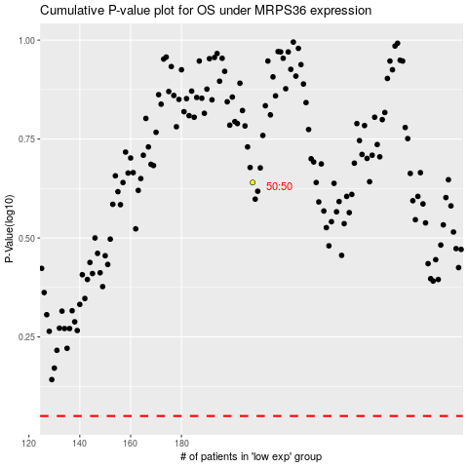

 |  |  |  |  |  | cases_OS | p_OS | rank | exp
 |  |  |  |  |  |  | cases_RFS | p_RFS | rank | exp

