MRPS6 _multivariate
Reported by Tex Li-Hsing Chi. tex@gate.sinica.edu.tw 2019-08-17

Table 2. The clinicopathological features of HNSCC cohort and MRPS6 expression. (Chi square test)
Cutoff at -0.239 (49.8%)
 |  | MRPS6 expression |  | MRPS6 expression |  | (Optimised)
 | Features | Low | (%) | High | (%) | Case no | P-value | Remark | Matthews
Gender | Female | 152 | 36.6 | 154 | 37.1 | 415 | 0.9766 | 0 | 0
2 | Male | 55 | 13.3 | 54 | 13
Age at diagnosis | <=65y | 138 | 33.3 | 136 | 32.8 | 415 | 0.8634 | 0 | 0
4 | >65y | 69 | 16.6 | 72 | 17.3
Clinical T Status | T1+T2 | 82 | 19.8 | 67 | 16.1 | 415 | 0.1417 | 0 | 0
6 | T3+T4 | 125 | 30.1 | 141 | 34
Clinical N Status | N0 | 106 | 25.5 | 110 | 26.5 | 415 | 0.8075 | 0 | 0
8 | N1-3 | 101 | 24.3 | 98 | 23.6
Clinical M Status | M0 | 206 | 49.6 | 206 | 49.6 | 415 | 1 | 0 | 0
10 | M1 | 1 | 0.2 | 2 | 0.5
Clinical Stage | Stage I+II | 60 | 14.5 | 42 | 10.1 | 415 | 0.0493 | 1 | 0
12 | Stage III+IV | 147 | 35.4 | 166 | 40
Surgical Margin status | Negative | 158 | 38.1 | 160 | 38.6 | 415 | 0.9081 | 0 | 0
14 | Positive | 49 | 11.8 | 48 | 11.6
Tobacco Exposure | Low | 78 | 18.8 | 83 | 20 | 415 | 0.6873 | 0 | 0
16 | High | 129 | 31.1 | 125 | 30.1

Table 3. Univariate/Multivariate Cox's proportional hazards regression analyses on OS time of MRPS6 gene expression in HNSCC

 |  | Univariate |  |  |  | Multivariate
 | Features | HR | CI95%(L) | CI95%(H) | P-value | HR | CI95%(L) | CI95%(H) | P-value
1 | Female | 1 |  |  |  | 1
Gender | Male | 1.157 | 0.843 | 1.587 | 0.367 | 1.22 | 0.873 | 1.706 | 0.245
11 | <=65y | 1 |  |  |  | 1
Age at diagnosis | >65y | 1.329 | 0.99 | 1.784 | 0.058 | 1.386 | 1.02 | 1.883 | 0.037
12 | T1+T2 | 1 |  |  |  | 1
Clinical T Status | T3+T4 | 1.409 | 1.028 | 1.931 | 0.033 | 2.204 | 1.165 | 4.169 | 0.015
13 | N0 | 1 |  |  |  | 1
Clinical N Status | N1-3 | 1.185 | 0.89 | 1.577 | 0.246 | 1.222 | 0.855 | 1.747 | 0.272
14 | M0 | 1 |  |  |  | 1
Clinical M Status | M1 | 4.097 | 1.009 | 16.644 | 0.049 | 9.835 | 2.137 | 45.268 | 0.003
15 | Stage I+II | 1 |  |  |  | 1
Clinical Stage | Stage III+IV | 1.245 | 0.882 | 1.759 | 0.213 | 0.516 | 0.24 | 1.109 | 0.09
16 | Negative | 1 |  |  |  | 1
Surgical Margin status | Positive | 1.591 | 1.155 | 2.191 | 0.004 | 1.683 | 1.217 | 2.327 | 0.002
17 | Low | 1 |  |  |  | 1
Tobacco Exposure | High | 1.364 | 1.008 | 1.844 | 0.044 | 1.444 | 1.049 | 1.989 | 0.024
18 | Low | 1 |  |  |  | 1
RNAseq(z-score) | High | 0.912 | 0.684 | 1.217 | 0.533 | 0.883 | 0.659 | 1.185 | 0.408

Table 4. Univariate/Multivariate Cox's proportional hazards regression analyses on RFS time of MRPS6 gene expression in HNSCC

 |  | Univariate |  |  |  | Multivariate
 | Features | HR | CI95%(L) | CI95%(H) | P-value | HR | CI95%(L) | CI95%(H) | P-value
1 | Female | 1 |  |  |  | 1
Gender | Male | 1.157 | 0.843 | 1.587 | 0.367 | 1.22 | 0.873 | 1.706 | 0.245
11 | <=65y | 1 |  |  |  | 1
Age at diagnosis | >65y | 1.329 | 0.99 | 1.784 | 0.058 | 1.386 | 1.02 | 1.883 | 0.037
12 | T1+T2 | 1 |  |  |  | 1
Clinical T Status | T3+T4 | 1.409 | 1.028 | 1.931 | 0.033 | 2.204 | 1.165 | 4.169 | 0.015
13 | N0 | 1 |  |  |  | 1
Clinical N Status | N1-3 | 1.185 | 0.89 | 1.577 | 0.246 | 1.222 | 0.855 | 1.747 | 0.272
14 | M0 | 1 |  |  |  | 1
Clinical M Status | M1 | 4.097 | 1.009 | 16.644 | 0.049 | 9.835 | 2.137 | 45.268 | 0.003
15 | Stage I+II | 1 |  |  |  | 1
Clinical Stage | Stage III+IV | 1.245 | 0.882 | 1.759 | 0.213 | 0.516 | 0.24 | 1.109 | 0.09
16 | Negative | 1 |  |  |  | 1
Surgical Margin status | Positive | 1.591 | 1.155 | 2.191 | 0.004 | 1.683 | 1.217 | 2.327 | 0.002
17 | Low | 1 |  |  |  | 1
Tobacco Exposure | High | 1.364 | 1.008 | 1.844 | 0.044 | 1.444 | 1.049 | 1.989 | 0.024
18 | Low | 1 |  |  |  | 1
RNAseq(z-score) | High | 0.912 | 0.684 | 1.217 | 0.533 | 0.883 | 0.659 | 1.185 | 0.408

Kaplan-Meier survival estimate: Cutoff at -0.239 (49.8%)



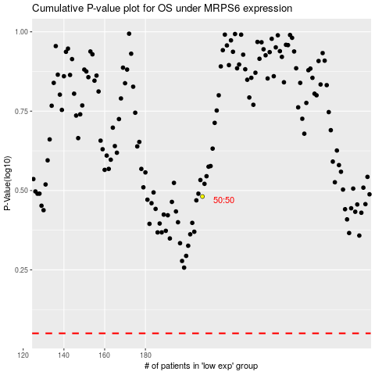

 |  |  |  |  |  | cases_OS | p_OS | rank | exp
 |  |  |  |  |  |  | cases_RFS | p_RFS | rank | exp

