MRRF _multivariate
Reported by Tex Li-Hsing Chi. tex@gate.sinica.edu.tw 2019-08-17

Table 2. The clinicopathological features of HNSCC cohort and MRRF expression. (Chi square test)
Cutoff at 0.332 (69.8%)
 |  | MRRF expression |  | MRRF expression |  | (Optimised)
 | Features | Low | (%) | High | (%) | Case no | P-value | Remark | Matthews
Gender | Female | 208 | 50.1 | 98 | 23.6 | 415 | 0.1949 | 0 | 0
2 | Male | 82 | 19.8 | 27 | 6.5
Age at diagnosis | <=65y | 196 | 47.2 | 78 | 18.8 | 415 | 0.3626 | 0 | 0
4 | >65y | 94 | 22.7 | 47 | 11.3
Clinical T Status | T1+T2 | 110 | 26.5 | 39 | 9.4 | 415 | 0.2302 | 0 | 0
6 | T3+T4 | 180 | 43.4 | 86 | 20.7
Clinical N Status | N0 | 146 | 35.2 | 70 | 16.9 | 415 | 0.3417 | 0 | 0
8 | N1-3 | 144 | 34.7 | 55 | 13.3
Clinical M Status | M0 | 288 | 69.4 | 124 | 29.9 | 415 | 1 | 0 | 0
10 | M1 | 2 | 0.5 | 1 | 0.2
Clinical Stage | Stage I+II | 75 | 18.1 | 27 | 6.5 | 415 | 0.4232 | 0 | 0
12 | Stage III+IV | 215 | 51.8 | 98 | 23.6
Surgical Margin status | Negative | 227 | 54.7 | 91 | 21.9 | 415 | 0.2554 | 0 | 0
14 | Positive | 63 | 15.2 | 34 | 8.2
Tobacco Exposure | Low | 120 | 28.9 | 41 | 9.9 | 415 | 0.1241 | 0 | 0
16 | High | 170 | 41 | 84 | 20.2

Table 3. Univariate/Multivariate Cox's proportional hazards regression analyses on OS time of MRRF gene expression in HNSCC

 |  | Univariate |  |  |  | Multivariate
 | Features | HR | CI95%(L) | CI95%(H) | P-value | HR | CI95%(L) | CI95%(H) | P-value
1 | Female | 1 |  |  |  | 1
Gender | Male | 1.157 | 0.843 | 1.587 | 0.367 | 1.215 | 0.869 | 1.699 | 0.255
11 | <=65y | 1 |  |  |  | 1
Age at diagnosis | >65y | 1.329 | 0.99 | 1.784 | 0.058 | 1.357 | 0.996 | 1.848 | 0.053
12 | T1+T2 | 1 |  |  |  | 1
Clinical T Status | T3+T4 | 1.409 | 1.028 | 1.931 | 0.033 | 2.195 | 1.162 | 4.149 | 0.015
13 | N0 | 1 |  |  |  | 1
Clinical N Status | N1-3 | 1.185 | 0.89 | 1.577 | 0.246 | 1.264 | 0.885 | 1.806 | 0.197
14 | M0 | 1 |  |  |  | 1
Clinical M Status | M1 | 4.097 | 1.009 | 16.644 | 0.049 | 9.556 | 2.084 | 43.818 | 0.004
15 | Stage I+II | 1 |  |  |  | 1
Clinical Stage | Stage III+IV | 1.245 | 0.882 | 1.759 | 0.213 | 0.495 | 0.231 | 1.063 | 0.071
16 | Negative | 1 |  |  |  | 1
Surgical Margin status | Positive | 1.591 | 1.155 | 2.191 | 0.004 | 1.633 | 1.18 | 2.26 | 0.003
17 | Low | 1 |  |  |  | 1
Tobacco Exposure | High | 1.364 | 1.008 | 1.844 | 0.044 | 1.423 | 1.031 | 1.966 | 0.032
18 | Low | 1 |  |  |  | 1
RNAseq(z-score) | High | 1.363 | 1 | 1.857 | 0.05 | 1.252 | 0.912 | 1.719 | 0.165

Table 4. Univariate/Multivariate Cox's proportional hazards regression analyses on RFS time of MRRF gene expression in HNSCC

 |  | Univariate |  |  |  | Multivariate
 | Features | HR | CI95%(L) | CI95%(H) | P-value | HR | CI95%(L) | CI95%(H) | P-value
1 | Female | 1 |  |  |  | 1
Gender | Male | 1.157 | 0.843 | 1.587 | 0.367 | 1.215 | 0.869 | 1.699 | 0.255
11 | <=65y | 1 |  |  |  | 1
Age at diagnosis | >65y | 1.329 | 0.99 | 1.784 | 0.058 | 1.357 | 0.996 | 1.848 | 0.053
12 | T1+T2 | 1 |  |  |  | 1
Clinical T Status | T3+T4 | 1.409 | 1.028 | 1.931 | 0.033 | 2.195 | 1.162 | 4.149 | 0.015
13 | N0 | 1 |  |  |  | 1
Clinical N Status | N1-3 | 1.185 | 0.89 | 1.577 | 0.246 | 1.264 | 0.885 | 1.806 | 0.197
14 | M0 | 1 |  |  |  | 1
Clinical M Status | M1 | 4.097 | 1.009 | 16.644 | 0.049 | 9.556 | 2.084 | 43.818 | 0.004
15 | Stage I+II | 1 |  |  |  | 1
Clinical Stage | Stage III+IV | 1.245 | 0.882 | 1.759 | 0.213 | 0.495 | 0.231 | 1.063 | 0.071
16 | Negative | 1 |  |  |  | 1
Surgical Margin status | Positive | 1.591 | 1.155 | 2.191 | 0.004 | 1.633 | 1.18 | 2.26 | 0.003
17 | Low | 1 |  |  |  | 1
Tobacco Exposure | High | 1.364 | 1.008 | 1.844 | 0.044 | 1.423 | 1.031 | 1.966 | 0.032
18 | Low | 1 |  |  |  | 1
RNAseq(z-score) | High | 1.363 | 1 | 1.857 | 0.05 | 1.252 | 0.912 | 1.719 | 0.165

Kaplan-Meier survival estimate: Cutoff at 0.332 (69.8%)



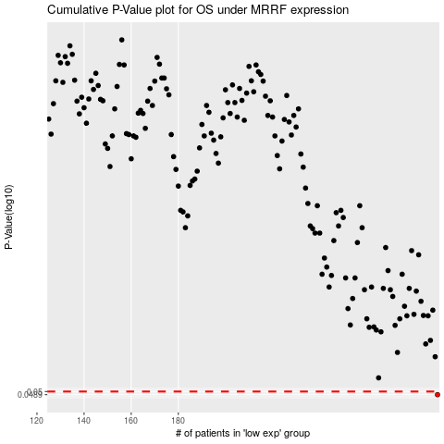

 |  |  |  |  |  | cases_OS | p_OS | rank | exp
 |  |  |  |  |  | 290 | 0.0489 | 17 | 0.33180430235
 |  |  |  |  |  |  | cases_RFS | p_RFS | rank | exp
 |  |  |  |  |  |  | 289 | 0.0489 | 40 | 0.32695931239

