MS4A4A _multivariate
Reported by Tex Li-Hsing Chi. tex@gate.sinica.edu.tw 2019-08-17

Table 2. The clinicopathological features of HNSCC cohort and MS4A4A expression. (Chi square test)
Cutoff at -0.116 (60.4%)
 |  | MS4A4A expression |  | MS4A4A expression |  | (Optimised)
 | Features | Low | (%) | High | (%) | Case no | P-value | Remark | Matthews
Gender | Female | 192 | 46.3 | 114 | 27.5 | 415 | 0.1426 | 0 | 0
2 | Male | 59 | 14.2 | 50 | 12
Age at diagnosis | <=65y | 175 | 42.2 | 99 | 23.9 | 415 | 0.0627 | 0 | 0
4 | >65y | 76 | 18.3 | 65 | 15.7
Clinical T Status | T1+T2 | 99 | 23.9 | 50 | 12 | 415 | 0.0794 | 0 | 0
6 | T3+T4 | 152 | 36.6 | 114 | 27.5
Clinical N Status | N0 | 142 | 34.2 | 74 | 17.8 | 415 | 0.0291 | 1 | 0
8 | N1-3 | 109 | 26.3 | 90 | 21.7
Clinical M Status | M0 | 249 | 60 | 163 | 39.3 | 415 | 1 | 0 | 0
10 | M1 | 2 | 0.5 | 1 | 0.2
Clinical Stage | Stage I+II | 69 | 16.6 | 33 | 8 | 415 | 0.1123 | 0 | 0
12 | Stage III+IV | 182 | 43.9 | 131 | 31.6
Surgical Margin status | Negative | 191 | 46 | 127 | 30.6 | 415 | 0.8128 | 0 | 0
14 | Positive | 60 | 14.5 | 37 | 8.9
Tobacco Exposure | Low | 89 | 21.4 | 72 | 17.3 | 415 | 0.0992 | 0 | 0
16 | High | 162 | 39 | 92 | 22.2

Table 3. Univariate/Multivariate Cox's proportional hazards regression analyses on OS time of MS4A4A gene expression in HNSCC

 |  | Univariate |  |  |  | Multivariate
 | Features | HR | CI95%(L) | CI95%(H) | P-value | HR | CI95%(L) | CI95%(H) | P-value
1 | Female | 1 |  |  |  | 1
Gender | Male | 1.157 | 0.843 | 1.587 | 0.367 | 1.202 | 0.862 | 1.678 | 0.278
11 | <=65y | 1 |  |  |  | 1
Age at diagnosis | >65y | 1.329 | 0.99 | 1.784 | 0.058 | 1.367 | 1.004 | 1.862 | 0.047
12 | T1+T2 | 1 |  |  |  | 1
Clinical T Status | T3+T4 | 1.409 | 1.028 | 1.931 | 0.033 | 2.098 | 1.107 | 3.976 | 0.023
13 | N0 | 1 |  |  |  | 1
Clinical N Status | N1-3 | 1.185 | 0.89 | 1.577 | 0.246 | 1.196 | 0.836 | 1.712 | 0.327
14 | M0 | 1 |  |  |  | 1
Clinical M Status | M1 | 4.097 | 1.009 | 16.644 | 0.049 | 9.227 | 2.012 | 42.313 | 0.004
15 | Stage I+II | 1 |  |  |  | 1
Clinical Stage | Stage III+IV | 1.245 | 0.882 | 1.759 | 0.213 | 0.517 | 0.241 | 1.11 | 0.091
16 | Negative | 1 |  |  |  | 1
Surgical Margin status | Positive | 1.591 | 1.155 | 2.191 | 0.004 | 1.687 | 1.221 | 2.333 | 0.002
17 | Low | 1 |  |  |  | 1
Tobacco Exposure | High | 1.364 | 1.008 | 1.844 | 0.044 | 1.511 | 1.094 | 2.087 | 0.012
18 | Low | 1 |  |  |  | 1
RNAseq(z-score) | High | 1.341 | 1.005 | 1.789 | 0.046 | 1.315 | 0.978 | 1.769 | 0.07

Table 4. Univariate/Multivariate Cox's proportional hazards regression analyses on RFS time of MS4A4A gene expression in HNSCC

 |  | Univariate |  |  |  | Multivariate
 | Features | HR | CI95%(L) | CI95%(H) | P-value | HR | CI95%(L) | CI95%(H) | P-value
1 | Female | 1 |  |  |  | 1
Gender | Male | 1.157 | 0.843 | 1.587 | 0.367 | 1.202 | 0.862 | 1.678 | 0.278
11 | <=65y | 1 |  |  |  | 1
Age at diagnosis | >65y | 1.329 | 0.99 | 1.784 | 0.058 | 1.367 | 1.004 | 1.862 | 0.047
12 | T1+T2 | 1 |  |  |  | 1
Clinical T Status | T3+T4 | 1.409 | 1.028 | 1.931 | 0.033 | 2.098 | 1.107 | 3.976 | 0.023
13 | N0 | 1 |  |  |  | 1
Clinical N Status | N1-3 | 1.185 | 0.89 | 1.577 | 0.246 | 1.196 | 0.836 | 1.712 | 0.327
14 | M0 | 1 |  |  |  | 1
Clinical M Status | M1 | 4.097 | 1.009 | 16.644 | 0.049 | 9.227 | 2.012 | 42.313 | 0.004
15 | Stage I+II | 1 |  |  |  | 1
Clinical Stage | Stage III+IV | 1.245 | 0.882 | 1.759 | 0.213 | 0.517 | 0.241 | 1.11 | 0.091
16 | Negative | 1 |  |  |  | 1
Surgical Margin status | Positive | 1.591 | 1.155 | 2.191 | 0.004 | 1.687 | 1.221 | 2.333 | 0.002
17 | Low | 1 |  |  |  | 1
Tobacco Exposure | High | 1.364 | 1.008 | 1.844 | 0.044 | 1.511 | 1.094 | 2.087 | 0.012
18 | Low | 1 |  |  |  | 1
RNAseq(z-score) | High | 1.341 | 1.005 | 1.789 | 0.046 | 1.315 | 0.978 | 1.769 | 0.07

Kaplan-Meier survival estimate: Cutoff at -0.116 (60.4%)

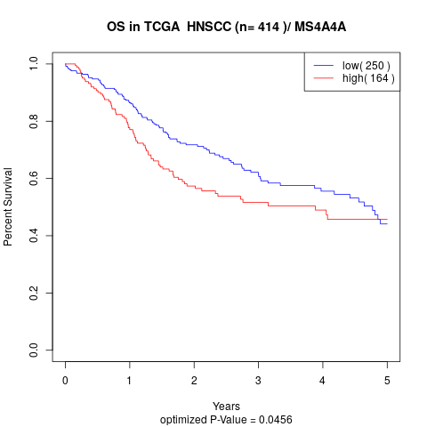

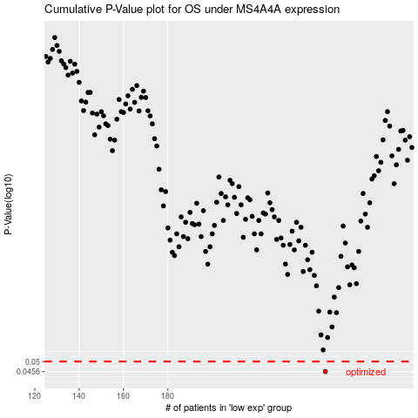

 |  |  |  |  |  | cases_OS | p_OS | rank | exp
 |  |  |  |  |  | 251 | 0.0456 | 261 | -0.11582740058
 |  |  |  |  |  |  | cases_RFS | p_RFS | rank | exp
 |  |  |  |  |  |  | 250 | 0.0456 | 83 | -0.11726612479

