MS4A7 _multivariate
Reported by Tex Li-Hsing Chi. tex@gate.sinica.edu.tw 2019-08-17

Table 2. The clinicopathological features of HNSCC cohort and MS4A7 expression. (Chi square test)
Cutoff at -0.259 (50.0%)
 |  | MS4A7 expression |  | MS4A7 expression |  | (Optimised)
 | Features | Low | (%) | High | (%) | Case no | P-value | Remark | Matthews
Gender | Female | 158 | 38.1 | 148 | 35.7 | 415 | 0.2774 | 0 | 0
2 | Male | 49 | 11.8 | 60 | 14.5
Age at diagnosis | <=65y | 146 | 35.2 | 128 | 30.8 | 415 | 0.0672 | 0 | 0
4 | >65y | 61 | 14.7 | 80 | 19.3
Clinical T Status | T1+T2 | 73 | 17.6 | 76 | 18.3 | 415 | 0.8666 | 0 | 0
6 | T3+T4 | 134 | 32.3 | 132 | 31.8
Clinical N Status | N0 | 115 | 27.7 | 101 | 24.3 | 415 | 0.184 | 1 | 0
8 | N1-3 | 92 | 22.2 | 107 | 25.8
Clinical M Status | M0 | 205 | 49.4 | 207 | 49.9 | 415 | 0.6232 | 0 | 0
10 | M1 | 2 | 0.5 | 1 | 0.2
Clinical Stage | Stage I+II | 52 | 12.5 | 50 | 12 | 415 | 0.8871 | 0 | 0
12 | Stage III+IV | 155 | 37.3 | 158 | 38.1
Surgical Margin status | Negative | 159 | 38.3 | 159 | 38.3 | 415 | 1 | 0 | 0
14 | Positive | 48 | 11.6 | 49 | 11.8
Tobacco Exposure | Low | 71 | 17.1 | 90 | 21.7 | 415 | 0.0698 | 0 | 0
16 | High | 136 | 32.8 | 118 | 28.4

Table 3. Univariate/Multivariate Cox's proportional hazards regression analyses on OS time of MS4A7 gene expression in HNSCC

 |  | Univariate |  |  |  | Multivariate
 | Features | HR | CI95%(L) | CI95%(H) | P-value | HR | CI95%(L) | CI95%(H) | P-value
1 | Female | 1 |  |  |  | 1
Gender | Male | 1.157 | 0.843 | 1.587 | 0.367 | 1.202 | 0.861 | 1.68 | 0.28
11 | <=65y | 1 |  |  |  | 1
Age at diagnosis | >65y | 1.329 | 0.99 | 1.784 | 0.058 | 1.385 | 1.018 | 1.884 | 0.038
12 | T1+T2 | 1 |  |  |  | 1
Clinical T Status | T3+T4 | 1.409 | 1.028 | 1.931 | 0.033 | 2.2 | 1.163 | 4.16 | 0.015
13 | N0 | 1 |  |  |  | 1
Clinical N Status | N1-3 | 1.185 | 0.89 | 1.577 | 0.246 | 1.235 | 0.865 | 1.763 | 0.245
14 | M0 | 1 |  |  |  | 1
Clinical M Status | M1 | 4.097 | 1.009 | 16.644 | 0.049 | 9.494 | 2.071 | 43.535 | 0.004
15 | Stage I+II | 1 |  |  |  | 1
Clinical Stage | Stage III+IV | 1.245 | 0.882 | 1.759 | 0.213 | 0.506 | 0.236 | 1.087 | 0.081
16 | Negative | 1 |  |  |  | 1
Surgical Margin status | Positive | 1.591 | 1.155 | 2.191 | 0.004 | 1.665 | 1.205 | 2.302 | 0.002
17 | Low | 1 |  |  |  | 1
Tobacco Exposure | High | 1.364 | 1.008 | 1.844 | 0.044 | 1.466 | 1.062 | 2.023 | 0.02
18 | Low | 1 |  |  |  | 1
RNAseq(z-score) | High | 1.096 | 0.822 | 1.462 | 0.531 | 1.082 | 0.808 | 1.447 | 0.598

Table 4. Univariate/Multivariate Cox's proportional hazards regression analyses on RFS time of MS4A7 gene expression in HNSCC

 |  | Univariate |  |  |  | Multivariate
 | Features | HR | CI95%(L) | CI95%(H) | P-value | HR | CI95%(L) | CI95%(H) | P-value
1 | Female | 1 |  |  |  | 1
Gender | Male | 1.157 | 0.843 | 1.587 | 0.367 | 1.202 | 0.861 | 1.68 | 0.28
11 | <=65y | 1 |  |  |  | 1
Age at diagnosis | >65y | 1.329 | 0.99 | 1.784 | 0.058 | 1.385 | 1.018 | 1.884 | 0.038
12 | T1+T2 | 1 |  |  |  | 1
Clinical T Status | T3+T4 | 1.409 | 1.028 | 1.931 | 0.033 | 2.2 | 1.163 | 4.16 | 0.015
13 | N0 | 1 |  |  |  | 1
Clinical N Status | N1-3 | 1.185 | 0.89 | 1.577 | 0.246 | 1.235 | 0.865 | 1.763 | 0.245
14 | M0 | 1 |  |  |  | 1
Clinical M Status | M1 | 4.097 | 1.009 | 16.644 | 0.049 | 9.494 | 2.071 | 43.535 | 0.004
15 | Stage I+II | 1 |  |  |  | 1
Clinical Stage | Stage III+IV | 1.245 | 0.882 | 1.759 | 0.213 | 0.506 | 0.236 | 1.087 | 0.081
16 | Negative | 1 |  |  |  | 1
Surgical Margin status | Positive | 1.591 | 1.155 | 2.191 | 0.004 | 1.665 | 1.205 | 2.302 | 0.002
17 | Low | 1 |  |  |  | 1
Tobacco Exposure | High | 1.364 | 1.008 | 1.844 | 0.044 | 1.466 | 1.062 | 2.023 | 0.02
18 | Low | 1 |  |  |  | 1
RNAseq(z-score) | High | 1.096 | 0.822 | 1.462 | 0.531 | 1.082 | 0.808 | 1.447 | 0.598

Kaplan-Meier survival estimate: Cutoff at -0.259 (50.0%)



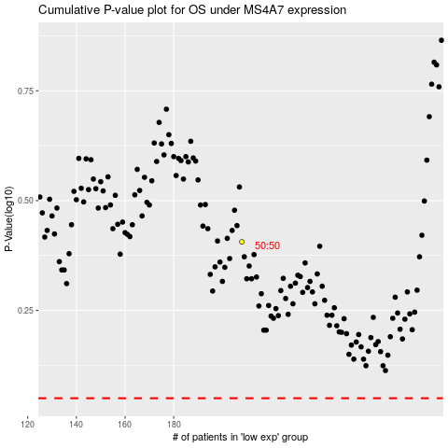

 |  |  |  |  |  | cases_OS | p_OS | rank | exp
 |  |  |  |  |  |  | cases_RFS | p_RFS | rank | exp

