MSC _multivariate
Reported by Tex Li-Hsing Chi. tex@gate.sinica.edu.tw 2019-08-17

Table 2. The clinicopathological features of HNSCC cohort and MSC expression. (Chi square test)
Cutoff at -0.274 (50.0%)
 |  | MSC expression |  | MSC expression |  | (Optimised)
 | Features | Low | (%) | High | (%) | Case no | P-value | Remark | Matthews
Gender | Female | 156 | 37.6 | 150 | 36.1 | 415 | 0.5222 | 0 | 0
2 | Male | 51 | 12.3 | 58 | 14
Age at diagnosis | <=65y | 135 | 32.5 | 139 | 33.5 | 415 | 0.8084 | 0 | 0
4 | >65y | 72 | 17.3 | 69 | 16.6
Clinical T Status | T1+T2 | 72 | 17.3 | 77 | 18.6 | 415 | 0.7095 | 0 | 0
6 | T3+T4 | 135 | 32.5 | 131 | 31.6
Clinical N Status | N0 | 114 | 27.5 | 102 | 24.6 | 415 | 0.2576 | 1 | 0
8 | N1-3 | 93 | 22.4 | 106 | 25.5
Clinical M Status | M0 | 206 | 49.6 | 206 | 49.6 | 415 | 1 | 0 | 0
10 | M1 | 1 | 0.2 | 2 | 0.5
Clinical Stage | Stage I+II | 47 | 11.3 | 55 | 13.3 | 415 | 0.4413 | 0 | 0
12 | Stage III+IV | 160 | 38.6 | 153 | 36.9
Surgical Margin status | Negative | 148 | 35.7 | 170 | 41 | 415 | 0.015 | 1 | 0
14 | Positive | 59 | 14.2 | 38 | 9.2
Tobacco Exposure | Low | 92 | 22.2 | 69 | 16.6 | 415 | 0.0206 | 1 | 0
16 | High | 115 | 27.7 | 139 | 33.5

Table 3. Univariate/Multivariate Cox's proportional hazards regression analyses on OS time of MSC gene expression in HNSCC

 |  | Univariate |  |  |  | Multivariate
 | Features | HR | CI95%(L) | CI95%(H) | P-value | HR | CI95%(L) | CI95%(H) | P-value
1 | Female | 1 |  |  |  | 1
Gender | Male | 1.157 | 0.843 | 1.587 | 0.367 | 1.201 | 0.86 | 1.678 | 0.282
11 | <=65y | 1 |  |  |  | 1
Age at diagnosis | >65y | 1.329 | 0.99 | 1.784 | 0.058 | 1.392 | 1.024 | 1.893 | 0.035
12 | T1+T2 | 1 |  |  |  | 1
Clinical T Status | T3+T4 | 1.409 | 1.028 | 1.931 | 0.033 | 2.2 | 1.162 | 4.164 | 0.015
13 | N0 | 1 |  |  |  | 1
Clinical N Status | N1-3 | 1.185 | 0.89 | 1.577 | 0.246 | 1.239 | 0.867 | 1.772 | 0.239
14 | M0 | 1 |  |  |  | 1
Clinical M Status | M1 | 4.097 | 1.009 | 16.644 | 0.049 | 9.389 | 2.046 | 43.091 | 0.004
15 | Stage I+II | 1 |  |  |  | 1
Clinical Stage | Stage III+IV | 1.245 | 0.882 | 1.759 | 0.213 | 0.506 | 0.235 | 1.09 | 0.082
16 | Negative | 1 |  |  |  | 1
Surgical Margin status | Positive | 1.591 | 1.155 | 2.191 | 0.004 | 1.673 | 1.21 | 2.312 | 0.002
17 | Low | 1 |  |  |  | 1
Tobacco Exposure | High | 1.364 | 1.008 | 1.844 | 0.044 | 1.451 | 1.05 | 2.006 | 0.024
18 | Low | 1 |  |  |  | 1
RNAseq(z-score) | High | 1.044 | 0.784 | 1.392 | 0.768 | 1.009 | 0.752 | 1.354 | 0.953

Table 4. Univariate/Multivariate Cox's proportional hazards regression analyses on RFS time of MSC gene expression in HNSCC

 |  | Univariate |  |  |  | Multivariate
 | Features | HR | CI95%(L) | CI95%(H) | P-value | HR | CI95%(L) | CI95%(H) | P-value
1 | Female | 1 |  |  |  | 1
Gender | Male | 1.157 | 0.843 | 1.587 | 0.367 | 1.201 | 0.86 | 1.678 | 0.282
11 | <=65y | 1 |  |  |  | 1
Age at diagnosis | >65y | 1.329 | 0.99 | 1.784 | 0.058 | 1.392 | 1.024 | 1.893 | 0.035
12 | T1+T2 | 1 |  |  |  | 1
Clinical T Status | T3+T4 | 1.409 | 1.028 | 1.931 | 0.033 | 2.2 | 1.162 | 4.164 | 0.015
13 | N0 | 1 |  |  |  | 1
Clinical N Status | N1-3 | 1.185 | 0.89 | 1.577 | 0.246 | 1.239 | 0.867 | 1.772 | 0.239
14 | M0 | 1 |  |  |  | 1
Clinical M Status | M1 | 4.097 | 1.009 | 16.644 | 0.049 | 9.389 | 2.046 | 43.091 | 0.004
15 | Stage I+II | 1 |  |  |  | 1
Clinical Stage | Stage III+IV | 1.245 | 0.882 | 1.759 | 0.213 | 0.506 | 0.235 | 1.09 | 0.082
16 | Negative | 1 |  |  |  | 1
Surgical Margin status | Positive | 1.591 | 1.155 | 2.191 | 0.004 | 1.673 | 1.21 | 2.312 | 0.002
17 | Low | 1 |  |  |  | 1
Tobacco Exposure | High | 1.364 | 1.008 | 1.844 | 0.044 | 1.451 | 1.05 | 2.006 | 0.024
18 | Low | 1 |  |  |  | 1
RNAseq(z-score) | High | 1.044 | 0.784 | 1.392 | 0.768 | 1.009 | 0.752 | 1.354 | 0.953

Kaplan-Meier survival estimate: Cutoff at -0.274 (50.0%)



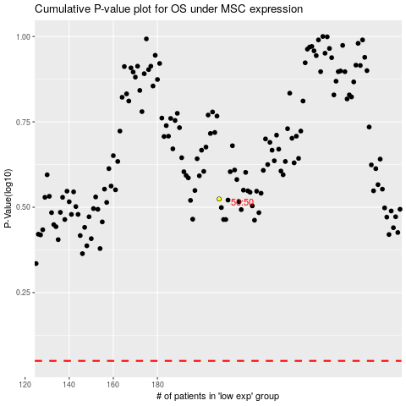

 |  |  |  |  |  | cases_OS | p_OS | rank | exp
 |  |  |  |  |  |  | cases_RFS | p_RFS | rank | exp

