MSH3 _multivariate
Reported by Tex Li-Hsing Chi. tex@gate.sinica.edu.tw 2019-08-17

Table 2. The clinicopathological features of HNSCC cohort and MSH3 expression. (Chi square test)
Cutoff at 0.053 (61.8%)
 |  | MSH3 expression |  | MSH3 expression |  | (Optimised)
 | Features | Low | (%) | High | (%) | Case no | P-value | Remark | Matthews
Gender | Female | 195 | 47 | 111 | 26.7 | 415 | 0.1879 | 0 | 0
2 | Male | 61 | 14.7 | 48 | 11.6
Age at diagnosis | <=65y | 173 | 41.7 | 101 | 24.3 | 415 | 0.4584 | 0 | 0
4 | >65y | 83 | 20 | 58 | 14
Clinical T Status | T1+T2 | 84 | 20.2 | 65 | 15.7 | 415 | 0.1187 | 0 | 0
6 | T3+T4 | 172 | 41.4 | 94 | 22.7
Clinical N Status | N0 | 129 | 31.1 | 87 | 21 | 415 | 0.4493 | 0 | 0
8 | N1-3 | 127 | 30.6 | 72 | 17.3
Clinical M Status | M0 | 254 | 61.2 | 158 | 38.1 | 415 | 1 | 0 | 0
10 | M1 | 2 | 0.5 | 1 | 0.2
Clinical Stage | Stage I+II | 62 | 14.9 | 40 | 9.6 | 415 | 0.9214 | 0 | 0
12 | Stage III+IV | 194 | 46.7 | 119 | 28.7
Surgical Margin status | Negative | 199 | 48 | 119 | 28.7 | 415 | 0.5511 | 0 | 0
14 | Positive | 57 | 13.7 | 40 | 9.6
Tobacco Exposure | Low | 93 | 22.4 | 68 | 16.4 | 415 | 0.214 | 0 | 0
16 | High | 163 | 39.3 | 91 | 21.9

Table 3. Univariate/Multivariate Cox's proportional hazards regression analyses on OS time of MSH3 gene expression in HNSCC

 |  | Univariate |  |  |  | Multivariate
 | Features | HR | CI95%(L) | CI95%(H) | P-value | HR | CI95%(L) | CI95%(H) | P-value
1 | Female | 1 |  |  |  | 1
Gender | Male | 1.157 | 0.843 | 1.587 | 0.367 | 1.222 | 0.874 | 1.709 | 0.242
11 | <=65y | 1 |  |  |  | 1
Age at diagnosis | >65y | 1.329 | 0.99 | 1.784 | 0.058 | 1.387 | 1.021 | 1.886 | 0.037
12 | T1+T2 | 1 |  |  |  | 1
Clinical T Status | T3+T4 | 1.409 | 1.028 | 1.931 | 0.033 | 2.061 | 1.083 | 3.922 | 0.028
13 | N0 | 1 |  |  |  | 1
Clinical N Status | N1-3 | 1.185 | 0.89 | 1.577 | 0.246 | 1.216 | 0.851 | 1.738 | 0.282
14 | M0 | 1 |  |  |  | 1
Clinical M Status | M1 | 4.097 | 1.009 | 16.644 | 0.049 | 8.63 | 1.875 | 39.726 | 0.006
15 | Stage I+II | 1 |  |  |  | 1
Clinical Stage | Stage III+IV | 1.245 | 0.882 | 1.759 | 0.213 | 0.533 | 0.247 | 1.15 | 0.109
16 | Negative | 1 |  |  |  | 1
Surgical Margin status | Positive | 1.591 | 1.155 | 2.191 | 0.004 | 1.678 | 1.215 | 2.319 | 0.002
17 | Low | 1 |  |  |  | 1
Tobacco Exposure | High | 1.364 | 1.008 | 1.844 | 0.044 | 1.423 | 1.032 | 1.96 | 0.031
18 | Low | 1 |  |  |  | 1
RNAseq(z-score) | High | 0.735 | 0.542 | 0.997 | 0.048 | 0.79 | 0.578 | 1.079 | 0.138

Table 4. Univariate/Multivariate Cox's proportional hazards regression analyses on RFS time of MSH3 gene expression in HNSCC

 |  | Univariate |  |  |  | Multivariate
 | Features | HR | CI95%(L) | CI95%(H) | P-value | HR | CI95%(L) | CI95%(H) | P-value
1 | Female | 1 |  |  |  | 1
Gender | Male | 1.157 | 0.843 | 1.587 | 0.367 | 1.222 | 0.874 | 1.709 | 0.242
11 | <=65y | 1 |  |  |  | 1
Age at diagnosis | >65y | 1.329 | 0.99 | 1.784 | 0.058 | 1.387 | 1.021 | 1.886 | 0.037
12 | T1+T2 | 1 |  |  |  | 1
Clinical T Status | T3+T4 | 1.409 | 1.028 | 1.931 | 0.033 | 2.061 | 1.083 | 3.922 | 0.028
13 | N0 | 1 |  |  |  | 1
Clinical N Status | N1-3 | 1.185 | 0.89 | 1.577 | 0.246 | 1.216 | 0.851 | 1.738 | 0.282
14 | M0 | 1 |  |  |  | 1
Clinical M Status | M1 | 4.097 | 1.009 | 16.644 | 0.049 | 8.63 | 1.875 | 39.726 | 0.006
15 | Stage I+II | 1 |  |  |  | 1
Clinical Stage | Stage III+IV | 1.245 | 0.882 | 1.759 | 0.213 | 0.533 | 0.247 | 1.15 | 0.109
16 | Negative | 1 |  |  |  | 1
Surgical Margin status | Positive | 1.591 | 1.155 | 2.191 | 0.004 | 1.678 | 1.215 | 2.319 | 0.002
17 | Low | 1 |  |  |  | 1
Tobacco Exposure | High | 1.364 | 1.008 | 1.844 | 0.044 | 1.423 | 1.032 | 1.96 | 0.031
18 | Low | 1 |  |  |  | 1
RNAseq(z-score) | High | 0.735 | 0.542 | 0.997 | 0.048 | 0.79 | 0.578 | 1.079 | 0.138

Kaplan-Meier survival estimate: Cutoff at 0.053 (61.8%)



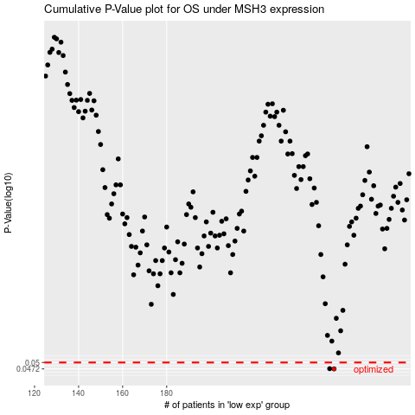

 |  |  |  |  |  | cases_OS | p_OS | rank | exp
 |  |  |  |  |  | 256 | 0.0472 | 219 | 0.052566245537
 |  |  |  |  |  | 254 | 0.0473 | 45 | 0.037498349983
 |  |  |  |  |  |  | cases_RFS | p_RFS | rank | exp
 |  |  |  |  |  |  | 255 | 0.0472 | 117 | 0.043428025887
 |  |  |  |  |  |  | 253 | 0.0473 | 79 | 0.029699764627

