MSI1 _multivariate
Reported by Tex Li-Hsing Chi. tex@gate.sinica.edu.tw 2019-08-17

Table 2. The clinicopathological features of HNSCC cohort and MSI1 expression. (Chi square test)
Cutoff at -0.415 (49.8%)
 |  | MSI1 expression |  | MSI1 expression |  | (Optimised)
 | Features | Low | (%) | High | (%) | Case no | P-value | Remark | Matthews
Gender | Female | 144 | 34.7 | 162 | 39 | 415 | 0.0697 | 0 | 0
2 | Male | 63 | 15.2 | 46 | 11.1
Age at diagnosis | <=65y | 138 | 33.3 | 136 | 32.8 | 415 | 0.8634 | 0 | 0
4 | >65y | 69 | 16.6 | 72 | 17.3
Clinical T Status | T1+T2 | 86 | 20.7 | 63 | 15.2 | 415 | 0.0221 | 1 | 0
6 | T3+T4 | 121 | 29.2 | 145 | 34.9
Clinical N Status | N0 | 99 | 23.9 | 117 | 28.2 | 415 | 0.1054 | 0 | 0
8 | N1-3 | 108 | 26 | 91 | 21.9
Clinical M Status | M0 | 205 | 49.4 | 207 | 49.9 | 415 | 0.6232 | 0 | 0
10 | M1 | 2 | 0.5 | 1 | 0.2
Clinical Stage | Stage I+II | 57 | 13.7 | 45 | 10.8 | 415 | 0.1998 | 0 | 0
12 | Stage III+IV | 150 | 36.1 | 163 | 39.3
Surgical Margin status | Negative | 159 | 38.3 | 159 | 38.3 | 415 | 1 | 0 | 0
14 | Positive | 48 | 11.6 | 49 | 11.8
Tobacco Exposure | Low | 97 | 23.4 | 64 | 15.4 | 415 | 9e-04 | 1 | 0
16 | High | 110 | 26.5 | 144 | 34.7

Table 3. Univariate/Multivariate Cox's proportional hazards regression analyses on OS time of MSI1 gene expression in HNSCC

 |  | Univariate |  |  |  | Multivariate
 | Features | HR | CI95%(L) | CI95%(H) | P-value | HR | CI95%(L) | CI95%(H) | P-value
1 | Female | 1 |  |  |  | 1
Gender | Male | 1.157 | 0.843 | 1.587 | 0.367 | 1.205 | 0.862 | 1.685 | 0.276
11 | <=65y | 1 |  |  |  | 1
Age at diagnosis | >65y | 1.329 | 0.99 | 1.784 | 0.058 | 1.391 | 1.023 | 1.891 | 0.035
12 | T1+T2 | 1 |  |  |  | 1
Clinical T Status | T3+T4 | 1.409 | 1.028 | 1.931 | 0.033 | 2.197 | 1.162 | 4.155 | 0.016
13 | N0 | 1 |  |  |  | 1
Clinical N Status | N1-3 | 1.185 | 0.89 | 1.577 | 0.246 | 1.249 | 0.871 | 1.792 | 0.227
14 | M0 | 1 |  |  |  | 1
Clinical M Status | M1 | 4.097 | 1.009 | 16.644 | 0.049 | 9.468 | 2.063 | 43.454 | 0.004
15 | Stage I+II | 1 |  |  |  | 1
Clinical Stage | Stage III+IV | 1.245 | 0.882 | 1.759 | 0.213 | 0.502 | 0.233 | 1.079 | 0.077
16 | Negative | 1 |  |  |  | 1
Surgical Margin status | Positive | 1.591 | 1.155 | 2.191 | 0.004 | 1.673 | 1.211 | 2.311 | 0.002
17 | Low | 1 |  |  |  | 1
Tobacco Exposure | High | 1.364 | 1.008 | 1.844 | 0.044 | 1.444 | 1.043 | 2 | 0.027
18 | Low | 1 |  |  |  | 1
RNAseq(z-score) | High | 1.079 | 0.808 | 1.441 | 0.607 | 1.033 | 0.761 | 1.401 | 0.836

Table 4. Univariate/Multivariate Cox's proportional hazards regression analyses on RFS time of MSI1 gene expression in HNSCC

 |  | Univariate |  |  |  | Multivariate
 | Features | HR | CI95%(L) | CI95%(H) | P-value | HR | CI95%(L) | CI95%(H) | P-value
1 | Female | 1 |  |  |  | 1
Gender | Male | 1.157 | 0.843 | 1.587 | 0.367 | 1.205 | 0.862 | 1.685 | 0.276
11 | <=65y | 1 |  |  |  | 1
Age at diagnosis | >65y | 1.329 | 0.99 | 1.784 | 0.058 | 1.391 | 1.023 | 1.891 | 0.035
12 | T1+T2 | 1 |  |  |  | 1
Clinical T Status | T3+T4 | 1.409 | 1.028 | 1.931 | 0.033 | 2.197 | 1.162 | 4.155 | 0.016
13 | N0 | 1 |  |  |  | 1
Clinical N Status | N1-3 | 1.185 | 0.89 | 1.577 | 0.246 | 1.249 | 0.871 | 1.792 | 0.227
14 | M0 | 1 |  |  |  | 1
Clinical M Status | M1 | 4.097 | 1.009 | 16.644 | 0.049 | 9.468 | 2.063 | 43.454 | 0.004
15 | Stage I+II | 1 |  |  |  | 1
Clinical Stage | Stage III+IV | 1.245 | 0.882 | 1.759 | 0.213 | 0.502 | 0.233 | 1.079 | 0.077
16 | Negative | 1 |  |  |  | 1
Surgical Margin status | Positive | 1.591 | 1.155 | 2.191 | 0.004 | 1.673 | 1.211 | 2.311 | 0.002
17 | Low | 1 |  |  |  | 1
Tobacco Exposure | High | 1.364 | 1.008 | 1.844 | 0.044 | 1.444 | 1.043 | 2 | 0.027
18 | Low | 1 |  |  |  | 1
RNAseq(z-score) | High | 1.079 | 0.808 | 1.441 | 0.607 | 1.033 | 0.761 | 1.401 | 0.836

Kaplan-Meier survival estimate: Cutoff at -0.415 (49.8%)



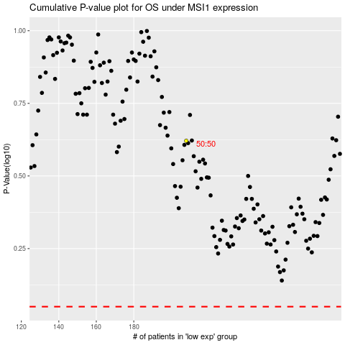

 |  |  |  |  |  | cases_OS | p_OS | rank | exp
 |  |  |  |  |  |  | cases_RFS | p_RFS | rank | exp

