MSL1 _multivariate
Reported by Tex Li-Hsing Chi. tex@gate.sinica.edu.tw 2019-08-17

Table 2. The clinicopathological features of HNSCC cohort and MSL1 expression. (Chi square test)
Cutoff at -0.088 (50.0%)
 |  | MSL1 expression |  | MSL1 expression |  | (Optimised)
 | Features | Low | (%) | High | (%) | Case no | P-value | Remark | Matthews
Gender | Female | 139 | 33.5 | 167 | 40.2 | 415 | 0.0034 | 1 | 0
2 | Male | 68 | 16.4 | 41 | 9.9
Age at diagnosis | <=65y | 135 | 32.5 | 139 | 33.5 | 415 | 0.8084 | 0 | 0
4 | >65y | 72 | 17.3 | 69 | 16.6
Clinical T Status | T1+T2 | 87 | 21 | 62 | 14.9 | 415 | 0.0127 | 1 | 0
6 | T3+T4 | 120 | 28.9 | 146 | 35.2
Clinical N Status | N0 | 120 | 28.9 | 96 | 23.1 | 415 | 0.0208 | 1 | 0
8 | N1-3 | 87 | 21 | 112 | 27
Clinical M Status | M0 | 206 | 49.6 | 206 | 49.6 | 415 | 1 | 0 | 0
10 | M1 | 1 | 0.2 | 2 | 0.5
Clinical Stage | Stage I+II | 62 | 14.9 | 40 | 9.6 | 415 | 0.0154 | 1 | 0
12 | Stage III+IV | 145 | 34.9 | 168 | 40.5
Surgical Margin status | Negative | 160 | 38.6 | 158 | 38.1 | 415 | 0.8167 | 0 | 0
14 | Positive | 47 | 11.3 | 50 | 12
Tobacco Exposure | Low | 97 | 23.4 | 64 | 15.4 | 415 | 9e-04 | 1 | 0
16 | High | 110 | 26.5 | 144 | 34.7

Table 3. Univariate/Multivariate Cox's proportional hazards regression analyses on OS time of MSL1 gene expression in HNSCC

 |  | Univariate |  |  |  | Multivariate
 | Features | HR | CI95%(L) | CI95%(H) | P-value | HR | CI95%(L) | CI95%(H) | P-value
1 | Female | 1 |  |  |  | 1
Gender | Male | 1.157 | 0.843 | 1.587 | 0.367 | 1.181 | 0.842 | 1.657 | 0.336
11 | <=65y | 1 |  |  |  | 1
Age at diagnosis | >65y | 1.329 | 0.99 | 1.784 | 0.058 | 1.401 | 1.03 | 1.907 | 0.032
12 | T1+T2 | 1 |  |  |  | 1
Clinical T Status | T3+T4 | 1.409 | 1.028 | 1.931 | 0.033 | 2.209 | 1.169 | 4.177 | 0.015
13 | N0 | 1 |  |  |  | 1
Clinical N Status | N1-3 | 1.185 | 0.89 | 1.577 | 0.246 | 1.248 | 0.874 | 1.781 | 0.223
14 | M0 | 1 |  |  |  | 1
Clinical M Status | M1 | 4.097 | 1.009 | 16.644 | 0.049 | 9.416 | 2.054 | 43.159 | 0.004
15 | Stage I+II | 1 |  |  |  | 1
Clinical Stage | Stage III+IV | 1.245 | 0.882 | 1.759 | 0.213 | 0.513 | 0.239 | 1.104 | 0.088
16 | Negative | 1 |  |  |  | 1
Surgical Margin status | Positive | 1.591 | 1.155 | 2.191 | 0.004 | 1.668 | 1.207 | 2.304 | 0.002
17 | Low | 1 |  |  |  | 1
Tobacco Exposure | High | 1.364 | 1.008 | 1.844 | 0.044 | 1.482 | 1.069 | 2.056 | 0.018
18 | Low | 1 |  |  |  | 1
RNAseq(z-score) | High | 0.996 | 0.748 | 1.327 | 0.978 | 0.906 | 0.666 | 1.233 | 0.53

Table 4. Univariate/Multivariate Cox's proportional hazards regression analyses on RFS time of MSL1 gene expression in HNSCC

 |  | Univariate |  |  |  | Multivariate
 | Features | HR | CI95%(L) | CI95%(H) | P-value | HR | CI95%(L) | CI95%(H) | P-value
1 | Female | 1 |  |  |  | 1
Gender | Male | 1.157 | 0.843 | 1.587 | 0.367 | 1.181 | 0.842 | 1.657 | 0.336
11 | <=65y | 1 |  |  |  | 1
Age at diagnosis | >65y | 1.329 | 0.99 | 1.784 | 0.058 | 1.401 | 1.03 | 1.907 | 0.032
12 | T1+T2 | 1 |  |  |  | 1
Clinical T Status | T3+T4 | 1.409 | 1.028 | 1.931 | 0.033 | 2.209 | 1.169 | 4.177 | 0.015
13 | N0 | 1 |  |  |  | 1
Clinical N Status | N1-3 | 1.185 | 0.89 | 1.577 | 0.246 | 1.248 | 0.874 | 1.781 | 0.223
14 | M0 | 1 |  |  |  | 1
Clinical M Status | M1 | 4.097 | 1.009 | 16.644 | 0.049 | 9.416 | 2.054 | 43.159 | 0.004
15 | Stage I+II | 1 |  |  |  | 1
Clinical Stage | Stage III+IV | 1.245 | 0.882 | 1.759 | 0.213 | 0.513 | 0.239 | 1.104 | 0.088
16 | Negative | 1 |  |  |  | 1
Surgical Margin status | Positive | 1.591 | 1.155 | 2.191 | 0.004 | 1.668 | 1.207 | 2.304 | 0.002
17 | Low | 1 |  |  |  | 1
Tobacco Exposure | High | 1.364 | 1.008 | 1.844 | 0.044 | 1.482 | 1.069 | 2.056 | 0.018
18 | Low | 1 |  |  |  | 1
RNAseq(z-score) | High | 0.996 | 0.748 | 1.327 | 0.978 | 0.906 | 0.666 | 1.233 | 0.53

Kaplan-Meier survival estimate: Cutoff at -0.088 (50.0%)



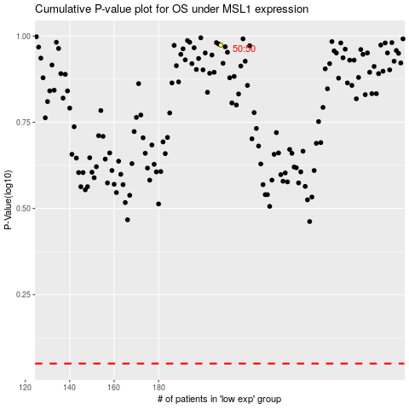

 |  |  |  |  |  | cases_OS | p_OS | rank | exp
 |  |  |  |  |  |  | cases_RFS | p_RFS | rank | exp

