MSN _multivariate
Reported by Tex Li-Hsing Chi. tex@gate.sinica.edu.tw 2019-08-17

Table 2. The clinicopathological features of HNSCC cohort and MSN expression. (Chi square test)
Cutoff at 0.053 (50.0%)
 |  | MSN expression |  | MSN expression |  | (Optimised)
 | Features | Low | (%) | High | (%) | Case no | P-value | Remark | Matthews
Gender | Female | 167 | 40.2 | 139 | 33.5 | 415 | 0.002 | 1 | 0
2 | Male | 40 | 9.6 | 69 | 16.6
Age at diagnosis | <=65y | 137 | 33 | 137 | 33 | 415 | 1 | 0 | 0
4 | >65y | 70 | 16.9 | 71 | 17.1
Clinical T Status | T1+T2 | 68 | 16.4 | 81 | 19.5 | 415 | 0.2336 | 0 | 0
6 | T3+T4 | 139 | 33.5 | 127 | 30.6
Clinical N Status | N0 | 106 | 25.5 | 110 | 26.5 | 415 | 0.8075 | 0 | 0
8 | N1-3 | 101 | 24.3 | 98 | 23.6
Clinical M Status | M0 | 206 | 49.6 | 206 | 49.6 | 415 | 1 | 0 | 0
10 | M1 | 1 | 0.2 | 2 | 0.5
Clinical Stage | Stage I+II | 41 | 9.9 | 61 | 14.7 | 415 | 0.0325 | 1 | 0
12 | Stage III+IV | 166 | 40 | 147 | 35.4
Surgical Margin status | Negative | 154 | 37.1 | 164 | 39.5 | 415 | 0.2984 | 0 | 0
14 | Positive | 53 | 12.8 | 44 | 10.6
Tobacco Exposure | Low | 72 | 17.3 | 89 | 21.4 | 415 | 0.1071 | 0 | 0
16 | High | 135 | 32.5 | 119 | 28.7

Table 3. Univariate/Multivariate Cox's proportional hazards regression analyses on OS time of MSN gene expression in HNSCC

 |  | Univariate |  |  |  | Multivariate
 | Features | HR | CI95%(L) | CI95%(H) | P-value | HR | CI95%(L) | CI95%(H) | P-value
1 | Female | 1 |  |  |  | 1
Gender | Male | 1.157 | 0.843 | 1.587 | 0.367 | 1.185 | 0.847 | 1.657 | 0.323
11 | <=65y | 1 |  |  |  | 1
Age at diagnosis | >65y | 1.329 | 0.99 | 1.784 | 0.058 | 1.396 | 1.027 | 1.899 | 0.033
12 | T1+T2 | 1 |  |  |  | 1
Clinical T Status | T3+T4 | 1.409 | 1.028 | 1.931 | 0.033 | 2.175 | 1.15 | 4.116 | 0.017
13 | N0 | 1 |  |  |  | 1
Clinical N Status | N1-3 | 1.185 | 0.89 | 1.577 | 0.246 | 1.235 | 0.866 | 1.762 | 0.243
14 | M0 | 1 |  |  |  | 1
Clinical M Status | M1 | 4.097 | 1.009 | 16.644 | 0.049 | 8.969 | 1.948 | 41.302 | 0.005
15 | Stage I+II | 1 |  |  |  | 1
Clinical Stage | Stage III+IV | 1.245 | 0.882 | 1.759 | 0.213 | 0.521 | 0.241 | 1.122 | 0.096
16 | Negative | 1 |  |  |  | 1
Surgical Margin status | Positive | 1.591 | 1.155 | 2.191 | 0.004 | 1.686 | 1.219 | 2.332 | 0.002
17 | Low | 1 |  |  |  | 1
Tobacco Exposure | High | 1.364 | 1.008 | 1.844 | 0.044 | 1.468 | 1.064 | 2.026 | 0.02
18 | Low | 1 |  |  |  | 1
RNAseq(z-score) | High | 1.082 | 0.812 | 1.443 | 0.589 | 1.123 | 0.836 | 1.509 | 0.441

Table 4. Univariate/Multivariate Cox's proportional hazards regression analyses on RFS time of MSN gene expression in HNSCC

 |  | Univariate |  |  |  | Multivariate
 | Features | HR | CI95%(L) | CI95%(H) | P-value | HR | CI95%(L) | CI95%(H) | P-value
1 | Female | 1 |  |  |  | 1
Gender | Male | 1.157 | 0.843 | 1.587 | 0.367 | 1.185 | 0.847 | 1.657 | 0.323
11 | <=65y | 1 |  |  |  | 1
Age at diagnosis | >65y | 1.329 | 0.99 | 1.784 | 0.058 | 1.396 | 1.027 | 1.899 | 0.033
12 | T1+T2 | 1 |  |  |  | 1
Clinical T Status | T3+T4 | 1.409 | 1.028 | 1.931 | 0.033 | 2.175 | 1.15 | 4.116 | 0.017
13 | N0 | 1 |  |  |  | 1
Clinical N Status | N1-3 | 1.185 | 0.89 | 1.577 | 0.246 | 1.235 | 0.866 | 1.762 | 0.243
14 | M0 | 1 |  |  |  | 1
Clinical M Status | M1 | 4.097 | 1.009 | 16.644 | 0.049 | 8.969 | 1.948 | 41.302 | 0.005
15 | Stage I+II | 1 |  |  |  | 1
Clinical Stage | Stage III+IV | 1.245 | 0.882 | 1.759 | 0.213 | 0.521 | 0.241 | 1.122 | 0.096
16 | Negative | 1 |  |  |  | 1
Surgical Margin status | Positive | 1.591 | 1.155 | 2.191 | 0.004 | 1.686 | 1.219 | 2.332 | 0.002
17 | Low | 1 |  |  |  | 1
Tobacco Exposure | High | 1.364 | 1.008 | 1.844 | 0.044 | 1.468 | 1.064 | 2.026 | 0.02
18 | Low | 1 |  |  |  | 1
RNAseq(z-score) | High | 1.082 | 0.812 | 1.443 | 0.589 | 1.123 | 0.836 | 1.509 | 0.441

Kaplan-Meier survival estimate: Cutoff at 0.053 (50.0%)



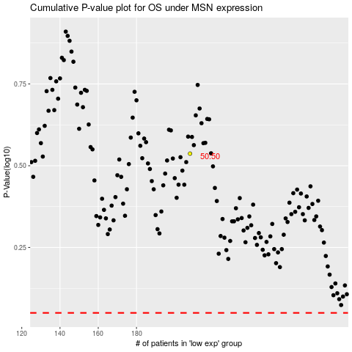

 |  |  |  |  |  | cases_OS | p_OS | rank | exp
 |  |  |  |  |  |  | cases_RFS | p_RFS | rank | exp

