MSRA _multivariate
Reported by Tex Li-Hsing Chi. tex@gate.sinica.edu.tw 2019-08-17

Table 2. The clinicopathological features of HNSCC cohort and MSRA expression. (Chi square test)
Cutoff at -0.381 (49.8%)
 |  | MSRA expression |  | MSRA expression |  | (Optimised)
 | Features | Low | (%) | High | (%) | Case no | P-value | Remark | Matthews
Gender | Female | 152 | 36.6 | 154 | 37.1 | 415 | 0.9766 | 0 | 0
2 | Male | 55 | 13.3 | 54 | 13
Age at diagnosis | <=65y | 136 | 32.8 | 138 | 33.3 | 415 | 0.9719 | 0 | 0
4 | >65y | 71 | 17.1 | 70 | 16.9
Clinical T Status | T1+T2 | 65 | 15.7 | 84 | 20.2 | 415 | 0.0711 | 0 | 0
6 | T3+T4 | 142 | 34.2 | 124 | 29.9
Clinical N Status | N0 | 108 | 26 | 108 | 26 | 415 | 1 | 0 | 0
8 | N1-3 | 99 | 23.9 | 100 | 24.1
Clinical M Status | M0 | 205 | 49.4 | 207 | 49.9 | 415 | 0.6232 | 0 | 0
10 | M1 | 2 | 0.5 | 1 | 0.2
Clinical Stage | Stage I+II | 46 | 11.1 | 56 | 13.5 | 415 | 0.3182 | 0 | 0
12 | Stage III+IV | 161 | 38.8 | 152 | 36.6
Surgical Margin status | Negative | 164 | 39.5 | 154 | 37.1 | 415 | 0.2462 | 0 | 0
14 | Positive | 43 | 10.4 | 54 | 13
Tobacco Exposure | Low | 75 | 18.1 | 86 | 20.7 | 415 | 0.3141 | 0 | 0
16 | High | 132 | 31.8 | 122 | 29.4

Table 3. Univariate/Multivariate Cox's proportional hazards regression analyses on OS time of MSRA gene expression in HNSCC

 |  | Univariate |  |  |  | Multivariate
 | Features | HR | CI95%(L) | CI95%(H) | P-value | HR | CI95%(L) | CI95%(H) | P-value
1 | Female | 1 |  |  |  | 1
Gender | Male | 1.157 | 0.843 | 1.587 | 0.367 | 1.2 | 0.859 | 1.678 | 0.285
11 | <=65y | 1 |  |  |  | 1
Age at diagnosis | >65y | 1.329 | 0.99 | 1.784 | 0.058 | 1.399 | 1.028 | 1.903 | 0.033
12 | T1+T2 | 1 |  |  |  | 1
Clinical T Status | T3+T4 | 1.409 | 1.028 | 1.931 | 0.033 | 2.169 | 1.146 | 4.107 | 0.017
13 | N0 | 1 |  |  |  | 1
Clinical N Status | N1-3 | 1.185 | 0.89 | 1.577 | 0.246 | 1.245 | 0.872 | 1.777 | 0.228
14 | M0 | 1 |  |  |  | 1
Clinical M Status | M1 | 4.097 | 1.009 | 16.644 | 0.049 | 9.207 | 2.006 | 42.249 | 0.004
15 | Stage I+II | 1 |  |  |  | 1
Clinical Stage | Stage III+IV | 1.245 | 0.882 | 1.759 | 0.213 | 0.508 | 0.236 | 1.091 | 0.082
16 | Negative | 1 |  |  |  | 1
Surgical Margin status | Positive | 1.591 | 1.155 | 2.191 | 0.004 | 1.685 | 1.218 | 2.331 | 0.002
17 | Low | 1 |  |  |  | 1
Tobacco Exposure | High | 1.364 | 1.008 | 1.844 | 0.044 | 1.442 | 1.046 | 1.99 | 0.026
18 | Low | 1 |  |  |  | 1
RNAseq(z-score) | High | 0.885 | 0.664 | 1.178 | 0.402 | 0.901 | 0.674 | 1.204 | 0.482

Table 4. Univariate/Multivariate Cox's proportional hazards regression analyses on RFS time of MSRA gene expression in HNSCC

 |  | Univariate |  |  |  | Multivariate
 | Features | HR | CI95%(L) | CI95%(H) | P-value | HR | CI95%(L) | CI95%(H) | P-value
1 | Female | 1 |  |  |  | 1
Gender | Male | 1.157 | 0.843 | 1.587 | 0.367 | 1.2 | 0.859 | 1.678 | 0.285
11 | <=65y | 1 |  |  |  | 1
Age at diagnosis | >65y | 1.329 | 0.99 | 1.784 | 0.058 | 1.399 | 1.028 | 1.903 | 0.033
12 | T1+T2 | 1 |  |  |  | 1
Clinical T Status | T3+T4 | 1.409 | 1.028 | 1.931 | 0.033 | 2.169 | 1.146 | 4.107 | 0.017
13 | N0 | 1 |  |  |  | 1
Clinical N Status | N1-3 | 1.185 | 0.89 | 1.577 | 0.246 | 1.245 | 0.872 | 1.777 | 0.228
14 | M0 | 1 |  |  |  | 1
Clinical M Status | M1 | 4.097 | 1.009 | 16.644 | 0.049 | 9.207 | 2.006 | 42.249 | 0.004
15 | Stage I+II | 1 |  |  |  | 1
Clinical Stage | Stage III+IV | 1.245 | 0.882 | 1.759 | 0.213 | 0.508 | 0.236 | 1.091 | 0.082
16 | Negative | 1 |  |  |  | 1
Surgical Margin status | Positive | 1.591 | 1.155 | 2.191 | 0.004 | 1.685 | 1.218 | 2.331 | 0.002
17 | Low | 1 |  |  |  | 1
Tobacco Exposure | High | 1.364 | 1.008 | 1.844 | 0.044 | 1.442 | 1.046 | 1.99 | 0.026
18 | Low | 1 |  |  |  | 1
RNAseq(z-score) | High | 0.885 | 0.664 | 1.178 | 0.402 | 0.901 | 0.674 | 1.204 | 0.482

Kaplan-Meier survival estimate: Cutoff at -0.381 (49.8%)



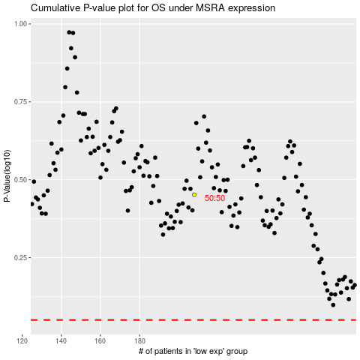

 |  |  |  |  |  | cases_OS | p_OS | rank | exp
 |  |  |  |  |  |  | cases_RFS | p_RFS | rank | exp

