MSRB2 _multivariate
Reported by Tex Li-Hsing Chi. tex@gate.sinica.edu.tw 2019-08-17

Table 2. The clinicopathological features of HNSCC cohort and MSRB2 expression. (Chi square test)
Cutoff at -0.272 (50.0%)
 |  | MSRB2 expression |  | MSRB2 expression |  | (Optimised)
 | Features | Low | (%) | High | (%) | Case no | P-value | Remark | Matthews
Gender | Female | 165 | 39.8 | 141 | 34 | 415 | 0.0081 | 1 | 0
2 | Male | 42 | 10.1 | 67 | 16.1
Age at diagnosis | <=65y | 140 | 33.7 | 134 | 32.3 | 415 | 0.5574 | 0 | 0
4 | >65y | 67 | 16.1 | 74 | 17.8
Clinical T Status | T1+T2 | 76 | 18.3 | 73 | 17.6 | 415 | 0.8092 | 0 | 0
6 | T3+T4 | 131 | 31.6 | 135 | 32.5
Clinical N Status | N0 | 101 | 24.3 | 115 | 27.7 | 415 | 0.2201 | 0 | 0
8 | N1-3 | 106 | 25.5 | 93 | 22.4
Clinical M Status | M0 | 206 | 49.6 | 206 | 49.6 | 415 | 1 | 0 | 0
10 | M1 | 1 | 0.2 | 2 | 0.5
Clinical Stage | Stage I+II | 48 | 11.6 | 54 | 13 | 415 | 0.5878 | 0 | 0
12 | Stage III+IV | 159 | 38.3 | 154 | 37.1
Surgical Margin status | Negative | 160 | 38.6 | 158 | 38.1 | 415 | 0.8167 | 0 | 0
14 | Positive | 47 | 11.3 | 50 | 12
Tobacco Exposure | Low | 72 | 17.3 | 89 | 21.4 | 415 | 0.1071 | 0 | 0
16 | High | 135 | 32.5 | 119 | 28.7

Table 3. Univariate/Multivariate Cox's proportional hazards regression analyses on OS time of MSRB2 gene expression in HNSCC

 |  | Univariate |  |  |  | Multivariate
 | Features | HR | CI95%(L) | CI95%(H) | P-value | HR | CI95%(L) | CI95%(H) | P-value
1 | Female | 1 |  |  |  | 1
Gender | Male | 1.157 | 0.843 | 1.587 | 0.367 | 1.201 | 0.855 | 1.685 | 0.29
11 | <=65y | 1 |  |  |  | 1
Age at diagnosis | >65y | 1.329 | 0.99 | 1.784 | 0.058 | 1.391 | 1.023 | 1.892 | 0.035
12 | T1+T2 | 1 |  |  |  | 1
Clinical T Status | T3+T4 | 1.409 | 1.028 | 1.931 | 0.033 | 2.201 | 1.162 | 4.167 | 0.015
13 | N0 | 1 |  |  |  | 1
Clinical N Status | N1-3 | 1.185 | 0.89 | 1.577 | 0.246 | 1.241 | 0.87 | 1.771 | 0.234
14 | M0 | 1 |  |  |  | 1
Clinical M Status | M1 | 4.097 | 1.009 | 16.644 | 0.049 | 9.385 | 2.031 | 43.365 | 0.004
15 | Stage I+II | 1 |  |  |  | 1
Clinical Stage | Stage III+IV | 1.245 | 0.882 | 1.759 | 0.213 | 0.505 | 0.235 | 1.086 | 0.08
16 | Negative | 1 |  |  |  | 1
Surgical Margin status | Positive | 1.591 | 1.155 | 2.191 | 0.004 | 1.671 | 1.209 | 2.31 | 0.002
17 | Low | 1 |  |  |  | 1
Tobacco Exposure | High | 1.364 | 1.008 | 1.844 | 0.044 | 1.453 | 1.054 | 2.003 | 0.023
18 | Low | 1 |  |  |  | 1
RNAseq(z-score) | High | 1.089 | 0.817 | 1.452 | 0.559 | 1.004 | 0.748 | 1.349 | 0.977

Table 4. Univariate/Multivariate Cox's proportional hazards regression analyses on RFS time of MSRB2 gene expression in HNSCC

 |  | Univariate |  |  |  | Multivariate
 | Features | HR | CI95%(L) | CI95%(H) | P-value | HR | CI95%(L) | CI95%(H) | P-value
1 | Female | 1 |  |  |  | 1
Gender | Male | 1.157 | 0.843 | 1.587 | 0.367 | 1.201 | 0.855 | 1.685 | 0.29
11 | <=65y | 1 |  |  |  | 1
Age at diagnosis | >65y | 1.329 | 0.99 | 1.784 | 0.058 | 1.391 | 1.023 | 1.892 | 0.035
12 | T1+T2 | 1 |  |  |  | 1
Clinical T Status | T3+T4 | 1.409 | 1.028 | 1.931 | 0.033 | 2.201 | 1.162 | 4.167 | 0.015
13 | N0 | 1 |  |  |  | 1
Clinical N Status | N1-3 | 1.185 | 0.89 | 1.577 | 0.246 | 1.241 | 0.87 | 1.771 | 0.234
14 | M0 | 1 |  |  |  | 1
Clinical M Status | M1 | 4.097 | 1.009 | 16.644 | 0.049 | 9.385 | 2.031 | 43.365 | 0.004
15 | Stage I+II | 1 |  |  |  | 1
Clinical Stage | Stage III+IV | 1.245 | 0.882 | 1.759 | 0.213 | 0.505 | 0.235 | 1.086 | 0.08
16 | Negative | 1 |  |  |  | 1
Surgical Margin status | Positive | 1.591 | 1.155 | 2.191 | 0.004 | 1.671 | 1.209 | 2.31 | 0.002
17 | Low | 1 |  |  |  | 1
Tobacco Exposure | High | 1.364 | 1.008 | 1.844 | 0.044 | 1.453 | 1.054 | 2.003 | 0.023
18 | Low | 1 |  |  |  | 1
RNAseq(z-score) | High | 1.089 | 0.817 | 1.452 | 0.559 | 1.004 | 0.748 | 1.349 | 0.977

Kaplan-Meier survival estimate: Cutoff at -0.272 (50.0%)



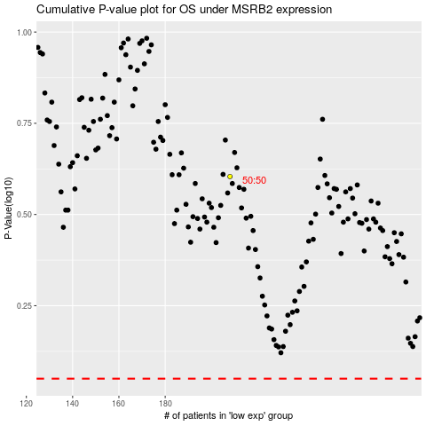

 |  |  |  |  |  | cases_OS | p_OS | rank | exp
 |  |  |  |  |  |  | cases_RFS | p_RFS | rank | exp

