MST4 _multivariate
Reported by Tex Li-Hsing Chi. tex@gate.sinica.edu.tw 2019-08-17

Table 2. The clinicopathological features of HNSCC cohort and MST4 expression. (Chi square test)
Cutoff at -0.141 (49.8%)
 |  | MST4 expression |  | MST4 expression |  | (Optimised)
 | Features | Low | (%) | High | (%) | Case no | P-value | Remark | Matthews
Gender | Female | 147 | 35.4 | 159 | 38.3 | 415 | 0.2523 | 0 | 0
2 | Male | 60 | 14.5 | 49 | 11.8
Age at diagnosis | <=65y | 131 | 31.6 | 143 | 34.5 | 415 | 0.2839 | 0 | 0
4 | >65y | 76 | 18.3 | 65 | 15.7
Clinical T Status | T1+T2 | 80 | 19.3 | 69 | 16.6 | 415 | 0.2891 | 0 | 0
6 | T3+T4 | 127 | 30.6 | 139 | 33.5
Clinical N Status | N0 | 107 | 25.8 | 109 | 26.3 | 415 | 0.9624 | 0 | 0
8 | N1-3 | 100 | 24.1 | 99 | 23.9
Clinical M Status | M0 | 205 | 49.4 | 207 | 49.9 | 415 | 0.6232 | 0 | 0
10 | M1 | 2 | 0.5 | 1 | 0.2
Clinical Stage | Stage I+II | 56 | 13.5 | 46 | 11.1 | 415 | 0.2918 | 0 | 0
12 | Stage III+IV | 151 | 36.4 | 162 | 39
Surgical Margin status | Negative | 163 | 39.3 | 155 | 37.3 | 415 | 0.3537 | 0 | 0
14 | Positive | 44 | 10.6 | 53 | 12.8
Tobacco Exposure | Low | 86 | 20.7 | 75 | 18.1 | 415 | 0.2687 | 0 | 0
16 | High | 121 | 29.2 | 133 | 32

Table 3. Univariate/Multivariate Cox's proportional hazards regression analyses on OS time of MST4 gene expression in HNSCC

 |  | Univariate |  |  |  | Multivariate
 | Features | HR | CI95%(L) | CI95%(H) | P-value | HR | CI95%(L) | CI95%(H) | P-value
1 | Female | 1 |  |  |  | 1
Gender | Male | 1.157 | 0.843 | 1.587 | 0.367 | 1.215 | 0.87 | 1.697 | 0.253
11 | <=65y | 1 |  |  |  | 1
Age at diagnosis | >65y | 1.329 | 0.99 | 1.784 | 0.058 | 1.425 | 1.045 | 1.942 | 0.025
12 | T1+T2 | 1 |  |  |  | 1
Clinical T Status | T3+T4 | 1.409 | 1.028 | 1.931 | 0.033 | 2.236 | 1.182 | 4.229 | 0.013
13 | N0 | 1 |  |  |  | 1
Clinical N Status | N1-3 | 1.185 | 0.89 | 1.577 | 0.246 | 1.268 | 0.887 | 1.813 | 0.193
14 | M0 | 1 |  |  |  | 1
Clinical M Status | M1 | 4.097 | 1.009 | 16.644 | 0.049 | 10.097 | 2.192 | 46.511 | 0.003
15 | Stage I+II | 1 |  |  |  | 1
Clinical Stage | Stage III+IV | 1.245 | 0.882 | 1.759 | 0.213 | 0.484 | 0.225 | 1.042 | 0.063
16 | Negative | 1 |  |  |  | 1
Surgical Margin status | Positive | 1.591 | 1.155 | 2.191 | 0.004 | 1.67 | 1.209 | 2.309 | 0.002
17 | Low | 1 |  |  |  | 1
Tobacco Exposure | High | 1.364 | 1.008 | 1.844 | 0.044 | 1.441 | 1.046 | 1.986 | 0.025
18 | Low | 1 |  |  |  | 1
RNAseq(z-score) | High | 1.125 | 0.844 | 1.5 | 0.421 | 1.192 | 0.888 | 1.601 | 0.243

Table 4. Univariate/Multivariate Cox's proportional hazards regression analyses on RFS time of MST4 gene expression in HNSCC

 |  | Univariate |  |  |  | Multivariate
 | Features | HR | CI95%(L) | CI95%(H) | P-value | HR | CI95%(L) | CI95%(H) | P-value
1 | Female | 1 |  |  |  | 1
Gender | Male | 1.157 | 0.843 | 1.587 | 0.367 | 1.215 | 0.87 | 1.697 | 0.253
11 | <=65y | 1 |  |  |  | 1
Age at diagnosis | >65y | 1.329 | 0.99 | 1.784 | 0.058 | 1.425 | 1.045 | 1.942 | 0.025
12 | T1+T2 | 1 |  |  |  | 1
Clinical T Status | T3+T4 | 1.409 | 1.028 | 1.931 | 0.033 | 2.236 | 1.182 | 4.229 | 0.013
13 | N0 | 1 |  |  |  | 1
Clinical N Status | N1-3 | 1.185 | 0.89 | 1.577 | 0.246 | 1.268 | 0.887 | 1.813 | 0.193
14 | M0 | 1 |  |  |  | 1
Clinical M Status | M1 | 4.097 | 1.009 | 16.644 | 0.049 | 10.097 | 2.192 | 46.511 | 0.003
15 | Stage I+II | 1 |  |  |  | 1
Clinical Stage | Stage III+IV | 1.245 | 0.882 | 1.759 | 0.213 | 0.484 | 0.225 | 1.042 | 0.063
16 | Negative | 1 |  |  |  | 1
Surgical Margin status | Positive | 1.591 | 1.155 | 2.191 | 0.004 | 1.67 | 1.209 | 2.309 | 0.002
17 | Low | 1 |  |  |  | 1
Tobacco Exposure | High | 1.364 | 1.008 | 1.844 | 0.044 | 1.441 | 1.046 | 1.986 | 0.025
18 | Low | 1 |  |  |  | 1
RNAseq(z-score) | High | 1.125 | 0.844 | 1.5 | 0.421 | 1.192 | 0.888 | 1.601 | 0.243

Kaplan-Meier survival estimate: Cutoff at -0.141 (49.8%)



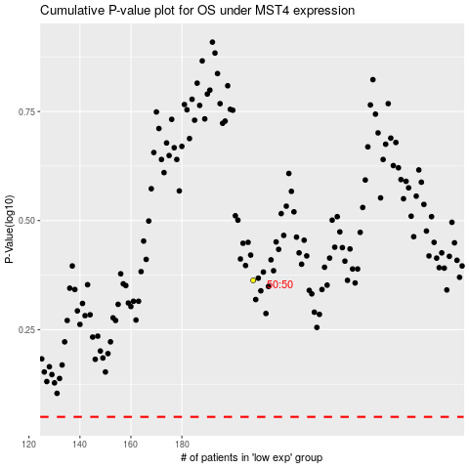

 |  |  |  |  |  | cases_OS | p_OS | rank | exp
 |  |  |  |  |  |  | cases_RFS | p_RFS | rank | exp

