MSX1 _multivariate
Reported by Tex Li-Hsing Chi. tex@gate.sinica.edu.tw 2019-08-17

Table 2. The clinicopathological features of HNSCC cohort and MSX1 expression. (Chi square test)
Cutoff at -0.177 (49.8%)
 |  | MSX1 expression |  | MSX1 expression |  | (Optimised)
 | Features | Low | (%) | High | (%) | Case no | P-value | Remark | Matthews
Gender | Female | 150 | 36.1 | 156 | 37.6 | 415 | 0.6344 | 0 | 0
2 | Male | 57 | 13.7 | 52 | 12.5
Age at diagnosis | <=65y | 143 | 34.5 | 131 | 31.6 | 415 | 0.2269 | 0 | 0
4 | >65y | 64 | 15.4 | 77 | 18.6
Clinical T Status | T1+T2 | 76 | 18.3 | 73 | 17.6 | 415 | 0.8092 | 0 | 0
6 | T3+T4 | 131 | 31.6 | 135 | 32.5
Clinical N Status | N0 | 101 | 24.3 | 115 | 27.7 | 415 | 0.2201 | 0 | 0
8 | N1-3 | 106 | 25.5 | 93 | 22.4
Clinical M Status | M0 | 204 | 49.2 | 208 | 50.1 | 415 | 0.1232 | 0 | 0
10 | M1 | 3 | 0.7 | 0 | 0
Clinical Stage | Stage I+II | 48 | 11.6 | 54 | 13 | 415 | 0.5878 | 0 | 0
12 | Stage III+IV | 159 | 38.3 | 154 | 37.1
Surgical Margin status | Negative | 163 | 39.3 | 155 | 37.3 | 415 | 0.3537 | 0 | 0
14 | Positive | 44 | 10.6 | 53 | 12.8
Tobacco Exposure | Low | 87 | 21 | 74 | 17.8 | 415 | 0.1911 | 0 | 0
16 | High | 120 | 28.9 | 134 | 32.3

Table 3. Univariate/Multivariate Cox's proportional hazards regression analyses on OS time of MSX1 gene expression in HNSCC

 |  | Univariate |  |  |  | Multivariate
 | Features | HR | CI95%(L) | CI95%(H) | P-value | HR | CI95%(L) | CI95%(H) | P-value
1 | Female | 1 |  |  |  | 1
Gender | Male | 1.157 | 0.843 | 1.587 | 0.367 | 1.201 | 0.86 | 1.678 | 0.282
11 | <=65y | 1 |  |  |  | 1
Age at diagnosis | >65y | 1.329 | 0.99 | 1.784 | 0.058 | 1.393 | 1.024 | 1.896 | 0.035
12 | T1+T2 | 1 |  |  |  | 1
Clinical T Status | T3+T4 | 1.409 | 1.028 | 1.931 | 0.033 | 2.206 | 1.165 | 4.176 | 0.015
13 | N0 | 1 |  |  |  | 1
Clinical N Status | N1-3 | 1.185 | 0.89 | 1.577 | 0.246 | 1.241 | 0.869 | 1.77 | 0.235
14 | M0 | 1 |  |  |  | 1
Clinical M Status | M1 | 4.097 | 1.009 | 16.644 | 0.049 | 9.375 | 2.039 | 43.102 | 0.004
15 | Stage I+II | 1 |  |  |  | 1
Clinical Stage | Stage III+IV | 1.245 | 0.882 | 1.759 | 0.213 | 0.503 | 0.234 | 1.084 | 0.079
16 | Negative | 1 |  |  |  | 1
Surgical Margin status | Positive | 1.591 | 1.155 | 2.191 | 0.004 | 1.674 | 1.209 | 2.318 | 0.002
17 | Low | 1 |  |  |  | 1
Tobacco Exposure | High | 1.364 | 1.008 | 1.844 | 0.044 | 1.455 | 1.054 | 2.009 | 0.023
18 | Low | 1 |  |  |  | 1
RNAseq(z-score) | High | 1.063 | 0.798 | 1.416 | 0.675 | 0.99 | 0.737 | 1.328 | 0.945

Table 4. Univariate/Multivariate Cox's proportional hazards regression analyses on RFS time of MSX1 gene expression in HNSCC

 |  | Univariate |  |  |  | Multivariate
 | Features | HR | CI95%(L) | CI95%(H) | P-value | HR | CI95%(L) | CI95%(H) | P-value
1 | Female | 1 |  |  |  | 1
Gender | Male | 1.157 | 0.843 | 1.587 | 0.367 | 1.201 | 0.86 | 1.678 | 0.282
11 | <=65y | 1 |  |  |  | 1
Age at diagnosis | >65y | 1.329 | 0.99 | 1.784 | 0.058 | 1.393 | 1.024 | 1.896 | 0.035
12 | T1+T2 | 1 |  |  |  | 1
Clinical T Status | T3+T4 | 1.409 | 1.028 | 1.931 | 0.033 | 2.206 | 1.165 | 4.176 | 0.015
13 | N0 | 1 |  |  |  | 1
Clinical N Status | N1-3 | 1.185 | 0.89 | 1.577 | 0.246 | 1.241 | 0.869 | 1.77 | 0.235
14 | M0 | 1 |  |  |  | 1
Clinical M Status | M1 | 4.097 | 1.009 | 16.644 | 0.049 | 9.375 | 2.039 | 43.102 | 0.004
15 | Stage I+II | 1 |  |  |  | 1
Clinical Stage | Stage III+IV | 1.245 | 0.882 | 1.759 | 0.213 | 0.503 | 0.234 | 1.084 | 0.079
16 | Negative | 1 |  |  |  | 1
Surgical Margin status | Positive | 1.591 | 1.155 | 2.191 | 0.004 | 1.674 | 1.209 | 2.318 | 0.002
17 | Low | 1 |  |  |  | 1
Tobacco Exposure | High | 1.364 | 1.008 | 1.844 | 0.044 | 1.455 | 1.054 | 2.009 | 0.023
18 | Low | 1 |  |  |  | 1
RNAseq(z-score) | High | 1.063 | 0.798 | 1.416 | 0.675 | 0.99 | 0.737 | 1.328 | 0.945

Kaplan-Meier survival estimate: Cutoff at -0.177 (49.8%)



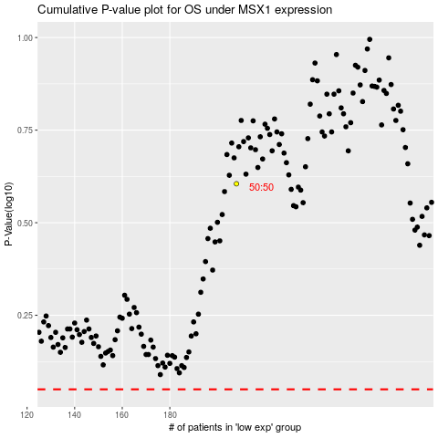

 |  |  |  |  |  | cases_OS | p_OS | rank | exp
 |  |  |  |  |  |  | cases_RFS | p_RFS | rank | exp

