MSX2 _multivariate
Reported by Tex Li-Hsing Chi. tex@gate.sinica.edu.tw 2019-08-17

Table 2. The clinicopathological features of HNSCC cohort and MSX2 expression. (Chi square test)
Cutoff at -0.132 (49.8%)
 |  | MSX2 expression |  | MSX2 expression |  | (Optimised)
 | Features | Low | (%) | High | (%) | Case no | P-value | Remark | Matthews
Gender | Female | 157 | 37.8 | 149 | 35.9 | 415 | 0.3881 | 0 | 0
2 | Male | 50 | 12 | 59 | 14.2
Age at diagnosis | <=65y | 140 | 33.7 | 134 | 32.3 | 415 | 0.5574 | 0 | 0
4 | >65y | 67 | 16.1 | 74 | 17.8
Clinical T Status | T1+T2 | 74 | 17.8 | 75 | 18.1 | 415 | 1 | 0 | 0
6 | T3+T4 | 133 | 32 | 133 | 32
Clinical N Status | N0 | 100 | 24.1 | 116 | 28 | 415 | 0.1548 | 0 | 0
8 | N1-3 | 107 | 25.8 | 92 | 22.2
Clinical M Status | M0 | 206 | 49.6 | 206 | 49.6 | 415 | 1 | 0 | 0
10 | M1 | 1 | 0.2 | 2 | 0.5
Clinical Stage | Stage I+II | 49 | 11.8 | 53 | 12.8 | 415 | 0.7535 | 0 | 0
12 | Stage III+IV | 158 | 38.1 | 155 | 37.3
Surgical Margin status | Negative | 155 | 37.3 | 163 | 39.3 | 415 | 0.4187 | 0 | 0
14 | Positive | 52 | 12.5 | 45 | 10.8
Tobacco Exposure | Low | 79 | 19 | 82 | 19.8 | 415 | 0.8405 | 0 | 0
16 | High | 128 | 30.8 | 126 | 30.4

Table 3. Univariate/Multivariate Cox's proportional hazards regression analyses on OS time of MSX2 gene expression in HNSCC

 |  | Univariate |  |  |  | Multivariate
 | Features | HR | CI95%(L) | CI95%(H) | P-value | HR | CI95%(L) | CI95%(H) | P-value
1 | Female | 1 |  |  |  | 1
Gender | Male | 1.157 | 0.843 | 1.587 | 0.367 | 1.235 | 0.88 | 1.733 | 0.222
11 | <=65y | 1 |  |  |  | 1
Age at diagnosis | >65y | 1.329 | 0.99 | 1.784 | 0.058 | 1.398 | 1.029 | 1.901 | 0.032
12 | T1+T2 | 1 |  |  |  | 1
Clinical T Status | T3+T4 | 1.409 | 1.028 | 1.931 | 0.033 | 2.214 | 1.171 | 4.187 | 0.014
13 | N0 | 1 |  |  |  | 1
Clinical N Status | N1-3 | 1.185 | 0.89 | 1.577 | 0.246 | 1.227 | 0.859 | 1.753 | 0.26
14 | M0 | 1 |  |  |  | 1
Clinical M Status | M1 | 4.097 | 1.009 | 16.644 | 0.049 | 10.047 | 2.181 | 46.297 | 0.003
15 | Stage I+II | 1 |  |  |  | 1
Clinical Stage | Stage III+IV | 1.245 | 0.882 | 1.759 | 0.213 | 0.5 | 0.233 | 1.073 | 0.075
16 | Negative | 1 |  |  |  | 1
Surgical Margin status | Positive | 1.591 | 1.155 | 2.191 | 0.004 | 1.675 | 1.212 | 2.315 | 0.002
17 | Low | 1 |  |  |  | 1
Tobacco Exposure | High | 1.364 | 1.008 | 1.844 | 0.044 | 1.45 | 1.052 | 1.998 | 0.023
18 | Low | 1 |  |  |  | 1
RNAseq(z-score) | High | 0.876 | 0.657 | 1.167 | 0.364 | 0.852 | 0.636 | 1.142 | 0.284

Table 4. Univariate/Multivariate Cox's proportional hazards regression analyses on RFS time of MSX2 gene expression in HNSCC

 |  | Univariate |  |  |  | Multivariate
 | Features | HR | CI95%(L) | CI95%(H) | P-value | HR | CI95%(L) | CI95%(H) | P-value
1 | Female | 1 |  |  |  | 1
Gender | Male | 1.157 | 0.843 | 1.587 | 0.367 | 1.235 | 0.88 | 1.733 | 0.222
11 | <=65y | 1 |  |  |  | 1
Age at diagnosis | >65y | 1.329 | 0.99 | 1.784 | 0.058 | 1.398 | 1.029 | 1.901 | 0.032
12 | T1+T2 | 1 |  |  |  | 1
Clinical T Status | T3+T4 | 1.409 | 1.028 | 1.931 | 0.033 | 2.214 | 1.171 | 4.187 | 0.014
13 | N0 | 1 |  |  |  | 1
Clinical N Status | N1-3 | 1.185 | 0.89 | 1.577 | 0.246 | 1.227 | 0.859 | 1.753 | 0.26
14 | M0 | 1 |  |  |  | 1
Clinical M Status | M1 | 4.097 | 1.009 | 16.644 | 0.049 | 10.047 | 2.181 | 46.297 | 0.003
15 | Stage I+II | 1 |  |  |  | 1
Clinical Stage | Stage III+IV | 1.245 | 0.882 | 1.759 | 0.213 | 0.5 | 0.233 | 1.073 | 0.075
16 | Negative | 1 |  |  |  | 1
Surgical Margin status | Positive | 1.591 | 1.155 | 2.191 | 0.004 | 1.675 | 1.212 | 2.315 | 0.002
17 | Low | 1 |  |  |  | 1
Tobacco Exposure | High | 1.364 | 1.008 | 1.844 | 0.044 | 1.45 | 1.052 | 1.998 | 0.023
18 | Low | 1 |  |  |  | 1
RNAseq(z-score) | High | 0.876 | 0.657 | 1.167 | 0.364 | 0.852 | 0.636 | 1.142 | 0.284

Kaplan-Meier survival estimate: Cutoff at -0.132 (49.8%)



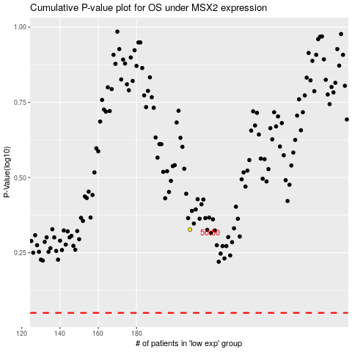

 |  |  |  |  |  | cases_OS | p_OS | rank | exp
 |  |  |  |  |  |  | cases_RFS | p_RFS | rank | exp

