MT1G _multivariate
Reported by Tex Li-Hsing Chi. tex@gate.sinica.edu.tw 2019-08-17

Table 2. The clinicopathological features of HNSCC cohort and MT1G expression. (Chi square test)
Cutoff at -0.252 (64.0%)
 |  | MT1G expression |  | MT1G expression |  | (Optimised)
 | Features | Low | (%) | High | (%) | Case no | P-value | Remark | Matthews
Gender | Female | 198 | 47.7 | 108 | 26 | 415 | 0.7509 | 0 | 0
2 | Male | 68 | 16.4 | 41 | 9.9
Age at diagnosis | <=65y | 184 | 44.3 | 90 | 21.7 | 415 | 0.0888 | 0 | 0
4 | >65y | 82 | 19.8 | 59 | 14.2
Clinical T Status | T1+T2 | 96 | 23.1 | 53 | 12.8 | 415 | 1 | 0 | 0
6 | T3+T4 | 170 | 41 | 96 | 23.1
Clinical N Status | N0 | 140 | 33.7 | 76 | 18.3 | 415 | 0.8294 | 0 | 0
8 | N1-3 | 126 | 30.4 | 73 | 17.6
Clinical M Status | M0 | 263 | 63.4 | 149 | 35.9 | 415 | 0.5559 | 0 | 0
10 | M1 | 3 | 0.7 | 0 | 0
Clinical Stage | Stage I+II | 65 | 15.7 | 37 | 8.9 | 415 | 1 | 0 | 0
12 | Stage III+IV | 201 | 48.4 | 112 | 27
Surgical Margin status | Negative | 203 | 48.9 | 115 | 27.7 | 415 | 0.904 | 0 | 0
14 | Positive | 63 | 15.2 | 34 | 8.2
Tobacco Exposure | Low | 103 | 24.8 | 58 | 14 | 415 | 1 | 0 | 0
16 | High | 163 | 39.3 | 91 | 21.9

Table 3. Univariate/Multivariate Cox's proportional hazards regression analyses on OS time of MT1G gene expression in HNSCC

 |  | Univariate |  |  |  | Multivariate
 | Features | HR | CI95%(L) | CI95%(H) | P-value | HR | CI95%(L) | CI95%(H) | P-value
1 | Female | 1 |  |  |  | 1
Gender | Male | 1.157 | 0.843 | 1.587 | 0.367 | 1.166 | 0.833 | 1.633 | 0.371
11 | <=65y | 1 |  |  |  | 1
Age at diagnosis | >65y | 1.329 | 0.99 | 1.784 | 0.058 | 1.401 | 1.03 | 1.906 | 0.032
12 | T1+T2 | 1 |  |  |  | 1
Clinical T Status | T3+T4 | 1.409 | 1.028 | 1.931 | 0.033 | 2.217 | 1.173 | 4.188 | 0.014
13 | N0 | 1 |  |  |  | 1
Clinical N Status | N1-3 | 1.185 | 0.89 | 1.577 | 0.246 | 1.233 | 0.864 | 1.762 | 0.248
14 | M0 | 1 |  |  |  | 1
Clinical M Status | M1 | 4.097 | 1.009 | 16.644 | 0.049 | 10.787 | 2.341 | 49.703 | 0.002
15 | Stage I+II | 1 |  |  |  | 1
Clinical Stage | Stage III+IV | 1.245 | 0.882 | 1.759 | 0.213 | 0.497 | 0.232 | 1.067 | 0.073
16 | Negative | 1 |  |  |  | 1
Surgical Margin status | Positive | 1.591 | 1.155 | 2.191 | 0.004 | 1.628 | 1.178 | 2.25 | 0.003
17 | Low | 1 |  |  |  | 1
Tobacco Exposure | High | 1.364 | 1.008 | 1.844 | 0.044 | 1.397 | 1.013 | 1.926 | 0.042
18 | Low | 1 |  |  |  | 1
RNAseq(z-score) | High | 1.499 | 1.116 | 2.013 | 0.007 | 1.424 | 1.057 | 1.92 | 0.02

Table 4. Univariate/Multivariate Cox's proportional hazards regression analyses on RFS time of MT1G gene expression in HNSCC

 |  | Univariate |  |  |  | Multivariate
 | Features | HR | CI95%(L) | CI95%(H) | P-value | HR | CI95%(L) | CI95%(H) | P-value
1 | Female | 1 |  |  |  | 1
Gender | Male | 1.157 | 0.843 | 1.587 | 0.367 | 1.166 | 0.833 | 1.633 | 0.371
11 | <=65y | 1 |  |  |  | 1
Age at diagnosis | >65y | 1.329 | 0.99 | 1.784 | 0.058 | 1.401 | 1.03 | 1.906 | 0.032
12 | T1+T2 | 1 |  |  |  | 1
Clinical T Status | T3+T4 | 1.409 | 1.028 | 1.931 | 0.033 | 2.217 | 1.173 | 4.188 | 0.014
13 | N0 | 1 |  |  |  | 1
Clinical N Status | N1-3 | 1.185 | 0.89 | 1.577 | 0.246 | 1.233 | 0.864 | 1.762 | 0.248
14 | M0 | 1 |  |  |  | 1
Clinical M Status | M1 | 4.097 | 1.009 | 16.644 | 0.049 | 10.787 | 2.341 | 49.703 | 0.002
15 | Stage I+II | 1 |  |  |  | 1
Clinical Stage | Stage III+IV | 1.245 | 0.882 | 1.759 | 0.213 | 0.497 | 0.232 | 1.067 | 0.073
16 | Negative | 1 |  |  |  | 1
Surgical Margin status | Positive | 1.591 | 1.155 | 2.191 | 0.004 | 1.628 | 1.178 | 2.25 | 0.003
17 | Low | 1 |  |  |  | 1
Tobacco Exposure | High | 1.364 | 1.008 | 1.844 | 0.044 | 1.397 | 1.013 | 1.926 | 0.042
18 | Low | 1 |  |  |  | 1
RNAseq(z-score) | High | 1.499 | 1.116 | 2.013 | 0.007 | 1.424 | 1.057 | 1.92 | 0.02

Kaplan-Meier survival estimate: Cutoff at -0.252 (64.0%)

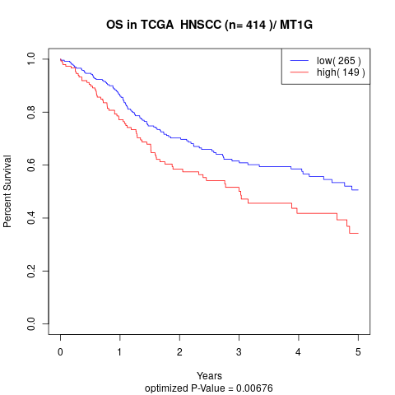

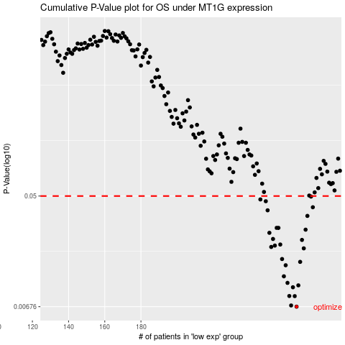

 |  |  |  |  |  | cases_OS | p_OS | rank | exp
 |  |  |  |  |  | 266 | 0.00676 | 114 | -0.25221481816
 |  |  |  |  |  | 263 | 0.00691 | 117 | -0.26588528043
 |  |  |  |  |  | 265 | 0.00818 | 294 | -0.25487852604
 |  |  |  |  |  | 262 | 0.0082 | 353 | -0.26599983866
 |  |  |  |  |  | 264 | 0.0096 | 386 | -0.26574826879
 |  |  |  |  |  | 267 | 0.00994 | 115 | -0.25191513384
 |  |  |  |  |  | 261 | 0.0104 | 407 | -0.27089834842
 |  |  |  |  |  | 259 | 0.0117 | 82 | -0.27302134147
 |  |  |  |  |  | 260 | 0.0143 | 49 | -0.27092675886
 |  |  |  |  |  | 268 | 0.0152 | 21 | -0.24044831362
 |  |  |  |  |  | 258 | 0.016 | 166 | -0.27425994501
 |  |  |  |  |  | 270 | 0.0194 | 133 | -0.23637645602
 |  |  |  |  |  | 252 | 0.0199 | 55 | -0.28808483177
 |  |  |  |  |  | 254 | 0.0204 | 97 | -0.28396944204
 |  |  |  |  |  | 257 | 0.0208 | 42 | -0.27555720236
 |  |  |  |  |  | 269 | 0.0226 | 408 | -0.23938704621
 |  |  |  |  |  | 253 | 0.023 | 147 | -0.28584361463
 |  |  |  |  |  | 251 | 0.0257 | 59 | -0.28934038993
 |  |  |  |  |  | 271 | 0.0272 | 77 | -0.21562033834
 |  |  |  |  |  | 256 | 0.0281 | 193 | -0.27936328488
 |  |  |  |  |  | 255 | 0.0281 | 333 | -0.28288801239
 |  |  |  |  |  | 272 | 0.0349 | 155 | -0.20739414122
 |  |  |  |  |  | 250 | 0.0386 | 231 | -0.29091258703
 |  |  |  |  |  | 275 | 0.0408 | 1 | -0.19365723518
 |  |  |  |  |  | 249 | 0.0455 | 171 | -0.2924385026
 |  |  |  |  |  | 246 | 0.047 | 67 | -0.29793867216
 |  |  |  |  |  | 274 | 0.0495 | 288 | -0.19647811695
 |  |  |  |  |  |  | cases_RFS | p_RFS | rank | exp
 |  |  |  |  |  |  | 265 | 0.00676 | 294 | -0.25487852604
 |  |  |  |  |  |  | 262 | 0.00691 | 353 | -0.26599983866
 |  |  |  |  |  |  | 264 | 0.00818 | 386 | -0.26574826879
 |  |  |  |  |  |  | 261 | 0.0082 | 407 | -0.27089834842
 |  |  |  |  |  |  | 263 | 0.0096 | 117 | -0.26588528043
 |  |  |  |  |  |  | 266 | 0.00994 | 114 | -0.25221481816
 |  |  |  |  |  |  | 260 | 0.0104 | 49 | -0.27092675886
 |  |  |  |  |  |  | 258 | 0.0117 | 166 | -0.27425994501
 |  |  |  |  |  |  | 259 | 0.0143 | 82 | -0.27302134147
 |  |  |  |  |  |  | 267 | 0.0152 | 115 | -0.25191513384
 |  |  |  |  |  |  | 257 | 0.016 | 42 | -0.27555720236
 |  |  |  |  |  |  | 269 | 0.0194 | 408 | -0.23938704621
 |  |  |  |  |  |  | 251 | 0.0199 | 59 | -0.28934038993
 |  |  |  |  |  |  | 253 | 0.0204 | 147 | -0.28584361463
 |  |  |  |  |  |  | 256 | 0.0208 | 193 | -0.27936328488
 |  |  |  |  |  |  | 268 | 0.0226 | 21 | -0.24044831362
 |  |  |  |  |  |  | 252 | 0.023 | 55 | -0.28808483177
 |  |  |  |  |  |  | 250 | 0.0257 | 231 | -0.29091258703
 |  |  |  |  |  |  | 270 | 0.0272 | 133 | -0.23637645602
 |  |  |  |  |  |  | 254 | 0.0281 | 97 | -0.28396944204
 |  |  |  |  |  |  | 255 | 0.0281 | 333 | -0.28288801239
 |  |  |  |  |  |  | 271 | 0.0349 | 77 | -0.21562033834
 |  |  |  |  |  |  | 249 | 0.0386 | 171 | -0.2924385026
 |  |  |  |  |  |  | 274 | 0.0408 | 288 | -0.19647811695
 |  |  |  |  |  |  | 248 | 0.0455 | 47 | -0.29258880299
 |  |  |  |  |  |  | 245 | 0.047 | 205 | -0.29952095039
 |  |  |  |  |  |  | 273 | 0.0495 | 345 | -0.20069752554

