MT3 _multivariate
Reported by Tex Li-Hsing Chi. tex@gate.sinica.edu.tw 2019-08-17

Table 2. The clinicopathological features of HNSCC cohort and MT3 expression. (Chi square test)
Cutoff at -0.251 (50.0%)
 |  | MT3 expression |  | MT3 expression |  | (Optimised)
 | Features | Low | (%) | High | (%) | Case no | P-value | Remark | Matthews
Gender | Female | 146 | 35.2 | 160 | 38.6 | 415 | 0.1714 | 0 | 0
2 | Male | 61 | 14.7 | 48 | 11.6
Age at diagnosis | <=65y | 129 | 31.1 | 145 | 34.9 | 415 | 0.1372 | 0 | 0
4 | >65y | 78 | 18.8 | 63 | 15.2
Clinical T Status | T1+T2 | 62 | 14.9 | 87 | 21 | 415 | 0.0156 | 1 | 0
6 | T3+T4 | 145 | 34.9 | 121 | 29.2
Clinical N Status | N0 | 112 | 27 | 104 | 25.1 | 415 | 0.4599 | 0 | 0
8 | N1-3 | 95 | 22.9 | 104 | 25.1
Clinical M Status | M0 | 206 | 49.6 | 206 | 49.6 | 415 | 1 | 0 | 0
10 | M1 | 1 | 0.2 | 2 | 0.5
Clinical Stage | Stage I+II | 47 | 11.3 | 55 | 13.3 | 415 | 0.4413 | 0 | 0
12 | Stage III+IV | 160 | 38.6 | 153 | 36.9
Surgical Margin status | Negative | 166 | 40 | 152 | 36.6 | 415 | 0.1042 | 0 | 0
14 | Positive | 41 | 9.9 | 56 | 13.5
Tobacco Exposure | Low | 91 | 21.9 | 70 | 16.9 | 415 | 0.0346 | 1 | 0
16 | High | 116 | 28 | 138 | 33.3

Table 3. Univariate/Multivariate Cox's proportional hazards regression analyses on OS time of MT3 gene expression in HNSCC

 |  | Univariate |  |  |  | Multivariate
 | Features | HR | CI95%(L) | CI95%(H) | P-value | HR | CI95%(L) | CI95%(H) | P-value
1 | Female | 1 |  |  |  | 1
Gender | Male | 1.157 | 0.843 | 1.587 | 0.367 | 1.216 | 0.87 | 1.7 | 0.253
11 | <=65y | 1 |  |  |  | 1
Age at diagnosis | >65y | 1.329 | 0.99 | 1.784 | 0.058 | 1.393 | 1.025 | 1.893 | 0.034
12 | T1+T2 | 1 |  |  |  | 1
Clinical T Status | T3+T4 | 1.409 | 1.028 | 1.931 | 0.033 | 2.246 | 1.185 | 4.256 | 0.013
13 | N0 | 1 |  |  |  | 1
Clinical N Status | N1-3 | 1.185 | 0.89 | 1.577 | 0.246 | 1.234 | 0.865 | 1.76 | 0.247
14 | M0 | 1 |  |  |  | 1
Clinical M Status | M1 | 4.097 | 1.009 | 16.644 | 0.049 | 9.532 | 2.079 | 43.713 | 0.004
15 | Stage I+II | 1 |  |  |  | 1
Clinical Stage | Stage III+IV | 1.245 | 0.882 | 1.759 | 0.213 | 0.496 | 0.231 | 1.066 | 0.073
16 | Negative | 1 |  |  |  | 1
Surgical Margin status | Positive | 1.591 | 1.155 | 2.191 | 0.004 | 1.664 | 1.204 | 2.301 | 0.002
17 | Low | 1 |  |  |  | 1
Tobacco Exposure | High | 1.364 | 1.008 | 1.844 | 0.044 | 1.445 | 1.048 | 1.991 | 0.025
18 | Low | 1 |  |  |  | 1
RNAseq(z-score) | High | 1.069 | 0.802 | 1.424 | 0.651 | 1.112 | 0.83 | 1.491 | 0.476

Table 4. Univariate/Multivariate Cox's proportional hazards regression analyses on RFS time of MT3 gene expression in HNSCC

 |  | Univariate |  |  |  | Multivariate
 | Features | HR | CI95%(L) | CI95%(H) | P-value | HR | CI95%(L) | CI95%(H) | P-value
1 | Female | 1 |  |  |  | 1
Gender | Male | 1.157 | 0.843 | 1.587 | 0.367 | 1.216 | 0.87 | 1.7 | 0.253
11 | <=65y | 1 |  |  |  | 1
Age at diagnosis | >65y | 1.329 | 0.99 | 1.784 | 0.058 | 1.393 | 1.025 | 1.893 | 0.034
12 | T1+T2 | 1 |  |  |  | 1
Clinical T Status | T3+T4 | 1.409 | 1.028 | 1.931 | 0.033 | 2.246 | 1.185 | 4.256 | 0.013
13 | N0 | 1 |  |  |  | 1
Clinical N Status | N1-3 | 1.185 | 0.89 | 1.577 | 0.246 | 1.234 | 0.865 | 1.76 | 0.247
14 | M0 | 1 |  |  |  | 1
Clinical M Status | M1 | 4.097 | 1.009 | 16.644 | 0.049 | 9.532 | 2.079 | 43.713 | 0.004
15 | Stage I+II | 1 |  |  |  | 1
Clinical Stage | Stage III+IV | 1.245 | 0.882 | 1.759 | 0.213 | 0.496 | 0.231 | 1.066 | 0.073
16 | Negative | 1 |  |  |  | 1
Surgical Margin status | Positive | 1.591 | 1.155 | 2.191 | 0.004 | 1.664 | 1.204 | 2.301 | 0.002
17 | Low | 1 |  |  |  | 1
Tobacco Exposure | High | 1.364 | 1.008 | 1.844 | 0.044 | 1.445 | 1.048 | 1.991 | 0.025
18 | Low | 1 |  |  |  | 1
RNAseq(z-score) | High | 1.069 | 0.802 | 1.424 | 0.651 | 1.112 | 0.83 | 1.491 | 0.476

Kaplan-Meier survival estimate: Cutoff at -0.251 (50.0%)



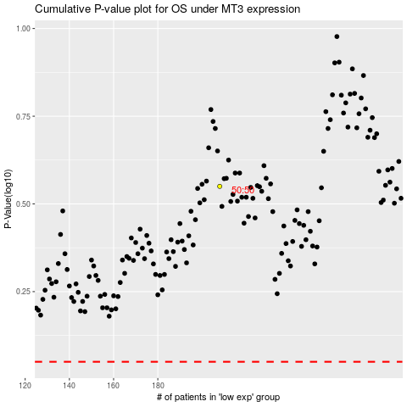

 |  |  |  |  |  | cases_OS | p_OS | rank | exp
 |  |  |  |  |  |  | cases_RFS | p_RFS | rank | exp

