MTA2 _multivariate
Reported by Tex Li-Hsing Chi. tex@gate.sinica.edu.tw 2019-08-17

Table 2. The clinicopathological features of HNSCC cohort and MTA2 expression. (Chi square test)
Cutoff at -0.138 (49.8%)
 |  | MTA2 expression |  | MTA2 expression |  | (Optimised)
 | Features | Low | (%) | High | (%) | Case no | P-value | Remark | Matthews
Gender | Female | 153 | 36.9 | 153 | 36.9 | 415 | 1 | 0 | 0
2 | Male | 54 | 13 | 55 | 13.3
Age at diagnosis | <=65y | 131 | 31.6 | 143 | 34.5 | 415 | 0.2839 | 0 | 0
4 | >65y | 76 | 18.3 | 65 | 15.7
Clinical T Status | T1+T2 | 67 | 16.1 | 82 | 19.8 | 415 | 0.1628 | 0 | 0
6 | T3+T4 | 140 | 33.7 | 126 | 30.4
Clinical N Status | N0 | 108 | 26 | 108 | 26 | 415 | 1 | 0 | 0
8 | N1-3 | 99 | 23.9 | 100 | 24.1
Clinical M Status | M0 | 206 | 49.6 | 206 | 49.6 | 415 | 1 | 0 | 0
10 | M1 | 1 | 0.2 | 2 | 0.5
Clinical Stage | Stage I+II | 50 | 12 | 52 | 12.5 | 415 | 0.9315 | 0 | 0
12 | Stage III+IV | 157 | 37.8 | 156 | 37.6
Surgical Margin status | Negative | 154 | 37.1 | 164 | 39.5 | 415 | 0.2984 | 0 | 0
14 | Positive | 53 | 12.8 | 44 | 10.6
Tobacco Exposure | Low | 86 | 20.7 | 75 | 18.1 | 415 | 0.2687 | 0 | 0
16 | High | 121 | 29.2 | 133 | 32

Table 3. Univariate/Multivariate Cox's proportional hazards regression analyses on OS time of MTA2 gene expression in HNSCC

 |  | Univariate |  |  |  | Multivariate
 | Features | HR | CI95%(L) | CI95%(H) | P-value | HR | CI95%(L) | CI95%(H) | P-value
1 | Female | 1 |  |  |  | 1
Gender | Male | 1.157 | 0.843 | 1.587 | 0.367 | 1.204 | 0.861 | 1.682 | 0.277
11 | <=65y | 1 |  |  |  | 1
Age at diagnosis | >65y | 1.329 | 0.99 | 1.784 | 0.058 | 1.383 | 1.017 | 1.881 | 0.039
12 | T1+T2 | 1 |  |  |  | 1
Clinical T Status | T3+T4 | 1.409 | 1.028 | 1.931 | 0.033 | 2.266 | 1.195 | 4.297 | 0.012
13 | N0 | 1 |  |  |  | 1
Clinical N Status | N1-3 | 1.185 | 0.89 | 1.577 | 0.246 | 1.244 | 0.872 | 1.775 | 0.229
14 | M0 | 1 |  |  |  | 1
Clinical M Status | M1 | 4.097 | 1.009 | 16.644 | 0.049 | 9.289 | 2.025 | 42.608 | 0.004
15 | Stage I+II | 1 |  |  |  | 1
Clinical Stage | Stage III+IV | 1.245 | 0.882 | 1.759 | 0.213 | 0.487 | 0.226 | 1.05 | 0.066
16 | Negative | 1 |  |  |  | 1
Surgical Margin status | Positive | 1.591 | 1.155 | 2.191 | 0.004 | 1.673 | 1.211 | 2.312 | 0.002
17 | Low | 1 |  |  |  | 1
Tobacco Exposure | High | 1.364 | 1.008 | 1.844 | 0.044 | 1.446 | 1.049 | 1.994 | 0.024
18 | Low | 1 |  |  |  | 1
RNAseq(z-score) | High | 1.149 | 0.862 | 1.532 | 0.344 | 1.143 | 0.855 | 1.528 | 0.367

Table 4. Univariate/Multivariate Cox's proportional hazards regression analyses on RFS time of MTA2 gene expression in HNSCC

 |  | Univariate |  |  |  | Multivariate
 | Features | HR | CI95%(L) | CI95%(H) | P-value | HR | CI95%(L) | CI95%(H) | P-value
1 | Female | 1 |  |  |  | 1
Gender | Male | 1.157 | 0.843 | 1.587 | 0.367 | 1.204 | 0.861 | 1.682 | 0.277
11 | <=65y | 1 |  |  |  | 1
Age at diagnosis | >65y | 1.329 | 0.99 | 1.784 | 0.058 | 1.383 | 1.017 | 1.881 | 0.039
12 | T1+T2 | 1 |  |  |  | 1
Clinical T Status | T3+T4 | 1.409 | 1.028 | 1.931 | 0.033 | 2.266 | 1.195 | 4.297 | 0.012
13 | N0 | 1 |  |  |  | 1
Clinical N Status | N1-3 | 1.185 | 0.89 | 1.577 | 0.246 | 1.244 | 0.872 | 1.775 | 0.229
14 | M0 | 1 |  |  |  | 1
Clinical M Status | M1 | 4.097 | 1.009 | 16.644 | 0.049 | 9.289 | 2.025 | 42.608 | 0.004
15 | Stage I+II | 1 |  |  |  | 1
Clinical Stage | Stage III+IV | 1.245 | 0.882 | 1.759 | 0.213 | 0.487 | 0.226 | 1.05 | 0.066
16 | Negative | 1 |  |  |  | 1
Surgical Margin status | Positive | 1.591 | 1.155 | 2.191 | 0.004 | 1.673 | 1.211 | 2.312 | 0.002
17 | Low | 1 |  |  |  | 1
Tobacco Exposure | High | 1.364 | 1.008 | 1.844 | 0.044 | 1.446 | 1.049 | 1.994 | 0.024
18 | Low | 1 |  |  |  | 1
RNAseq(z-score) | High | 1.149 | 0.862 | 1.532 | 0.344 | 1.143 | 0.855 | 1.528 | 0.367

Kaplan-Meier survival estimate: Cutoff at -0.138 (49.8%)



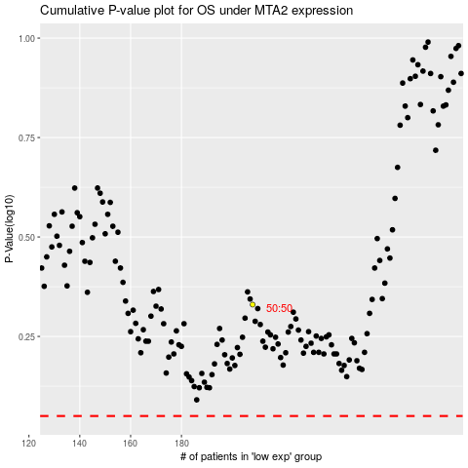

 |  |  |  |  |  | cases_OS | p_OS | rank | exp
 |  |  |  |  |  |  | cases_RFS | p_RFS | rank | exp

