MTA3 _multivariate
Reported by Tex Li-Hsing Chi. tex@gate.sinica.edu.tw 2019-08-17

Table 2. The clinicopathological features of HNSCC cohort and MTA3 expression. (Chi square test)
Cutoff at -0.2 (50.0%)
 |  | MTA3 expression |  | MTA3 expression |  | (Optimised)
 | Features | Low | (%) | High | (%) | Case no | P-value | Remark | Matthews
Gender | Female | 153 | 36.9 | 153 | 36.9 | 415 | 1 | 0 | 0
2 | Male | 54 | 13 | 55 | 13.3
Age at diagnosis | <=65y | 130 | 31.3 | 144 | 34.7 | 415 | 0.2009 | 0 | 0
4 | >65y | 77 | 18.6 | 64 | 15.4
Clinical T Status | T1+T2 | 91 | 21.9 | 58 | 14 | 415 | 9e-04 | 1 | 0
6 | T3+T4 | 116 | 28 | 150 | 36.1
Clinical N Status | N0 | 100 | 24.1 | 116 | 28 | 415 | 0.1548 | 0 | 0
8 | N1-3 | 107 | 25.8 | 92 | 22.2
Clinical M Status | M0 | 206 | 49.6 | 206 | 49.6 | 415 | 1 | 0 | 0
10 | M1 | 1 | 0.2 | 2 | 0.5
Clinical Stage | Stage I+II | 64 | 15.4 | 38 | 9.2 | 415 | 0.004 | 1 | 0
12 | Stage III+IV | 143 | 34.5 | 170 | 41
Surgical Margin status | Negative | 160 | 38.6 | 158 | 38.1 | 415 | 0.8167 | 0 | 0
14 | Positive | 47 | 11.3 | 50 | 12
Tobacco Exposure | Low | 82 | 19.8 | 79 | 19 | 415 | 0.763 | 0 | 0
16 | High | 125 | 30.1 | 129 | 31.1

Table 3. Univariate/Multivariate Cox's proportional hazards regression analyses on OS time of MTA3 gene expression in HNSCC

 |  | Univariate |  |  |  | Multivariate
 | Features | HR | CI95%(L) | CI95%(H) | P-value | HR | CI95%(L) | CI95%(H) | P-value
1 | Female | 1 |  |  |  | 1
Gender | Male | 1.157 | 0.843 | 1.587 | 0.367 | 1.205 | 0.862 | 1.684 | 0.276
11 | <=65y | 1 |  |  |  | 1
Age at diagnosis | >65y | 1.329 | 0.99 | 1.784 | 0.058 | 1.385 | 1.017 | 1.886 | 0.039
12 | T1+T2 | 1 |  |  |  | 1
Clinical T Status | T3+T4 | 1.409 | 1.028 | 1.931 | 0.033 | 2.209 | 1.168 | 4.178 | 0.015
13 | N0 | 1 |  |  |  | 1
Clinical N Status | N1-3 | 1.185 | 0.89 | 1.577 | 0.246 | 1.224 | 0.85 | 1.762 | 0.278
14 | M0 | 1 |  |  |  | 1
Clinical M Status | M1 | 4.097 | 1.009 | 16.644 | 0.049 | 9.609 | 2.086 | 44.269 | 0.004
15 | Stage I+II | 1 |  |  |  | 1
Clinical Stage | Stage III+IV | 1.245 | 0.882 | 1.759 | 0.213 | 0.511 | 0.237 | 1.102 | 0.087
16 | Negative | 1 |  |  |  | 1
Surgical Margin status | Positive | 1.591 | 1.155 | 2.191 | 0.004 | 1.679 | 1.214 | 2.323 | 0.002
17 | Low | 1 |  |  |  | 1
Tobacco Exposure | High | 1.364 | 1.008 | 1.844 | 0.044 | 1.452 | 1.054 | 2.001 | 0.023
18 | Low | 1 |  |  |  | 1
RNAseq(z-score) | High | 0.982 | 0.738 | 1.308 | 0.903 | 0.95 | 0.704 | 1.282 | 0.739

Table 4. Univariate/Multivariate Cox's proportional hazards regression analyses on RFS time of MTA3 gene expression in HNSCC

 |  | Univariate |  |  |  | Multivariate
 | Features | HR | CI95%(L) | CI95%(H) | P-value | HR | CI95%(L) | CI95%(H) | P-value
1 | Female | 1 |  |  |  | 1
Gender | Male | 1.157 | 0.843 | 1.587 | 0.367 | 1.205 | 0.862 | 1.684 | 0.276
11 | <=65y | 1 |  |  |  | 1
Age at diagnosis | >65y | 1.329 | 0.99 | 1.784 | 0.058 | 1.385 | 1.017 | 1.886 | 0.039
12 | T1+T2 | 1 |  |  |  | 1
Clinical T Status | T3+T4 | 1.409 | 1.028 | 1.931 | 0.033 | 2.209 | 1.168 | 4.178 | 0.015
13 | N0 | 1 |  |  |  | 1
Clinical N Status | N1-3 | 1.185 | 0.89 | 1.577 | 0.246 | 1.224 | 0.85 | 1.762 | 0.278
14 | M0 | 1 |  |  |  | 1
Clinical M Status | M1 | 4.097 | 1.009 | 16.644 | 0.049 | 9.609 | 2.086 | 44.269 | 0.004
15 | Stage I+II | 1 |  |  |  | 1
Clinical Stage | Stage III+IV | 1.245 | 0.882 | 1.759 | 0.213 | 0.511 | 0.237 | 1.102 | 0.087
16 | Negative | 1 |  |  |  | 1
Surgical Margin status | Positive | 1.591 | 1.155 | 2.191 | 0.004 | 1.679 | 1.214 | 2.323 | 0.002
17 | Low | 1 |  |  |  | 1
Tobacco Exposure | High | 1.364 | 1.008 | 1.844 | 0.044 | 1.452 | 1.054 | 2.001 | 0.023
18 | Low | 1 |  |  |  | 1
RNAseq(z-score) | High | 0.982 | 0.738 | 1.308 | 0.903 | 0.95 | 0.704 | 1.282 | 0.739

Kaplan-Meier survival estimate: Cutoff at -0.2 (50.0%)



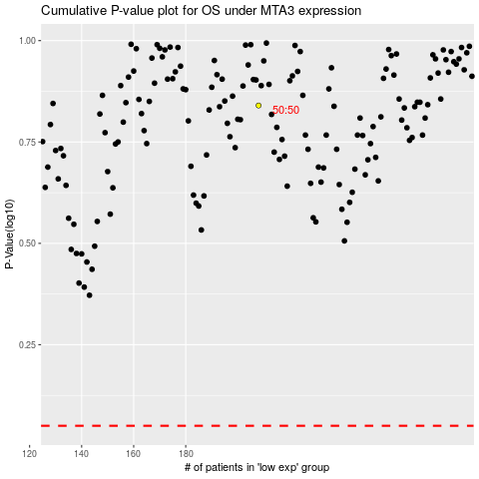

 |  |  |  |  |  | cases_OS | p_OS | rank | exp
 |  |  |  |  |  |  | cases_RFS | p_RFS | rank | exp

