MTCH2 _multivariate
Reported by Tex Li-Hsing Chi. tex@gate.sinica.edu.tw 2019-08-17

Table 2. The clinicopathological features of HNSCC cohort and MTCH2 expression. (Chi square test)
Cutoff at -0.213 (49.8%)
 |  | MTCH2 expression |  | MTCH2 expression |  | (Optimised)
 | Features | Low | (%) | High | (%) | Case no | P-value | Remark | Matthews
Gender | Female | 154 | 37.1 | 152 | 36.6 | 415 | 0.8463 | 0 | 0
2 | Male | 53 | 12.8 | 56 | 13.5
Age at diagnosis | <=65y | 148 | 35.7 | 126 | 30.4 | 415 | 0.0248 | 1 | 0
4 | >65y | 59 | 14.2 | 82 | 19.8
Clinical T Status | T1+T2 | 70 | 16.9 | 79 | 19 | 415 | 0.4343 | 0 | 0
6 | T3+T4 | 137 | 33 | 129 | 31.1
Clinical N Status | N0 | 99 | 23.9 | 117 | 28.2 | 415 | 0.1054 | 0 | 0
8 | N1-3 | 108 | 26 | 91 | 21.9
Clinical M Status | M0 | 205 | 49.4 | 207 | 49.9 | 415 | 0.6232 | 0 | 0
10 | M1 | 2 | 0.5 | 1 | 0.2
Clinical Stage | Stage I+II | 42 | 10.1 | 60 | 14.5 | 415 | 0.0561 | 0 | 0
12 | Stage III+IV | 165 | 39.8 | 148 | 35.7
Surgical Margin status | Negative | 160 | 38.6 | 158 | 38.1 | 415 | 0.8167 | 0 | 0
14 | Positive | 47 | 11.3 | 50 | 12
Tobacco Exposure | Low | 74 | 17.8 | 87 | 21 | 415 | 0.227 | 0 | 0
16 | High | 133 | 32 | 121 | 29.2

Table 3. Univariate/Multivariate Cox's proportional hazards regression analyses on OS time of MTCH2 gene expression in HNSCC

 |  | Univariate |  |  |  | Multivariate
 | Features | HR | CI95%(L) | CI95%(H) | P-value | HR | CI95%(L) | CI95%(H) | P-value
1 | Female | 1 |  |  |  | 1
Gender | Male | 1.157 | 0.843 | 1.587 | 0.367 | 1.2 | 0.859 | 1.677 | 0.284
11 | <=65y | 1 |  |  |  | 1
Age at diagnosis | >65y | 1.329 | 0.99 | 1.784 | 0.058 | 1.383 | 1.014 | 1.887 | 0.041
12 | T1+T2 | 1 |  |  |  | 1
Clinical T Status | T3+T4 | 1.409 | 1.028 | 1.931 | 0.033 | 2.192 | 1.159 | 4.149 | 0.016
13 | N0 | 1 |  |  |  | 1
Clinical N Status | N1-3 | 1.185 | 0.89 | 1.577 | 0.246 | 1.242 | 0.87 | 1.772 | 0.233
14 | M0 | 1 |  |  |  | 1
Clinical M Status | M1 | 4.097 | 1.009 | 16.644 | 0.049 | 9.377 | 2.045 | 42.99 | 0.004
15 | Stage I+II | 1 |  |  |  | 1
Clinical Stage | Stage III+IV | 1.245 | 0.882 | 1.759 | 0.213 | 0.509 | 0.236 | 1.094 | 0.084
16 | Negative | 1 |  |  |  | 1
Surgical Margin status | Positive | 1.591 | 1.155 | 2.191 | 0.004 | 1.666 | 1.204 | 2.304 | 0.002
17 | Low | 1 |  |  |  | 1
Tobacco Exposure | High | 1.364 | 1.008 | 1.844 | 0.044 | 1.456 | 1.056 | 2.006 | 0.022
18 | Low | 1 |  |  |  | 1
RNAseq(z-score) | High | 1.103 | 0.828 | 1.471 | 0.502 | 1.041 | 0.774 | 1.398 | 0.792

Table 4. Univariate/Multivariate Cox's proportional hazards regression analyses on RFS time of MTCH2 gene expression in HNSCC

 |  | Univariate |  |  |  | Multivariate
 | Features | HR | CI95%(L) | CI95%(H) | P-value | HR | CI95%(L) | CI95%(H) | P-value
1 | Female | 1 |  |  |  | 1
Gender | Male | 1.157 | 0.843 | 1.587 | 0.367 | 1.2 | 0.859 | 1.677 | 0.284
11 | <=65y | 1 |  |  |  | 1
Age at diagnosis | >65y | 1.329 | 0.99 | 1.784 | 0.058 | 1.383 | 1.014 | 1.887 | 0.041
12 | T1+T2 | 1 |  |  |  | 1
Clinical T Status | T3+T4 | 1.409 | 1.028 | 1.931 | 0.033 | 2.192 | 1.159 | 4.149 | 0.016
13 | N0 | 1 |  |  |  | 1
Clinical N Status | N1-3 | 1.185 | 0.89 | 1.577 | 0.246 | 1.242 | 0.87 | 1.772 | 0.233
14 | M0 | 1 |  |  |  | 1
Clinical M Status | M1 | 4.097 | 1.009 | 16.644 | 0.049 | 9.377 | 2.045 | 42.99 | 0.004
15 | Stage I+II | 1 |  |  |  | 1
Clinical Stage | Stage III+IV | 1.245 | 0.882 | 1.759 | 0.213 | 0.509 | 0.236 | 1.094 | 0.084
16 | Negative | 1 |  |  |  | 1
Surgical Margin status | Positive | 1.591 | 1.155 | 2.191 | 0.004 | 1.666 | 1.204 | 2.304 | 0.002
17 | Low | 1 |  |  |  | 1
Tobacco Exposure | High | 1.364 | 1.008 | 1.844 | 0.044 | 1.456 | 1.056 | 2.006 | 0.022
18 | Low | 1 |  |  |  | 1
RNAseq(z-score) | High | 1.103 | 0.828 | 1.471 | 0.502 | 1.041 | 0.774 | 1.398 | 0.792

Kaplan-Meier survival estimate: Cutoff at -0.213 (49.8%)



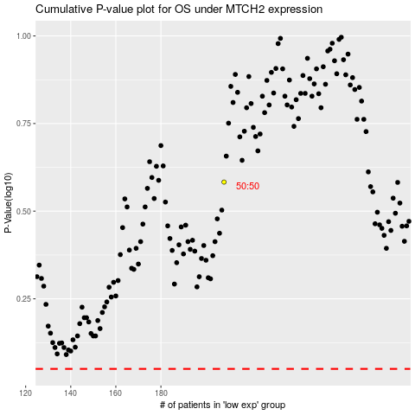

 |  |  |  |  |  | cases_OS | p_OS | rank | exp
 |  |  |  |  |  |  | cases_RFS | p_RFS | rank | exp

