MTCP1 _multivariate
Reported by Tex Li-Hsing Chi. tex@gate.sinica.edu.tw 2019-08-17

Table 2. The clinicopathological features of HNSCC cohort and MTCP1 expression. (Chi square test)
Cutoff at -0.228 (49.8%)
 |  | MTCP1 expression |  | MTCP1 expression |  | (Optimised)
 | Features | Low | (%) | High | (%) | Case no | P-value | Remark | Matthews
Gender | Female | 153 | 36.9 | 153 | 36.9 | 415 | 1 | 0 | 0
2 | Male | 54 | 13 | 55 | 13.3
Age at diagnosis | <=65y | 140 | 33.7 | 134 | 32.3 | 415 | 0.5574 | 0 | 0
4 | >65y | 67 | 16.1 | 74 | 17.8
Clinical T Status | T1+T2 | 82 | 19.8 | 67 | 16.1 | 415 | 0.1417 | 0 | 0
6 | T3+T4 | 125 | 30.1 | 141 | 34
Clinical N Status | N0 | 103 | 24.8 | 113 | 27.2 | 415 | 0.4047 | 0 | 0
8 | N1-3 | 104 | 25.1 | 95 | 22.9
Clinical M Status | M0 | 206 | 49.6 | 206 | 49.6 | 415 | 1 | 0 | 0
10 | M1 | 1 | 0.2 | 2 | 0.5
Clinical Stage | Stage I+II | 56 | 13.5 | 46 | 11.1 | 415 | 0.2918 | 0 | 0
12 | Stage III+IV | 151 | 36.4 | 162 | 39
Surgical Margin status | Negative | 157 | 37.8 | 161 | 38.8 | 415 | 0.729 | 0 | 0
14 | Positive | 50 | 12 | 47 | 11.3
Tobacco Exposure | Low | 79 | 19 | 82 | 19.8 | 415 | 0.8405 | 0 | 0
16 | High | 128 | 30.8 | 126 | 30.4

Table 3. Univariate/Multivariate Cox's proportional hazards regression analyses on OS time of MTCP1 gene expression in HNSCC

 |  | Univariate |  |  |  | Multivariate
 | Features | HR | CI95%(L) | CI95%(H) | P-value | HR | CI95%(L) | CI95%(H) | P-value
1 | Female | 1 |  |  |  | 1
Gender | Male | 1.157 | 0.843 | 1.587 | 0.367 | 1.206 | 0.863 | 1.684 | 0.273
11 | <=65y | 1 |  |  |  | 1
Age at diagnosis | >65y | 1.329 | 0.99 | 1.784 | 0.058 | 1.382 | 1.016 | 1.88 | 0.04
12 | T1+T2 | 1 |  |  |  | 1
Clinical T Status | T3+T4 | 1.409 | 1.028 | 1.931 | 0.033 | 2.198 | 1.162 | 4.157 | 0.015
13 | N0 | 1 |  |  |  | 1
Clinical N Status | N1-3 | 1.185 | 0.89 | 1.577 | 0.246 | 1.259 | 0.88 | 1.802 | 0.207
14 | M0 | 1 |  |  |  | 1
Clinical M Status | M1 | 4.097 | 1.009 | 16.644 | 0.049 | 9.265 | 2.02 | 42.502 | 0.004
15 | Stage I+II | 1 |  |  |  | 1
Clinical Stage | Stage III+IV | 1.245 | 0.882 | 1.759 | 0.213 | 0.494 | 0.229 | 1.062 | 0.071
16 | Negative | 1 |  |  |  | 1
Surgical Margin status | Positive | 1.591 | 1.155 | 2.191 | 0.004 | 1.672 | 1.21 | 2.311 | 0.002
17 | Low | 1 |  |  |  | 1
Tobacco Exposure | High | 1.364 | 1.008 | 1.844 | 0.044 | 1.457 | 1.058 | 2.007 | 0.021
18 | Low | 1 |  |  |  | 1
RNAseq(z-score) | High | 1.128 | 0.846 | 1.503 | 0.413 | 1.111 | 0.829 | 1.489 | 0.482

Table 4. Univariate/Multivariate Cox's proportional hazards regression analyses on RFS time of MTCP1 gene expression in HNSCC

 |  | Univariate |  |  |  | Multivariate
 | Features | HR | CI95%(L) | CI95%(H) | P-value | HR | CI95%(L) | CI95%(H) | P-value
1 | Female | 1 |  |  |  | 1
Gender | Male | 1.157 | 0.843 | 1.587 | 0.367 | 1.206 | 0.863 | 1.684 | 0.273
11 | <=65y | 1 |  |  |  | 1
Age at diagnosis | >65y | 1.329 | 0.99 | 1.784 | 0.058 | 1.382 | 1.016 | 1.88 | 0.04
12 | T1+T2 | 1 |  |  |  | 1
Clinical T Status | T3+T4 | 1.409 | 1.028 | 1.931 | 0.033 | 2.198 | 1.162 | 4.157 | 0.015
13 | N0 | 1 |  |  |  | 1
Clinical N Status | N1-3 | 1.185 | 0.89 | 1.577 | 0.246 | 1.259 | 0.88 | 1.802 | 0.207
14 | M0 | 1 |  |  |  | 1
Clinical M Status | M1 | 4.097 | 1.009 | 16.644 | 0.049 | 9.265 | 2.02 | 42.502 | 0.004
15 | Stage I+II | 1 |  |  |  | 1
Clinical Stage | Stage III+IV | 1.245 | 0.882 | 1.759 | 0.213 | 0.494 | 0.229 | 1.062 | 0.071
16 | Negative | 1 |  |  |  | 1
Surgical Margin status | Positive | 1.591 | 1.155 | 2.191 | 0.004 | 1.672 | 1.21 | 2.311 | 0.002
17 | Low | 1 |  |  |  | 1
Tobacco Exposure | High | 1.364 | 1.008 | 1.844 | 0.044 | 1.457 | 1.058 | 2.007 | 0.021
18 | Low | 1 |  |  |  | 1
RNAseq(z-score) | High | 1.128 | 0.846 | 1.503 | 0.413 | 1.111 | 0.829 | 1.489 | 0.482

Kaplan-Meier survival estimate: Cutoff at -0.228 (49.8%)



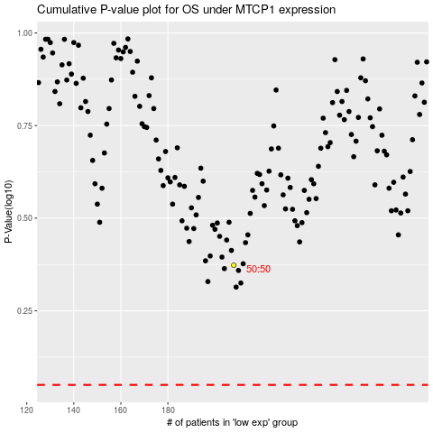

 |  |  |  |  |  | cases_OS | p_OS | rank | exp
 |  |  |  |  |  |  | cases_RFS | p_RFS | rank | exp

