MTCP1NB _multivariate
Reported by Tex Li-Hsing Chi. tex@gate.sinica.edu.tw 2019-08-17

Table 2. The clinicopathological features of HNSCC cohort and MTCP1NB expression. (Chi square test)
Cutoff at -0.252 (50.0%)
 |  | MTCP1NB expression |  | MTCP1NB expression |  | (Optimised)
 | Features | Low | (%) | High | (%) | Case no | P-value | Remark | Matthews
Gender | Female | 147 | 35.4 | 159 | 38.3 | 415 | 0.2523 | 0 | 0
2 | Male | 60 | 14.5 | 49 | 11.8
Age at diagnosis | <=65y | 131 | 31.6 | 143 | 34.5 | 415 | 0.2839 | 0 | 0
4 | >65y | 76 | 18.3 | 65 | 15.7
Clinical T Status | T1+T2 | 73 | 17.6 | 76 | 18.3 | 415 | 0.8666 | 0 | 0
6 | T3+T4 | 134 | 32.3 | 132 | 31.8
Clinical N Status | N0 | 113 | 27.2 | 103 | 24.8 | 415 | 0.3495 | 1 | 0
8 | N1-3 | 94 | 22.7 | 105 | 25.3
Clinical M Status | M0 | 207 | 49.9 | 205 | 49.4 | 415 | 0.2482 | 0 | 0
10 | M1 | 0 | 0 | 3 | 0.7
Clinical Stage | Stage I+II | 52 | 12.5 | 50 | 12 | 415 | 0.8871 | 0 | 0
12 | Stage III+IV | 155 | 37.3 | 158 | 38.1
Surgical Margin status | Negative | 167 | 40.2 | 151 | 36.4 | 415 | 0.0632 | 0 | 0
14 | Positive | 40 | 9.6 | 57 | 13.7
Tobacco Exposure | Low | 83 | 20 | 78 | 18.8 | 415 | 0.6152 | 0 | 0
16 | High | 124 | 29.9 | 130 | 31.3

Table 3. Univariate/Multivariate Cox's proportional hazards regression analyses on OS time of MTCP1NB gene expression in HNSCC

 |  | Univariate |  |  |  | Multivariate
 | Features | HR | CI95%(L) | CI95%(H) | P-value | HR | CI95%(L) | CI95%(H) | P-value
1 | Female | 1 |  |  |  | 1
Gender | Male | 1.157 | 0.843 | 1.587 | 0.367 | 1.207 | 0.864 | 1.687 | 0.27
11 | <=65y | 1 |  |  |  | 1
Age at diagnosis | >65y | 1.329 | 0.99 | 1.784 | 0.058 | 1.402 | 1.031 | 1.906 | 0.031
12 | T1+T2 | 1 |  |  |  | 1
Clinical T Status | T3+T4 | 1.409 | 1.028 | 1.931 | 0.033 | 2.197 | 1.162 | 4.153 | 0.015
13 | N0 | 1 |  |  |  | 1
Clinical N Status | N1-3 | 1.185 | 0.89 | 1.577 | 0.246 | 1.244 | 0.872 | 1.776 | 0.228
14 | M0 | 1 |  |  |  | 1
Clinical M Status | M1 | 4.097 | 1.009 | 16.644 | 0.049 | 8.81 | 1.908 | 40.679 | 0.005
15 | Stage I+II | 1 |  |  |  | 1
Clinical Stage | Stage III+IV | 1.245 | 0.882 | 1.759 | 0.213 | 0.507 | 0.236 | 1.088 | 0.081
16 | Negative | 1 |  |  |  | 1
Surgical Margin status | Positive | 1.591 | 1.155 | 2.191 | 0.004 | 1.634 | 1.178 | 2.267 | 0.003
17 | Low | 1 |  |  |  | 1
Tobacco Exposure | High | 1.364 | 1.008 | 1.844 | 0.044 | 1.45 | 1.053 | 1.998 | 0.023
18 | Low | 1 |  |  |  | 1
RNAseq(z-score) | High | 1.194 | 0.896 | 1.591 | 0.226 | 1.133 | 0.844 | 1.521 | 0.405

Table 4. Univariate/Multivariate Cox's proportional hazards regression analyses on RFS time of MTCP1NB gene expression in HNSCC

 |  | Univariate |  |  |  | Multivariate
 | Features | HR | CI95%(L) | CI95%(H) | P-value | HR | CI95%(L) | CI95%(H) | P-value
1 | Female | 1 |  |  |  | 1
Gender | Male | 1.157 | 0.843 | 1.587 | 0.367 | 1.207 | 0.864 | 1.687 | 0.27
11 | <=65y | 1 |  |  |  | 1
Age at diagnosis | >65y | 1.329 | 0.99 | 1.784 | 0.058 | 1.402 | 1.031 | 1.906 | 0.031
12 | T1+T2 | 1 |  |  |  | 1
Clinical T Status | T3+T4 | 1.409 | 1.028 | 1.931 | 0.033 | 2.197 | 1.162 | 4.153 | 0.015
13 | N0 | 1 |  |  |  | 1
Clinical N Status | N1-3 | 1.185 | 0.89 | 1.577 | 0.246 | 1.244 | 0.872 | 1.776 | 0.228
14 | M0 | 1 |  |  |  | 1
Clinical M Status | M1 | 4.097 | 1.009 | 16.644 | 0.049 | 8.81 | 1.908 | 40.679 | 0.005
15 | Stage I+II | 1 |  |  |  | 1
Clinical Stage | Stage III+IV | 1.245 | 0.882 | 1.759 | 0.213 | 0.507 | 0.236 | 1.088 | 0.081
16 | Negative | 1 |  |  |  | 1
Surgical Margin status | Positive | 1.591 | 1.155 | 2.191 | 0.004 | 1.634 | 1.178 | 2.267 | 0.003
17 | Low | 1 |  |  |  | 1
Tobacco Exposure | High | 1.364 | 1.008 | 1.844 | 0.044 | 1.45 | 1.053 | 1.998 | 0.023
18 | Low | 1 |  |  |  | 1
RNAseq(z-score) | High | 1.194 | 0.896 | 1.591 | 0.226 | 1.133 | 0.844 | 1.521 | 0.405

Kaplan-Meier survival estimate: Cutoff at -0.252 (50.0%)



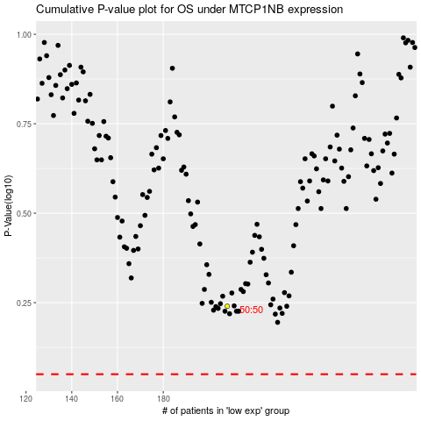

 |  |  |  |  |  | cases_OS | p_OS | rank | exp
 |  |  |  |  |  |  | cases_RFS | p_RFS | rank | exp

