MTERF _multivariate
Reported by Tex Li-Hsing Chi. tex@gate.sinica.edu.tw 2019-08-17

Table 2. The clinicopathological features of HNSCC cohort and MTERF expression. (Chi square test)
Cutoff at -0.229 (49.8%)
 |  | MTERF expression |  | MTERF expression |  | (Optimised)
 | Features | Low | (%) | High | (%) | Case no | P-value | Remark | Matthews
Gender | Female | 148 | 35.7 | 158 | 38.1 | 415 | 0.3567 | 0 | 0
2 | Male | 59 | 14.2 | 50 | 12
Age at diagnosis | <=65y | 135 | 32.5 | 139 | 33.5 | 415 | 0.8084 | 0 | 0
4 | >65y | 72 | 17.3 | 69 | 16.6
Clinical T Status | T1+T2 | 77 | 18.6 | 72 | 17.3 | 415 | 0.6556 | 0 | 0
6 | T3+T4 | 130 | 31.3 | 136 | 32.8
Clinical N Status | N0 | 107 | 25.8 | 109 | 26.3 | 415 | 0.9624 | 0 | 0
8 | N1-3 | 100 | 24.1 | 99 | 23.9
Clinical M Status | M0 | 205 | 49.4 | 207 | 49.9 | 415 | 0.6232 | 0 | 0
10 | M1 | 2 | 0.5 | 1 | 0.2
Clinical Stage | Stage I+II | 53 | 12.8 | 49 | 11.8 | 415 | 0.7113 | 0 | 0
12 | Stage III+IV | 154 | 37.1 | 159 | 38.3
Surgical Margin status | Negative | 166 | 40 | 152 | 36.6 | 415 | 0.1042 | 0 | 0
14 | Positive | 41 | 9.9 | 56 | 13.5
Tobacco Exposure | Low | 96 | 23.1 | 65 | 15.7 | 415 | 0.0018 | 1 | 0
16 | High | 111 | 26.7 | 143 | 34.5

Table 3. Univariate/Multivariate Cox's proportional hazards regression analyses on OS time of MTERF gene expression in HNSCC

 |  | Univariate |  |  |  | Multivariate
 | Features | HR | CI95%(L) | CI95%(H) | P-value | HR | CI95%(L) | CI95%(H) | P-value
1 | Female | 1 |  |  |  | 1
Gender | Male | 1.157 | 0.843 | 1.587 | 0.367 | 1.199 | 0.858 | 1.675 | 0.289
11 | <=65y | 1 |  |  |  | 1
Age at diagnosis | >65y | 1.329 | 0.99 | 1.784 | 0.058 | 1.394 | 1.025 | 1.895 | 0.034
12 | T1+T2 | 1 |  |  |  | 1
Clinical T Status | T3+T4 | 1.409 | 1.028 | 1.931 | 0.033 | 2.208 | 1.167 | 4.178 | 0.015
13 | N0 | 1 |  |  |  | 1
Clinical N Status | N1-3 | 1.185 | 0.89 | 1.577 | 0.246 | 1.247 | 0.872 | 1.783 | 0.227
14 | M0 | 1 |  |  |  | 1
Clinical M Status | M1 | 4.097 | 1.009 | 16.644 | 0.049 | 9.511 | 2.069 | 43.71 | 0.004
15 | Stage I+II | 1 |  |  |  | 1
Clinical Stage | Stage III+IV | 1.245 | 0.882 | 1.759 | 0.213 | 0.502 | 0.234 | 1.079 | 0.077
16 | Negative | 1 |  |  |  | 1
Surgical Margin status | Positive | 1.591 | 1.155 | 2.191 | 0.004 | 1.666 | 1.204 | 2.304 | 0.002
17 | Low | 1 |  |  |  | 1
Tobacco Exposure | High | 1.364 | 1.008 | 1.844 | 0.044 | 1.442 | 1.04 | 1.998 | 0.028
18 | Low | 1 |  |  |  | 1
RNAseq(z-score) | High | 1.097 | 0.824 | 1.461 | 0.526 | 1.038 | 0.772 | 1.395 | 0.807

Table 4. Univariate/Multivariate Cox's proportional hazards regression analyses on RFS time of MTERF gene expression in HNSCC

 |  | Univariate |  |  |  | Multivariate
 | Features | HR | CI95%(L) | CI95%(H) | P-value | HR | CI95%(L) | CI95%(H) | P-value
1 | Female | 1 |  |  |  | 1
Gender | Male | 1.157 | 0.843 | 1.587 | 0.367 | 1.199 | 0.858 | 1.675 | 0.289
11 | <=65y | 1 |  |  |  | 1
Age at diagnosis | >65y | 1.329 | 0.99 | 1.784 | 0.058 | 1.394 | 1.025 | 1.895 | 0.034
12 | T1+T2 | 1 |  |  |  | 1
Clinical T Status | T3+T4 | 1.409 | 1.028 | 1.931 | 0.033 | 2.208 | 1.167 | 4.178 | 0.015
13 | N0 | 1 |  |  |  | 1
Clinical N Status | N1-3 | 1.185 | 0.89 | 1.577 | 0.246 | 1.247 | 0.872 | 1.783 | 0.227
14 | M0 | 1 |  |  |  | 1
Clinical M Status | M1 | 4.097 | 1.009 | 16.644 | 0.049 | 9.511 | 2.069 | 43.71 | 0.004
15 | Stage I+II | 1 |  |  |  | 1
Clinical Stage | Stage III+IV | 1.245 | 0.882 | 1.759 | 0.213 | 0.502 | 0.234 | 1.079 | 0.077
16 | Negative | 1 |  |  |  | 1
Surgical Margin status | Positive | 1.591 | 1.155 | 2.191 | 0.004 | 1.666 | 1.204 | 2.304 | 0.002
17 | Low | 1 |  |  |  | 1
Tobacco Exposure | High | 1.364 | 1.008 | 1.844 | 0.044 | 1.442 | 1.04 | 1.998 | 0.028
18 | Low | 1 |  |  |  | 1
RNAseq(z-score) | High | 1.097 | 0.824 | 1.461 | 0.526 | 1.038 | 0.772 | 1.395 | 0.807

Kaplan-Meier survival estimate: Cutoff at -0.229 (49.8%)



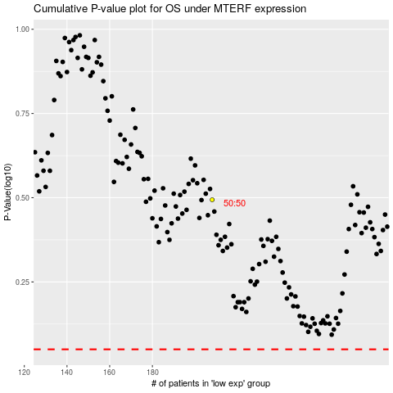

 |  |  |  |  |  | cases_OS | p_OS | rank | exp
 |  |  |  |  |  |  | cases_RFS | p_RFS | rank | exp

