MTERFD2 _multivariate
Reported by Tex Li-Hsing Chi. tex@gate.sinica.edu.tw 2019-08-17

Table 2. The clinicopathological features of HNSCC cohort and MTERFD2 expression. (Chi square test)
Cutoff at -0.205 (49.8%)
 |  | MTERFD2 expression |  | MTERFD2 expression |  | (Optimised)
 | Features | Low | (%) | High | (%) | Case no | P-value | Remark | Matthews
Gender | Female | 146 | 35.2 | 160 | 38.6 | 415 | 0.1714 | 0 | 0
2 | Male | 61 | 14.7 | 48 | 11.6
Age at diagnosis | <=65y | 136 | 32.8 | 138 | 33.3 | 415 | 0.9719 | 0 | 0
4 | >65y | 71 | 17.1 | 70 | 16.9
Clinical T Status | T1+T2 | 73 | 17.6 | 76 | 18.3 | 415 | 0.8666 | 0 | 0
6 | T3+T4 | 134 | 32.3 | 132 | 31.8
Clinical N Status | N0 | 117 | 28.2 | 99 | 23.9 | 415 | 0.0852 | 1 | 0
8 | N1-3 | 90 | 21.7 | 109 | 26.3
Clinical M Status | M0 | 205 | 49.4 | 207 | 49.9 | 415 | 0.6232 | 0 | 0
10 | M1 | 2 | 0.5 | 1 | 0.2
Clinical Stage | Stage I+II | 56 | 13.5 | 46 | 11.1 | 415 | 0.2918 | 0 | 0
12 | Stage III+IV | 151 | 36.4 | 162 | 39
Surgical Margin status | Negative | 166 | 40 | 152 | 36.6 | 415 | 0.1042 | 0 | 0
14 | Positive | 41 | 9.9 | 56 | 13.5
Tobacco Exposure | Low | 82 | 19.8 | 79 | 19 | 415 | 0.763 | 0 | 0
16 | High | 125 | 30.1 | 129 | 31.1

Table 3. Univariate/Multivariate Cox's proportional hazards regression analyses on OS time of MTERFD2 gene expression in HNSCC

 |  | Univariate |  |  |  | Multivariate
 | Features | HR | CI95%(L) | CI95%(H) | P-value | HR | CI95%(L) | CI95%(H) | P-value
1 | Female | 1 |  |  |  | 1
Gender | Male | 1.157 | 0.843 | 1.587 | 0.367 | 1.199 | 0.858 | 1.676 | 0.288
11 | <=65y | 1 |  |  |  | 1
Age at diagnosis | >65y | 1.329 | 0.99 | 1.784 | 0.058 | 1.379 | 1.014 | 1.876 | 0.041
12 | T1+T2 | 1 |  |  |  | 1
Clinical T Status | T3+T4 | 1.409 | 1.028 | 1.931 | 0.033 | 2.3 | 1.212 | 4.364 | 0.011
13 | N0 | 1 |  |  |  | 1
Clinical N Status | N1-3 | 1.185 | 0.89 | 1.577 | 0.246 | 1.248 | 0.874 | 1.781 | 0.223
14 | M0 | 1 |  |  |  | 1
Clinical M Status | M1 | 4.097 | 1.009 | 16.644 | 0.049 | 10.321 | 2.235 | 47.667 | 0.003
15 | Stage I+II | 1 |  |  |  | 1
Clinical Stage | Stage III+IV | 1.245 | 0.882 | 1.759 | 0.213 | 0.476 | 0.22 | 1.027 | 0.059
16 | Negative | 1 |  |  |  | 1
Surgical Margin status | Positive | 1.591 | 1.155 | 2.191 | 0.004 | 1.642 | 1.188 | 2.271 | 0.003
17 | Low | 1 |  |  |  | 1
Tobacco Exposure | High | 1.364 | 1.008 | 1.844 | 0.044 | 1.465 | 1.064 | 2.017 | 0.019
18 | Low | 1 |  |  |  | 1
RNAseq(z-score) | High | 1.175 | 0.881 | 1.567 | 0.273 | 1.198 | 0.894 | 1.606 | 0.227

Table 4. Univariate/Multivariate Cox's proportional hazards regression analyses on RFS time of MTERFD2 gene expression in HNSCC

 |  | Univariate |  |  |  | Multivariate
 | Features | HR | CI95%(L) | CI95%(H) | P-value | HR | CI95%(L) | CI95%(H) | P-value
1 | Female | 1 |  |  |  | 1
Gender | Male | 1.157 | 0.843 | 1.587 | 0.367 | 1.199 | 0.858 | 1.676 | 0.288
11 | <=65y | 1 |  |  |  | 1
Age at diagnosis | >65y | 1.329 | 0.99 | 1.784 | 0.058 | 1.379 | 1.014 | 1.876 | 0.041
12 | T1+T2 | 1 |  |  |  | 1
Clinical T Status | T3+T4 | 1.409 | 1.028 | 1.931 | 0.033 | 2.3 | 1.212 | 4.364 | 0.011
13 | N0 | 1 |  |  |  | 1
Clinical N Status | N1-3 | 1.185 | 0.89 | 1.577 | 0.246 | 1.248 | 0.874 | 1.781 | 0.223
14 | M0 | 1 |  |  |  | 1
Clinical M Status | M1 | 4.097 | 1.009 | 16.644 | 0.049 | 10.321 | 2.235 | 47.667 | 0.003
15 | Stage I+II | 1 |  |  |  | 1
Clinical Stage | Stage III+IV | 1.245 | 0.882 | 1.759 | 0.213 | 0.476 | 0.22 | 1.027 | 0.059
16 | Negative | 1 |  |  |  | 1
Surgical Margin status | Positive | 1.591 | 1.155 | 2.191 | 0.004 | 1.642 | 1.188 | 2.271 | 0.003
17 | Low | 1 |  |  |  | 1
Tobacco Exposure | High | 1.364 | 1.008 | 1.844 | 0.044 | 1.465 | 1.064 | 2.017 | 0.019
18 | Low | 1 |  |  |  | 1
RNAseq(z-score) | High | 1.175 | 0.881 | 1.567 | 0.273 | 1.198 | 0.894 | 1.606 | 0.227

Kaplan-Meier survival estimate: Cutoff at -0.205 (49.8%)



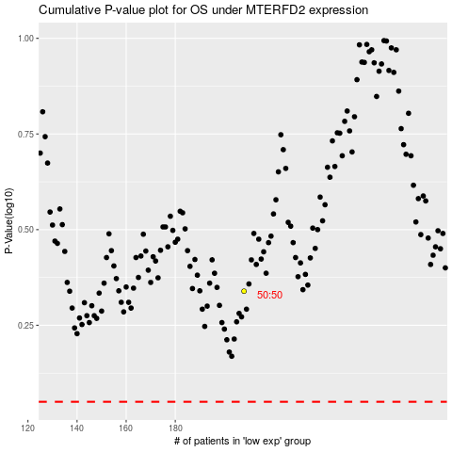

 |  |  |  |  |  | cases_OS | p_OS | rank | exp
 |  |  |  |  |  |  | cases_RFS | p_RFS | rank | exp

