MTFR1 _multivariate
Reported by Tex Li-Hsing Chi. tex@gate.sinica.edu.tw 2019-08-17

Table 2. The clinicopathological features of HNSCC cohort and MTFR1 expression. (Chi square test)
Cutoff at 0.134 (56.5%)
 |  | MTFR1 expression |  | MTFR1 expression |  | (Optimised)
 | Features | Low | (%) | High | (%) | Case no | P-value | Remark | Matthews
Gender | Female | 175 | 42.2 | 131 | 31.6 | 415 | 0.6593 | 0 | 0
2 | Male | 59 | 14.2 | 50 | 12
Age at diagnosis | <=65y | 158 | 38.1 | 116 | 28 | 415 | 0.5302 | 0 | 0
4 | >65y | 76 | 18.3 | 65 | 15.7
Clinical T Status | T1+T2 | 90 | 21.7 | 59 | 14.2 | 415 | 0.2577 | 0 | 0
6 | T3+T4 | 144 | 34.7 | 122 | 29.4
Clinical N Status | N0 | 122 | 29.4 | 94 | 22.7 | 415 | 1 | 0 | 0
8 | N1-3 | 112 | 27 | 87 | 21
Clinical M Status | M0 | 232 | 55.9 | 180 | 43.4 | 415 | 1 | 0 | 0
10 | M1 | 2 | 0.5 | 1 | 0.2
Clinical Stage | Stage I+II | 57 | 13.7 | 45 | 10.8 | 415 | 0.9976 | 0 | 0
12 | Stage III+IV | 177 | 42.7 | 136 | 32.8
Surgical Margin status | Negative | 175 | 42.2 | 143 | 34.5 | 415 | 0.3501 | 0 | 0
14 | Positive | 59 | 14.2 | 38 | 9.2
Tobacco Exposure | Low | 100 | 24.1 | 61 | 14.7 | 415 | 0.0678 | 0 | 0
16 | High | 134 | 32.3 | 120 | 28.9

Table 3. Univariate/Multivariate Cox's proportional hazards regression analyses on OS time of MTFR1 gene expression in HNSCC

 |  | Univariate |  |  |  | Multivariate
 | Features | HR | CI95%(L) | CI95%(H) | P-value | HR | CI95%(L) | CI95%(H) | P-value
1 | Female | 1 |  |  |  | 1
Gender | Male | 1.157 | 0.843 | 1.587 | 0.367 | 1.189 | 0.851 | 1.663 | 0.311
11 | <=65y | 1 |  |  |  | 1
Age at diagnosis | >65y | 1.329 | 0.99 | 1.784 | 0.058 | 1.388 | 1.022 | 1.887 | 0.036
12 | T1+T2 | 1 |  |  |  | 1
Clinical T Status | T3+T4 | 1.409 | 1.028 | 1.931 | 0.033 | 2.124 | 1.124 | 4.015 | 0.02
13 | N0 | 1 |  |  |  | 1
Clinical N Status | N1-3 | 1.185 | 0.89 | 1.577 | 0.246 | 1.246 | 0.874 | 1.778 | 0.224
14 | M0 | 1 |  |  |  | 1
Clinical M Status | M1 | 4.097 | 1.009 | 16.644 | 0.049 | 9.684 | 2.113 | 44.388 | 0.003
15 | Stage I+II | 1 |  |  |  | 1
Clinical Stage | Stage III+IV | 1.245 | 0.882 | 1.759 | 0.213 | 0.527 | 0.245 | 1.134 | 0.101
16 | Negative | 1 |  |  |  | 1
Surgical Margin status | Positive | 1.591 | 1.155 | 2.191 | 0.004 | 1.668 | 1.208 | 2.304 | 0.002
17 | Low | 1 |  |  |  | 1
Tobacco Exposure | High | 1.364 | 1.008 | 1.844 | 0.044 | 1.445 | 1.048 | 1.993 | 0.025
18 | Low | 1 |  |  |  | 1
RNAseq(z-score) | High | 1.347 | 1.01 | 1.798 | 0.043 | 1.313 | 0.982 | 1.756 | 0.066

Table 4. Univariate/Multivariate Cox's proportional hazards regression analyses on RFS time of MTFR1 gene expression in HNSCC

 |  | Univariate |  |  |  | Multivariate
 | Features | HR | CI95%(L) | CI95%(H) | P-value | HR | CI95%(L) | CI95%(H) | P-value
1 | Female | 1 |  |  |  | 1
Gender | Male | 1.157 | 0.843 | 1.587 | 0.367 | 1.189 | 0.851 | 1.663 | 0.311
11 | <=65y | 1 |  |  |  | 1
Age at diagnosis | >65y | 1.329 | 0.99 | 1.784 | 0.058 | 1.388 | 1.022 | 1.887 | 0.036
12 | T1+T2 | 1 |  |  |  | 1
Clinical T Status | T3+T4 | 1.409 | 1.028 | 1.931 | 0.033 | 2.124 | 1.124 | 4.015 | 0.02
13 | N0 | 1 |  |  |  | 1
Clinical N Status | N1-3 | 1.185 | 0.89 | 1.577 | 0.246 | 1.246 | 0.874 | 1.778 | 0.224
14 | M0 | 1 |  |  |  | 1
Clinical M Status | M1 | 4.097 | 1.009 | 16.644 | 0.049 | 9.684 | 2.113 | 44.388 | 0.003
15 | Stage I+II | 1 |  |  |  | 1
Clinical Stage | Stage III+IV | 1.245 | 0.882 | 1.759 | 0.213 | 0.527 | 0.245 | 1.134 | 0.101
16 | Negative | 1 |  |  |  | 1
Surgical Margin status | Positive | 1.591 | 1.155 | 2.191 | 0.004 | 1.668 | 1.208 | 2.304 | 0.002
17 | Low | 1 |  |  |  | 1
Tobacco Exposure | High | 1.364 | 1.008 | 1.844 | 0.044 | 1.445 | 1.048 | 1.993 | 0.025
18 | Low | 1 |  |  |  | 1
RNAseq(z-score) | High | 1.347 | 1.01 | 1.798 | 0.043 | 1.313 | 0.982 | 1.756 | 0.066

Kaplan-Meier survival estimate: Cutoff at 0.134 (56.5%)



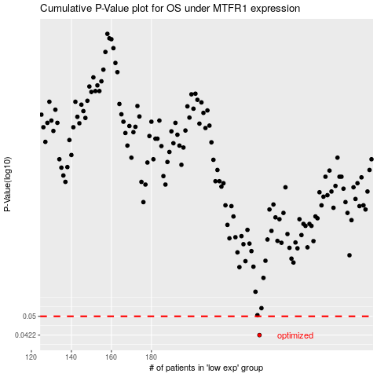

 |  |  |  |  |  | cases_OS | p_OS | rank | exp
 |  |  |  |  |  | 234 | 0.0422 | 258 | 0.13413660639
 |  |  |  |  |  |  | cases_RFS | p_RFS | rank | exp
 |  |  |  |  |  |  | 233 | 0.0422 | 234 | 0.13038408643

