MTG1 _multivariate
Reported by Tex Li-Hsing Chi. tex@gate.sinica.edu.tw 2019-08-17

Table 2. The clinicopathological features of HNSCC cohort and MTG1 expression. (Chi square test)
Cutoff at -0.209 (49.8%)
 |  | MTG1 expression |  | MTG1 expression |  | (Optimised)
 | Features | Low | (%) | High | (%) | Case no | P-value | Remark | Matthews
Gender | Female | 149 | 35.9 | 157 | 37.8 | 415 | 0.4848 | 0 | 0
2 | Male | 58 | 14 | 51 | 12.3
Age at diagnosis | <=65y | 139 | 33.5 | 135 | 32.5 | 415 | 0.7044 | 0 | 0
4 | >65y | 68 | 16.4 | 73 | 17.6
Clinical T Status | T1+T2 | 81 | 19.5 | 68 | 16.4 | 415 | 0.206 | 0 | 0
6 | T3+T4 | 126 | 30.4 | 140 | 33.7
Clinical N Status | N0 | 109 | 26.3 | 107 | 25.8 | 415 | 0.8812 | 0 | 0
8 | N1-3 | 98 | 23.6 | 101 | 24.3
Clinical M Status | M0 | 207 | 49.9 | 205 | 49.4 | 415 | 0.2482 | 0 | 0
10 | M1 | 0 | 0 | 3 | 0.7
Clinical Stage | Stage I+II | 56 | 13.5 | 46 | 11.1 | 415 | 0.2918 | 0 | 0
12 | Stage III+IV | 151 | 36.4 | 162 | 39
Surgical Margin status | Negative | 165 | 39.8 | 153 | 36.9 | 415 | 0.1639 | 0 | 0
14 | Positive | 42 | 10.1 | 55 | 13.3
Tobacco Exposure | Low | 71 | 17.1 | 90 | 21.7 | 415 | 0.0698 | 0 | 0
16 | High | 136 | 32.8 | 118 | 28.4

Table 3. Univariate/Multivariate Cox's proportional hazards regression analyses on OS time of MTG1 gene expression in HNSCC

 |  | Univariate |  |  |  | Multivariate
 | Features | HR | CI95%(L) | CI95%(H) | P-value | HR | CI95%(L) | CI95%(H) | P-value
1 | Female | 1 |  |  |  | 1
Gender | Male | 1.157 | 0.843 | 1.587 | 0.367 | 1.201 | 0.861 | 1.677 | 0.281
11 | <=65y | 1 |  |  |  | 1
Age at diagnosis | >65y | 1.329 | 0.99 | 1.784 | 0.058 | 1.396 | 1.027 | 1.897 | 0.033
12 | T1+T2 | 1 |  |  |  | 1
Clinical T Status | T3+T4 | 1.409 | 1.028 | 1.931 | 0.033 | 2.241 | 1.184 | 4.244 | 0.013
13 | N0 | 1 |  |  |  | 1
Clinical N Status | N1-3 | 1.185 | 0.89 | 1.577 | 0.246 | 1.248 | 0.875 | 1.78 | 0.222
14 | M0 | 1 |  |  |  | 1
Clinical M Status | M1 | 4.097 | 1.009 | 16.644 | 0.049 | 10.14 | 2.188 | 47.007 | 0.003
15 | Stage I+II | 1 |  |  |  | 1
Clinical Stage | Stage III+IV | 1.245 | 0.882 | 1.759 | 0.213 | 0.499 | 0.232 | 1.071 | 0.074
16 | Negative | 1 |  |  |  | 1
Surgical Margin status | Positive | 1.591 | 1.155 | 2.191 | 0.004 | 1.693 | 1.223 | 2.342 | 0.001
17 | Low | 1 |  |  |  | 1
Tobacco Exposure | High | 1.364 | 1.008 | 1.844 | 0.044 | 1.446 | 1.05 | 1.992 | 0.024
18 | Low | 1 |  |  |  | 1
RNAseq(z-score) | High | 0.978 | 0.734 | 1.303 | 0.879 | 0.887 | 0.663 | 1.187 | 0.419

Table 4. Univariate/Multivariate Cox's proportional hazards regression analyses on RFS time of MTG1 gene expression in HNSCC

 |  | Univariate |  |  |  | Multivariate
 | Features | HR | CI95%(L) | CI95%(H) | P-value | HR | CI95%(L) | CI95%(H) | P-value
1 | Female | 1 |  |  |  | 1
Gender | Male | 1.157 | 0.843 | 1.587 | 0.367 | 1.201 | 0.861 | 1.677 | 0.281
11 | <=65y | 1 |  |  |  | 1
Age at diagnosis | >65y | 1.329 | 0.99 | 1.784 | 0.058 | 1.396 | 1.027 | 1.897 | 0.033
12 | T1+T2 | 1 |  |  |  | 1
Clinical T Status | T3+T4 | 1.409 | 1.028 | 1.931 | 0.033 | 2.241 | 1.184 | 4.244 | 0.013
13 | N0 | 1 |  |  |  | 1
Clinical N Status | N1-3 | 1.185 | 0.89 | 1.577 | 0.246 | 1.248 | 0.875 | 1.78 | 0.222
14 | M0 | 1 |  |  |  | 1
Clinical M Status | M1 | 4.097 | 1.009 | 16.644 | 0.049 | 10.14 | 2.188 | 47.007 | 0.003
15 | Stage I+II | 1 |  |  |  | 1
Clinical Stage | Stage III+IV | 1.245 | 0.882 | 1.759 | 0.213 | 0.499 | 0.232 | 1.071 | 0.074
16 | Negative | 1 |  |  |  | 1
Surgical Margin status | Positive | 1.591 | 1.155 | 2.191 | 0.004 | 1.693 | 1.223 | 2.342 | 0.001
17 | Low | 1 |  |  |  | 1
Tobacco Exposure | High | 1.364 | 1.008 | 1.844 | 0.044 | 1.446 | 1.05 | 1.992 | 0.024
18 | Low | 1 |  |  |  | 1
RNAseq(z-score) | High | 0.978 | 0.734 | 1.303 | 0.879 | 0.887 | 0.663 | 1.187 | 0.419

Kaplan-Meier survival estimate: Cutoff at -0.209 (49.8%)



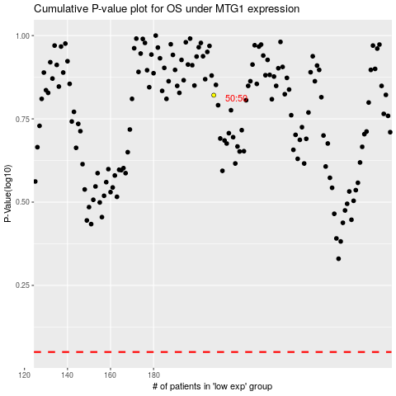

 |  |  |  |  |  | cases_OS | p_OS | rank | exp
 |  |  |  |  |  |  | cases_RFS | p_RFS | rank | exp

