MTHFD2L _multivariate
Reported by Tex Li-Hsing Chi. tex@gate.sinica.edu.tw 2019-08-17

Table 2. The clinicopathological features of HNSCC cohort and MTHFD2L expression. (Chi square test)
Cutoff at -0.194 (49.8%)
 |  | MTHFD2L expression |  | MTHFD2L expression |  | (Optimised)
 | Features | Low | (%) | High | (%) | Case no | P-value | Remark | Matthews
Gender | Female | 149 | 35.9 | 157 | 37.8 | 415 | 0.4848 | 0 | 0
2 | Male | 58 | 14 | 51 | 12.3
Age at diagnosis | <=65y | 132 | 31.8 | 142 | 34.2 | 415 | 0.3874 | 0 | 0
4 | >65y | 75 | 18.1 | 66 | 15.9
Clinical T Status | T1+T2 | 81 | 19.5 | 68 | 16.4 | 415 | 0.206 | 0 | 0
6 | T3+T4 | 126 | 30.4 | 140 | 33.7
Clinical N Status | N0 | 108 | 26 | 108 | 26 | 415 | 1 | 0 | 0
8 | N1-3 | 99 | 23.9 | 100 | 24.1
Clinical M Status | M0 | 205 | 49.4 | 207 | 49.9 | 415 | 0.6232 | 0 | 0
10 | M1 | 2 | 0.5 | 1 | 0.2
Clinical Stage | Stage I+II | 52 | 12.5 | 50 | 12 | 415 | 0.8871 | 0 | 0
12 | Stage III+IV | 155 | 37.3 | 158 | 38.1
Surgical Margin status | Negative | 161 | 38.8 | 157 | 37.8 | 415 | 0.6429 | 0 | 0
14 | Positive | 46 | 11.1 | 51 | 12.3
Tobacco Exposure | Low | 77 | 18.6 | 84 | 20.2 | 415 | 0.5459 | 0 | 0
16 | High | 130 | 31.3 | 124 | 29.9

Table 3. Univariate/Multivariate Cox's proportional hazards regression analyses on OS time of MTHFD2L gene expression in HNSCC

 |  | Univariate |  |  |  | Multivariate
 | Features | HR | CI95%(L) | CI95%(H) | P-value | HR | CI95%(L) | CI95%(H) | P-value
1 | Female | 1 |  |  |  | 1
Gender | Male | 1.157 | 0.843 | 1.587 | 0.367 | 1.201 | 0.86 | 1.678 | 0.281
11 | <=65y | 1 |  |  |  | 1
Age at diagnosis | >65y | 1.329 | 0.99 | 1.784 | 0.058 | 1.376 | 1.011 | 1.874 | 0.042
12 | T1+T2 | 1 |  |  |  | 1
Clinical T Status | T3+T4 | 1.409 | 1.028 | 1.931 | 0.033 | 2.235 | 1.181 | 4.229 | 0.013
13 | N0 | 1 |  |  |  | 1
Clinical N Status | N1-3 | 1.185 | 0.89 | 1.577 | 0.246 | 1.242 | 0.87 | 1.773 | 0.232
14 | M0 | 1 |  |  |  | 1
Clinical M Status | M1 | 4.097 | 1.009 | 16.644 | 0.049 | 9.393 | 2.049 | 43.058 | 0.004
15 | Stage I+II | 1 |  |  |  | 1
Clinical Stage | Stage III+IV | 1.245 | 0.882 | 1.759 | 0.213 | 0.494 | 0.23 | 1.062 | 0.071
16 | Negative | 1 |  |  |  | 1
Surgical Margin status | Positive | 1.591 | 1.155 | 2.191 | 0.004 | 1.685 | 1.219 | 2.33 | 0.002
17 | Low | 1 |  |  |  | 1
Tobacco Exposure | High | 1.364 | 1.008 | 1.844 | 0.044 | 1.438 | 1.043 | 1.983 | 0.026
18 | Low | 1 |  |  |  | 1
RNAseq(z-score) | High | 0.879 | 0.658 | 1.172 | 0.379 | 0.883 | 0.66 | 1.183 | 0.406

Table 4. Univariate/Multivariate Cox's proportional hazards regression analyses on RFS time of MTHFD2L gene expression in HNSCC

 |  | Univariate |  |  |  | Multivariate
 | Features | HR | CI95%(L) | CI95%(H) | P-value | HR | CI95%(L) | CI95%(H) | P-value
1 | Female | 1 |  |  |  | 1
Gender | Male | 1.157 | 0.843 | 1.587 | 0.367 | 1.201 | 0.86 | 1.678 | 0.281
11 | <=65y | 1 |  |  |  | 1
Age at diagnosis | >65y | 1.329 | 0.99 | 1.784 | 0.058 | 1.376 | 1.011 | 1.874 | 0.042
12 | T1+T2 | 1 |  |  |  | 1
Clinical T Status | T3+T4 | 1.409 | 1.028 | 1.931 | 0.033 | 2.235 | 1.181 | 4.229 | 0.013
13 | N0 | 1 |  |  |  | 1
Clinical N Status | N1-3 | 1.185 | 0.89 | 1.577 | 0.246 | 1.242 | 0.87 | 1.773 | 0.232
14 | M0 | 1 |  |  |  | 1
Clinical M Status | M1 | 4.097 | 1.009 | 16.644 | 0.049 | 9.393 | 2.049 | 43.058 | 0.004
15 | Stage I+II | 1 |  |  |  | 1
Clinical Stage | Stage III+IV | 1.245 | 0.882 | 1.759 | 0.213 | 0.494 | 0.23 | 1.062 | 0.071
16 | Negative | 1 |  |  |  | 1
Surgical Margin status | Positive | 1.591 | 1.155 | 2.191 | 0.004 | 1.685 | 1.219 | 2.33 | 0.002
17 | Low | 1 |  |  |  | 1
Tobacco Exposure | High | 1.364 | 1.008 | 1.844 | 0.044 | 1.438 | 1.043 | 1.983 | 0.026
18 | Low | 1 |  |  |  | 1
RNAseq(z-score) | High | 0.879 | 0.658 | 1.172 | 0.379 | 0.883 | 0.66 | 1.183 | 0.406

Kaplan-Meier survival estimate: Cutoff at -0.194 (49.8%)



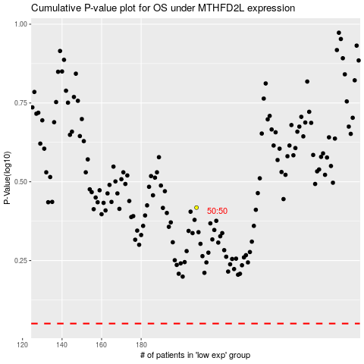

 |  |  |  |  |  | cases_OS | p_OS | rank | exp
 |  |  |  |  |  |  | cases_RFS | p_RFS | rank | exp

