MTIF3 _multivariate
Reported by Tex Li-Hsing Chi. tex@gate.sinica.edu.tw 2019-08-17

Table 2. The clinicopathological features of HNSCC cohort and MTIF3 expression. (Chi square test)
Cutoff at -0.364 (49.8%)
 |  | MTIF3 expression |  | MTIF3 expression |  | (Optimised)
 | Features | Low | (%) | High | (%) | Case no | P-value | Remark | Matthews
Gender | Female | 158 | 38.1 | 148 | 35.7 | 415 | 0.2774 | 0 | 0
2 | Male | 49 | 11.8 | 60 | 14.5
Age at diagnosis | <=65y | 136 | 32.8 | 138 | 33.3 | 415 | 0.9719 | 0 | 0
4 | >65y | 71 | 17.1 | 70 | 16.9
Clinical T Status | T1+T2 | 66 | 15.9 | 83 | 20 | 415 | 0.1095 | 0 | 0
6 | T3+T4 | 141 | 34 | 125 | 30.1
Clinical N Status | N0 | 104 | 25.1 | 112 | 27 | 415 | 0.5243 | 0 | 0
8 | N1-3 | 103 | 24.8 | 96 | 23.1
Clinical M Status | M0 | 207 | 49.9 | 205 | 49.4 | 415 | 0.2482 | 0 | 0
10 | M1 | 0 | 0 | 3 | 0.7
Clinical Stage | Stage I+II | 47 | 11.3 | 55 | 13.3 | 415 | 0.4413 | 0 | 0
12 | Stage III+IV | 160 | 38.6 | 153 | 36.9
Surgical Margin status | Negative | 162 | 39 | 156 | 37.6 | 415 | 0.4867 | 0 | 0
14 | Positive | 45 | 10.8 | 52 | 12.5
Tobacco Exposure | Low | 73 | 17.6 | 88 | 21.2 | 415 | 0.1587 | 0 | 0
16 | High | 134 | 32.3 | 120 | 28.9

Table 3. Univariate/Multivariate Cox's proportional hazards regression analyses on OS time of MTIF3 gene expression in HNSCC

 |  | Univariate |  |  |  | Multivariate
 | Features | HR | CI95%(L) | CI95%(H) | P-value | HR | CI95%(L) | CI95%(H) | P-value
1 | Female | 1 |  |  |  | 1
Gender | Male | 1.157 | 0.843 | 1.587 | 0.367 | 1.173 | 0.838 | 1.642 | 0.352
11 | <=65y | 1 |  |  |  | 1
Age at diagnosis | >65y | 1.329 | 0.99 | 1.784 | 0.058 | 1.409 | 1.037 | 1.914 | 0.028
12 | T1+T2 | 1 |  |  |  | 1
Clinical T Status | T3+T4 | 1.409 | 1.028 | 1.931 | 0.033 | 2.297 | 1.213 | 4.351 | 0.011
13 | N0 | 1 |  |  |  | 1
Clinical N Status | N1-3 | 1.185 | 0.89 | 1.577 | 0.246 | 1.264 | 0.886 | 1.802 | 0.197
14 | M0 | 1 |  |  |  | 1
Clinical M Status | M1 | 4.097 | 1.009 | 16.644 | 0.049 | 8.588 | 1.866 | 39.522 | 0.006
15 | Stage I+II | 1 |  |  |  | 1
Clinical Stage | Stage III+IV | 1.245 | 0.882 | 1.759 | 0.213 | 0.491 | 0.229 | 1.053 | 0.068
16 | Negative | 1 |  |  |  | 1
Surgical Margin status | Positive | 1.591 | 1.155 | 2.191 | 0.004 | 1.634 | 1.181 | 2.261 | 0.003
17 | Low | 1 |  |  |  | 1
Tobacco Exposure | High | 1.364 | 1.008 | 1.844 | 0.044 | 1.477 | 1.07 | 2.039 | 0.018
18 | Low | 1 |  |  |  | 1
RNAseq(z-score) | High | 1.194 | 0.896 | 1.591 | 0.226 | 1.26 | 0.938 | 1.693 | 0.125

Table 4. Univariate/Multivariate Cox's proportional hazards regression analyses on RFS time of MTIF3 gene expression in HNSCC

 |  | Univariate |  |  |  | Multivariate
 | Features | HR | CI95%(L) | CI95%(H) | P-value | HR | CI95%(L) | CI95%(H) | P-value
1 | Female | 1 |  |  |  | 1
Gender | Male | 1.157 | 0.843 | 1.587 | 0.367 | 1.173 | 0.838 | 1.642 | 0.352
11 | <=65y | 1 |  |  |  | 1
Age at diagnosis | >65y | 1.329 | 0.99 | 1.784 | 0.058 | 1.409 | 1.037 | 1.914 | 0.028
12 | T1+T2 | 1 |  |  |  | 1
Clinical T Status | T3+T4 | 1.409 | 1.028 | 1.931 | 0.033 | 2.297 | 1.213 | 4.351 | 0.011
13 | N0 | 1 |  |  |  | 1
Clinical N Status | N1-3 | 1.185 | 0.89 | 1.577 | 0.246 | 1.264 | 0.886 | 1.802 | 0.197
14 | M0 | 1 |  |  |  | 1
Clinical M Status | M1 | 4.097 | 1.009 | 16.644 | 0.049 | 8.588 | 1.866 | 39.522 | 0.006
15 | Stage I+II | 1 |  |  |  | 1
Clinical Stage | Stage III+IV | 1.245 | 0.882 | 1.759 | 0.213 | 0.491 | 0.229 | 1.053 | 0.068
16 | Negative | 1 |  |  |  | 1
Surgical Margin status | Positive | 1.591 | 1.155 | 2.191 | 0.004 | 1.634 | 1.181 | 2.261 | 0.003
17 | Low | 1 |  |  |  | 1
Tobacco Exposure | High | 1.364 | 1.008 | 1.844 | 0.044 | 1.477 | 1.07 | 2.039 | 0.018
18 | Low | 1 |  |  |  | 1
RNAseq(z-score) | High | 1.194 | 0.896 | 1.591 | 0.226 | 1.26 | 0.938 | 1.693 | 0.125

Kaplan-Meier survival estimate: Cutoff at -0.364 (49.8%)



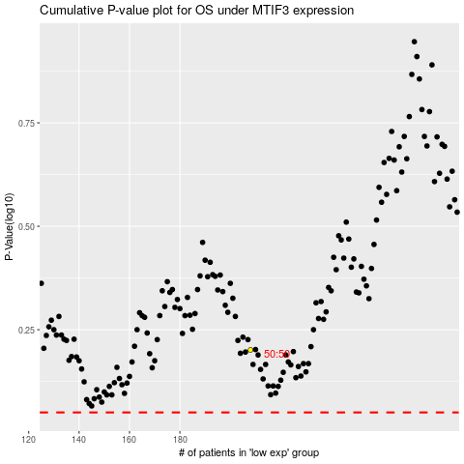

 |  |  |  |  |  | cases_OS | p_OS | rank | exp
 |  |  |  |  |  |  | cases_RFS | p_RFS | rank | exp

