MTL5 _multivariate
Reported by Tex Li-Hsing Chi. tex@gate.sinica.edu.tw 2019-08-17

Table 2. The clinicopathological features of HNSCC cohort and MTL5 expression. (Chi square test)
Cutoff at -0.247 (49.8%)
 |  | MTL5 expression |  | MTL5 expression |  | (Optimised)
 | Features | Low | (%) | High | (%) | Case no | P-value | Remark | Matthews
Gender | Female | 137 | 33 | 169 | 40.7 | 415 | 7e-04 | 1 | 0
2 | Male | 70 | 16.9 | 39 | 9.4
Age at diagnosis | <=65y | 129 | 31.1 | 145 | 34.9 | 415 | 0.1372 | 0 | 0
4 | >65y | 78 | 18.8 | 63 | 15.2
Clinical T Status | T1+T2 | 80 | 19.3 | 69 | 16.6 | 415 | 0.2891 | 0 | 0
6 | T3+T4 | 127 | 30.6 | 139 | 33.5
Clinical N Status | N0 | 121 | 29.2 | 95 | 22.9 | 415 | 0.0122 | 1 | 0
8 | N1-3 | 86 | 20.7 | 113 | 27.2
Clinical M Status | M0 | 207 | 49.9 | 205 | 49.4 | 415 | 0.2482 | 0 | 0
10 | M1 | 0 | 0 | 3 | 0.7
Clinical Stage | Stage I+II | 61 | 14.7 | 41 | 9.9 | 415 | 0.0282 | 1 | 0
12 | Stage III+IV | 146 | 35.2 | 167 | 40.2
Surgical Margin status | Negative | 164 | 39.5 | 154 | 37.1 | 415 | 0.2462 | 0 | 0
14 | Positive | 43 | 10.4 | 54 | 13
Tobacco Exposure | Low | 97 | 23.4 | 64 | 15.4 | 415 | 9e-04 | 1 | 0
16 | High | 110 | 26.5 | 144 | 34.7

Table 3. Univariate/Multivariate Cox's proportional hazards regression analyses on OS time of MTL5 gene expression in HNSCC

 |  | Univariate |  |  |  | Multivariate
 | Features | HR | CI95%(L) | CI95%(H) | P-value | HR | CI95%(L) | CI95%(H) | P-value
1 | Female | 1 |  |  |  | 1
Gender | Male | 1.157 | 0.843 | 1.587 | 0.367 | 1.23 | 0.877 | 1.724 | 0.23
11 | <=65y | 1 |  |  |  | 1
Age at diagnosis | >65y | 1.329 | 0.99 | 1.784 | 0.058 | 1.406 | 1.034 | 1.912 | 0.03
12 | T1+T2 | 1 |  |  |  | 1
Clinical T Status | T3+T4 | 1.409 | 1.028 | 1.931 | 0.033 | 2.217 | 1.173 | 4.192 | 0.014
13 | N0 | 1 |  |  |  | 1
Clinical N Status | N1-3 | 1.185 | 0.89 | 1.577 | 0.246 | 1.229 | 0.861 | 1.756 | 0.256
14 | M0 | 1 |  |  |  | 1
Clinical M Status | M1 | 4.097 | 1.009 | 16.644 | 0.049 | 8.957 | 1.948 | 41.189 | 0.005
15 | Stage I+II | 1 |  |  |  | 1
Clinical Stage | Stage III+IV | 1.245 | 0.882 | 1.759 | 0.213 | 0.498 | 0.232 | 1.068 | 0.073
16 | Negative | 1 |  |  |  | 1
Surgical Margin status | Positive | 1.591 | 1.155 | 2.191 | 0.004 | 1.653 | 1.196 | 2.286 | 0.002
17 | Low | 1 |  |  |  | 1
Tobacco Exposure | High | 1.364 | 1.008 | 1.844 | 0.044 | 1.437 | 1.042 | 1.981 | 0.027
18 | Low | 1 |  |  |  | 1
RNAseq(z-score) | High | 1.19 | 0.89 | 1.592 | 0.24 | 1.155 | 0.853 | 1.563 | 0.352

Table 4. Univariate/Multivariate Cox's proportional hazards regression analyses on RFS time of MTL5 gene expression in HNSCC

 |  | Univariate |  |  |  | Multivariate
 | Features | HR | CI95%(L) | CI95%(H) | P-value | HR | CI95%(L) | CI95%(H) | P-value
1 | Female | 1 |  |  |  | 1
Gender | Male | 1.157 | 0.843 | 1.587 | 0.367 | 1.23 | 0.877 | 1.724 | 0.23
11 | <=65y | 1 |  |  |  | 1
Age at diagnosis | >65y | 1.329 | 0.99 | 1.784 | 0.058 | 1.406 | 1.034 | 1.912 | 0.03
12 | T1+T2 | 1 |  |  |  | 1
Clinical T Status | T3+T4 | 1.409 | 1.028 | 1.931 | 0.033 | 2.217 | 1.173 | 4.192 | 0.014
13 | N0 | 1 |  |  |  | 1
Clinical N Status | N1-3 | 1.185 | 0.89 | 1.577 | 0.246 | 1.229 | 0.861 | 1.756 | 0.256
14 | M0 | 1 |  |  |  | 1
Clinical M Status | M1 | 4.097 | 1.009 | 16.644 | 0.049 | 8.957 | 1.948 | 41.189 | 0.005
15 | Stage I+II | 1 |  |  |  | 1
Clinical Stage | Stage III+IV | 1.245 | 0.882 | 1.759 | 0.213 | 0.498 | 0.232 | 1.068 | 0.073
16 | Negative | 1 |  |  |  | 1
Surgical Margin status | Positive | 1.591 | 1.155 | 2.191 | 0.004 | 1.653 | 1.196 | 2.286 | 0.002
17 | Low | 1 |  |  |  | 1
Tobacco Exposure | High | 1.364 | 1.008 | 1.844 | 0.044 | 1.437 | 1.042 | 1.981 | 0.027
18 | Low | 1 |  |  |  | 1
RNAseq(z-score) | High | 1.19 | 0.89 | 1.592 | 0.24 | 1.155 | 0.853 | 1.563 | 0.352

Kaplan-Meier survival estimate: Cutoff at -0.247 (49.8%)



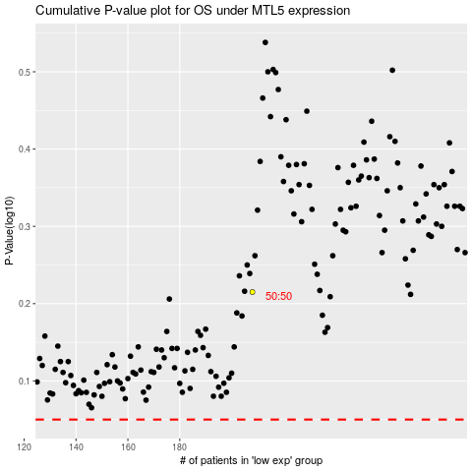

 |  |  |  |  |  | cases_OS | p_OS | rank | exp
 |  |  |  |  |  |  | cases_RFS | p_RFS | rank | exp

