MTMR4 _multivariate
Reported by Tex Li-Hsing Chi. tex@gate.sinica.edu.tw 2019-08-17

Table 2. The clinicopathological features of HNSCC cohort and MTMR4 expression. (Chi square test)
Cutoff at -0.238 (49.8%)
 |  | MTMR4 expression |  | MTMR4 expression |  | (Optimised)
 | Features | Low | (%) | High | (%) | Case no | P-value | Remark | Matthews
Gender | Female | 142 | 34.2 | 164 | 39.5 | 415 | 0.0238 | 1 | 0
2 | Male | 65 | 15.7 | 44 | 10.6
Age at diagnosis | <=65y | 130 | 31.3 | 144 | 34.7 | 415 | 0.2009 | 0 | 0
4 | >65y | 77 | 18.6 | 64 | 15.4
Clinical T Status | T1+T2 | 84 | 20.2 | 65 | 15.7 | 415 | 0.0603 | 0 | 0
6 | T3+T4 | 123 | 29.6 | 143 | 34.5
Clinical N Status | N0 | 118 | 28.4 | 98 | 23.6 | 415 | 0.0551 | 1 | 0
8 | N1-3 | 89 | 21.4 | 110 | 26.5
Clinical M Status | M0 | 204 | 49.2 | 208 | 50.1 | 415 | 0.1232 | 0 | 0
10 | M1 | 3 | 0.7 | 0 | 0
Clinical Stage | Stage I+II | 64 | 15.4 | 38 | 9.2 | 415 | 0.004 | 1 | 0
12 | Stage III+IV | 143 | 34.5 | 170 | 41
Surgical Margin status | Negative | 163 | 39.3 | 155 | 37.3 | 415 | 0.3537 | 0 | 0
14 | Positive | 44 | 10.6 | 53 | 12.8
Tobacco Exposure | Low | 94 | 22.7 | 67 | 16.1 | 415 | 0.0065 | 1 | 0
16 | High | 113 | 27.2 | 141 | 34

Table 3. Univariate/Multivariate Cox's proportional hazards regression analyses on OS time of MTMR4 gene expression in HNSCC

 |  | Univariate |  |  |  | Multivariate
 | Features | HR | CI95%(L) | CI95%(H) | P-value | HR | CI95%(L) | CI95%(H) | P-value
1 | Female | 1 |  |  |  | 1
Gender | Male | 1.157 | 0.843 | 1.587 | 0.367 | 1.177 | 0.841 | 1.648 | 0.343
11 | <=65y | 1 |  |  |  | 1
Age at diagnosis | >65y | 1.329 | 0.99 | 1.784 | 0.058 | 1.385 | 1.019 | 1.883 | 0.038
12 | T1+T2 | 1 |  |  |  | 1
Clinical T Status | T3+T4 | 1.409 | 1.028 | 1.931 | 0.033 | 2.133 | 1.126 | 4.039 | 0.02
13 | N0 | 1 |  |  |  | 1
Clinical N Status | N1-3 | 1.185 | 0.89 | 1.577 | 0.246 | 1.242 | 0.871 | 1.771 | 0.232
14 | M0 | 1 |  |  |  | 1
Clinical M Status | M1 | 4.097 | 1.009 | 16.644 | 0.049 | 8.135 | 1.751 | 37.793 | 0.007
15 | Stage I+II | 1 |  |  |  | 1
Clinical Stage | Stage III+IV | 1.245 | 0.882 | 1.759 | 0.213 | 0.543 | 0.251 | 1.173 | 0.12
16 | Negative | 1 |  |  |  | 1
Surgical Margin status | Positive | 1.591 | 1.155 | 2.191 | 0.004 | 1.657 | 1.2 | 2.289 | 0.002
17 | Low | 1 |  |  |  | 1
Tobacco Exposure | High | 1.364 | 1.008 | 1.844 | 0.044 | 1.487 | 1.076 | 2.055 | 0.016
18 | Low | 1 |  |  |  | 1
RNAseq(z-score) | High | 0.824 | 0.618 | 1.098 | 0.187 | 0.815 | 0.604 | 1.102 | 0.184

Table 4. Univariate/Multivariate Cox's proportional hazards regression analyses on RFS time of MTMR4 gene expression in HNSCC

 |  | Univariate |  |  |  | Multivariate
 | Features | HR | CI95%(L) | CI95%(H) | P-value | HR | CI95%(L) | CI95%(H) | P-value
1 | Female | 1 |  |  |  | 1
Gender | Male | 1.157 | 0.843 | 1.587 | 0.367 | 1.177 | 0.841 | 1.648 | 0.343
11 | <=65y | 1 |  |  |  | 1
Age at diagnosis | >65y | 1.329 | 0.99 | 1.784 | 0.058 | 1.385 | 1.019 | 1.883 | 0.038
12 | T1+T2 | 1 |  |  |  | 1
Clinical T Status | T3+T4 | 1.409 | 1.028 | 1.931 | 0.033 | 2.133 | 1.126 | 4.039 | 0.02
13 | N0 | 1 |  |  |  | 1
Clinical N Status | N1-3 | 1.185 | 0.89 | 1.577 | 0.246 | 1.242 | 0.871 | 1.771 | 0.232
14 | M0 | 1 |  |  |  | 1
Clinical M Status | M1 | 4.097 | 1.009 | 16.644 | 0.049 | 8.135 | 1.751 | 37.793 | 0.007
15 | Stage I+II | 1 |  |  |  | 1
Clinical Stage | Stage III+IV | 1.245 | 0.882 | 1.759 | 0.213 | 0.543 | 0.251 | 1.173 | 0.12
16 | Negative | 1 |  |  |  | 1
Surgical Margin status | Positive | 1.591 | 1.155 | 2.191 | 0.004 | 1.657 | 1.2 | 2.289 | 0.002
17 | Low | 1 |  |  |  | 1
Tobacco Exposure | High | 1.364 | 1.008 | 1.844 | 0.044 | 1.487 | 1.076 | 2.055 | 0.016
18 | Low | 1 |  |  |  | 1
RNAseq(z-score) | High | 0.824 | 0.618 | 1.098 | 0.187 | 0.815 | 0.604 | 1.102 | 0.184

Kaplan-Meier survival estimate: Cutoff at -0.238 (49.8%)



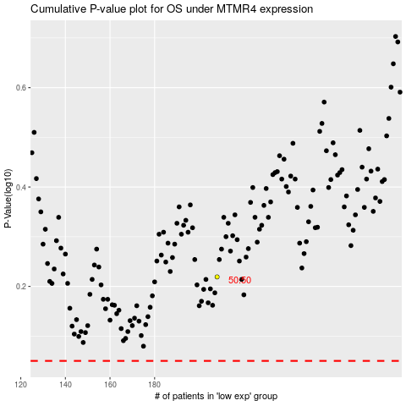

 |  |  |  |  |  | cases_OS | p_OS | rank | exp
 |  |  |  |  |  |  | cases_RFS | p_RFS | rank | exp

