MTO1 _multivariate
Reported by Tex Li-Hsing Chi. tex@gate.sinica.edu.tw 2019-08-17

Table 2. The clinicopathological features of HNSCC cohort and MTO1 expression. (Chi square test)
Cutoff at -0.557 (30.0%)
 |  | MTO1 expression |  | MTO1 expression |  | (Optimised)
 | Features | Low | (%) | High | (%) | Case no | P-value | Remark | Matthews
Gender | Female | 93 | 22.4 | 213 | 51.3 | 415 | 0.9358 | 0 | 0
2 | Male | 32 | 7.7 | 77 | 18.6
Age at diagnosis | <=65y | 83 | 20 | 191 | 46 | 415 | 1 | 0 | 0
4 | >65y | 42 | 10.1 | 99 | 23.9
Clinical T Status | T1+T2 | 40 | 9.6 | 109 | 26.3 | 415 | 0.3287 | 0 | 0
6 | T3+T4 | 85 | 20.5 | 181 | 43.6
Clinical N Status | N0 | 63 | 15.2 | 153 | 36.9 | 415 | 0.7383 | 0 | 0
8 | N1-3 | 62 | 14.9 | 137 | 33
Clinical M Status | M0 | 123 | 29.6 | 289 | 69.6 | 415 | 0.2169 | 0 | 0
10 | M1 | 2 | 0.5 | 1 | 0.2
Clinical Stage | Stage I+II | 28 | 6.7 | 74 | 17.8 | 415 | 0.5807 | 0 | 0
12 | Stage III+IV | 97 | 23.4 | 216 | 52
Surgical Margin status | Negative | 98 | 23.6 | 220 | 53 | 415 | 0.6148 | 0 | 0
14 | Positive | 27 | 6.5 | 70 | 16.9
Tobacco Exposure | Low | 48 | 11.6 | 113 | 27.2 | 415 | 1 | 0 | 0
16 | High | 77 | 18.6 | 177 | 42.7

Table 3. Univariate/Multivariate Cox's proportional hazards regression analyses on OS time of MTO1 gene expression in HNSCC

 |  | Univariate |  |  |  | Multivariate
 | Features | HR | CI95%(L) | CI95%(H) | P-value | HR | CI95%(L) | CI95%(H) | P-value
1 | Female | 1 |  |  |  | 1
Gender | Male | 1.157 | 0.843 | 1.587 | 0.367 | 1.214 | 0.869 | 1.695 | 0.256
11 | <=65y | 1 |  |  |  | 1
Age at diagnosis | >65y | 1.329 | 0.99 | 1.784 | 0.058 | 1.401 | 1.03 | 1.905 | 0.032
12 | T1+T2 | 1 |  |  |  | 1
Clinical T Status | T3+T4 | 1.409 | 1.028 | 1.931 | 0.033 | 2.106 | 1.112 | 3.99 | 0.022
13 | N0 | 1 |  |  |  | 1
Clinical N Status | N1-3 | 1.185 | 0.89 | 1.577 | 0.246 | 1.233 | 0.863 | 1.76 | 0.25
14 | M0 | 1 |  |  |  | 1
Clinical M Status | M1 | 4.097 | 1.009 | 16.644 | 0.049 | 8.393 | 1.822 | 38.666 | 0.006
15 | Stage I+II | 1 |  |  |  | 1
Clinical Stage | Stage III+IV | 1.245 | 0.882 | 1.759 | 0.213 | 0.524 | 0.244 | 1.127 | 0.098
16 | Negative | 1 |  |  |  | 1
Surgical Margin status | Positive | 1.591 | 1.155 | 2.191 | 0.004 | 1.674 | 1.211 | 2.312 | 0.002
17 | Low | 1 |  |  |  | 1
Tobacco Exposure | High | 1.364 | 1.008 | 1.844 | 0.044 | 1.426 | 1.035 | 1.966 | 0.03
18 | Low | 1 |  |  |  | 1
RNAseq(z-score) | High | 0.728 | 0.537 | 0.986 | 0.041 | 0.754 | 0.555 | 1.026 | 0.072

Table 4. Univariate/Multivariate Cox's proportional hazards regression analyses on RFS time of MTO1 gene expression in HNSCC

 |  | Univariate |  |  |  | Multivariate
 | Features | HR | CI95%(L) | CI95%(H) | P-value | HR | CI95%(L) | CI95%(H) | P-value
1 | Female | 1 |  |  |  | 1
Gender | Male | 1.157 | 0.843 | 1.587 | 0.367 | 1.214 | 0.869 | 1.695 | 0.256
11 | <=65y | 1 |  |  |  | 1
Age at diagnosis | >65y | 1.329 | 0.99 | 1.784 | 0.058 | 1.401 | 1.03 | 1.905 | 0.032
12 | T1+T2 | 1 |  |  |  | 1
Clinical T Status | T3+T4 | 1.409 | 1.028 | 1.931 | 0.033 | 2.106 | 1.112 | 3.99 | 0.022
13 | N0 | 1 |  |  |  | 1
Clinical N Status | N1-3 | 1.185 | 0.89 | 1.577 | 0.246 | 1.233 | 0.863 | 1.76 | 0.25
14 | M0 | 1 |  |  |  | 1
Clinical M Status | M1 | 4.097 | 1.009 | 16.644 | 0.049 | 8.393 | 1.822 | 38.666 | 0.006
15 | Stage I+II | 1 |  |  |  | 1
Clinical Stage | Stage III+IV | 1.245 | 0.882 | 1.759 | 0.213 | 0.524 | 0.244 | 1.127 | 0.098
16 | Negative | 1 |  |  |  | 1
Surgical Margin status | Positive | 1.591 | 1.155 | 2.191 | 0.004 | 1.674 | 1.211 | 2.312 | 0.002
17 | Low | 1 |  |  |  | 1
Tobacco Exposure | High | 1.364 | 1.008 | 1.844 | 0.044 | 1.426 | 1.035 | 1.966 | 0.03
18 | Low | 1 |  |  |  | 1
RNAseq(z-score) | High | 0.728 | 0.537 | 0.986 | 0.041 | 0.754 | 0.555 | 1.026 | 0.072

Kaplan-Meier survival estimate: Cutoff at -0.557 (30.0%)



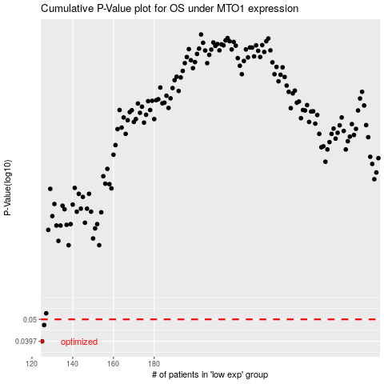

 |  |  |  |  |  | cases_OS | p_OS | rank | exp
 |  |  |  |  |  | 125 | 0.0397 | 340 | -0.55659941794
 |  |  |  |  |  | 126 | 0.0471 | 8 | -0.5481798414
 |  |  |  |  |  |  | cases_RFS | p_RFS | rank | exp
 |  |  |  |  |  |  |  | 0.0397 | 347 | -0.56011003716
 |  |  |  |  |  |  | 125 | 0.0471 | 340 | -0.55659941794

