MTRF1L _multivariate
Reported by Tex Li-Hsing Chi. tex@gate.sinica.edu.tw 2019-08-17

Table 2. The clinicopathological features of HNSCC cohort and MTRF1L expression. (Chi square test)
Cutoff at -0.137 (50.0%)
 |  | MTRF1L expression |  | MTRF1L expression |  | (Optimised)
 | Features | Low | (%) | High | (%) | Case no | P-value | Remark | Matthews
Gender | Female | 156 | 37.6 | 150 | 36.1 | 415 | 0.5222 | 0 | 0
2 | Male | 51 | 12.3 | 58 | 14
Age at diagnosis | <=65y | 138 | 33.3 | 136 | 32.8 | 415 | 0.8634 | 0 | 0
4 | >65y | 69 | 16.6 | 72 | 17.3
Clinical T Status | T1+T2 | 73 | 17.6 | 76 | 18.3 | 415 | 0.8666 | 0 | 0
6 | T3+T4 | 134 | 32.3 | 132 | 31.8
Clinical N Status | N0 | 104 | 25.1 | 112 | 27 | 415 | 0.5243 | 0 | 0
8 | N1-3 | 103 | 24.8 | 96 | 23.1
Clinical M Status | M0 | 205 | 49.4 | 207 | 49.9 | 415 | 0.6232 | 0 | 0
10 | M1 | 2 | 0.5 | 1 | 0.2
Clinical Stage | Stage I+II | 48 | 11.6 | 54 | 13 | 415 | 0.5878 | 0 | 0
12 | Stage III+IV | 159 | 38.3 | 154 | 37.1
Surgical Margin status | Negative | 158 | 38.1 | 160 | 38.6 | 415 | 0.9081 | 0 | 0
14 | Positive | 49 | 11.8 | 48 | 11.6
Tobacco Exposure | Low | 77 | 18.6 | 84 | 20.2 | 415 | 0.5459 | 0 | 0
16 | High | 130 | 31.3 | 124 | 29.9

Table 3. Univariate/Multivariate Cox's proportional hazards regression analyses on OS time of MTRF1L gene expression in HNSCC

 |  | Univariate |  |  |  | Multivariate
 | Features | HR | CI95%(L) | CI95%(H) | P-value | HR | CI95%(L) | CI95%(H) | P-value
1 | Female | 1 |  |  |  | 1
Gender | Male | 1.157 | 0.843 | 1.587 | 0.367 | 1.185 | 0.847 | 1.658 | 0.322
11 | <=65y | 1 |  |  |  | 1
Age at diagnosis | >65y | 1.329 | 0.99 | 1.784 | 0.058 | 1.399 | 1.029 | 1.901 | 0.032
12 | T1+T2 | 1 |  |  |  | 1
Clinical T Status | T3+T4 | 1.409 | 1.028 | 1.931 | 0.033 | 2.194 | 1.16 | 4.147 | 0.016
13 | N0 | 1 |  |  |  | 1
Clinical N Status | N1-3 | 1.185 | 0.89 | 1.577 | 0.246 | 1.239 | 0.869 | 1.767 | 0.236
14 | M0 | 1 |  |  |  | 1
Clinical M Status | M1 | 4.097 | 1.009 | 16.644 | 0.049 | 9.426 | 2.057 | 43.202 | 0.004
15 | Stage I+II | 1 |  |  |  | 1
Clinical Stage | Stage III+IV | 1.245 | 0.882 | 1.759 | 0.213 | 0.509 | 0.237 | 1.092 | 0.083
16 | Negative | 1 |  |  |  | 1
Surgical Margin status | Positive | 1.591 | 1.155 | 2.191 | 0.004 | 1.682 | 1.217 | 2.324 | 0.002
17 | Low | 1 |  |  |  | 1
Tobacco Exposure | High | 1.364 | 1.008 | 1.844 | 0.044 | 1.457 | 1.057 | 2.01 | 0.022
18 | Low | 1 |  |  |  | 1
RNAseq(z-score) | High | 1.123 | 0.842 | 1.499 | 0.43 | 1.147 | 0.858 | 1.535 | 0.354

Table 4. Univariate/Multivariate Cox's proportional hazards regression analyses on RFS time of MTRF1L gene expression in HNSCC

 |  | Univariate |  |  |  | Multivariate
 | Features | HR | CI95%(L) | CI95%(H) | P-value | HR | CI95%(L) | CI95%(H) | P-value
1 | Female | 1 |  |  |  | 1
Gender | Male | 1.157 | 0.843 | 1.587 | 0.367 | 1.185 | 0.847 | 1.658 | 0.322
11 | <=65y | 1 |  |  |  | 1
Age at diagnosis | >65y | 1.329 | 0.99 | 1.784 | 0.058 | 1.399 | 1.029 | 1.901 | 0.032
12 | T1+T2 | 1 |  |  |  | 1
Clinical T Status | T3+T4 | 1.409 | 1.028 | 1.931 | 0.033 | 2.194 | 1.16 | 4.147 | 0.016
13 | N0 | 1 |  |  |  | 1
Clinical N Status | N1-3 | 1.185 | 0.89 | 1.577 | 0.246 | 1.239 | 0.869 | 1.767 | 0.236
14 | M0 | 1 |  |  |  | 1
Clinical M Status | M1 | 4.097 | 1.009 | 16.644 | 0.049 | 9.426 | 2.057 | 43.202 | 0.004
15 | Stage I+II | 1 |  |  |  | 1
Clinical Stage | Stage III+IV | 1.245 | 0.882 | 1.759 | 0.213 | 0.509 | 0.237 | 1.092 | 0.083
16 | Negative | 1 |  |  |  | 1
Surgical Margin status | Positive | 1.591 | 1.155 | 2.191 | 0.004 | 1.682 | 1.217 | 2.324 | 0.002
17 | Low | 1 |  |  |  | 1
Tobacco Exposure | High | 1.364 | 1.008 | 1.844 | 0.044 | 1.457 | 1.057 | 2.01 | 0.022
18 | Low | 1 |  |  |  | 1
RNAseq(z-score) | High | 1.123 | 0.842 | 1.499 | 0.43 | 1.147 | 0.858 | 1.535 | 0.354

Kaplan-Meier survival estimate: Cutoff at -0.137 (50.0%)

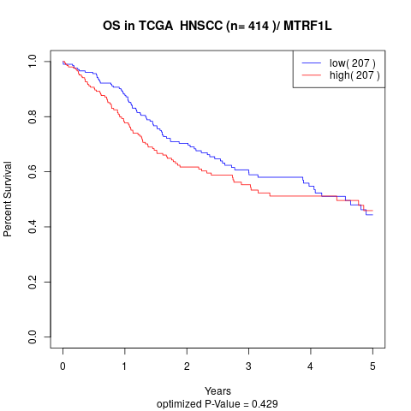

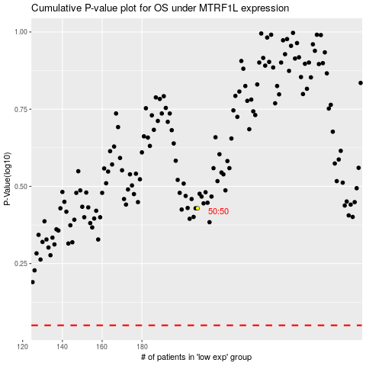

 |  |  |  |  |  | cases_OS | p_OS | rank | exp
 |  |  |  |  |  |  | cases_RFS | p_RFS | rank | exp

