MTSS1L _multivariate
Reported by Tex Li-Hsing Chi. tex@gate.sinica.edu.tw 2019-08-17

Table 2. The clinicopathological features of HNSCC cohort and MTSS1L expression. (Chi square test)
Cutoff at -0.182 (49.8%)
 |  | MTSS1L expression |  | MTSS1L expression |  | (Optimised)
 | Features | Low | (%) | High | (%) | Case no | P-value | Remark | Matthews
Gender | Female | 140 | 33.7 | 166 | 40 | 415 | 0.0068 | 1 | 0
2 | Male | 67 | 16.1 | 42 | 10.1
Age at diagnosis | <=65y | 135 | 32.5 | 139 | 33.5 | 415 | 0.8084 | 0 | 0
4 | >65y | 72 | 17.3 | 69 | 16.6
Clinical T Status | T1+T2 | 82 | 19.8 | 67 | 16.1 | 415 | 0.1417 | 0 | 0
6 | T3+T4 | 125 | 30.1 | 141 | 34
Clinical N Status | N0 | 106 | 25.5 | 110 | 26.5 | 415 | 0.8075 | 0 | 0
8 | N1-3 | 101 | 24.3 | 98 | 23.6
Clinical M Status | M0 | 206 | 49.6 | 206 | 49.6 | 415 | 1 | 0 | 0
10 | M1 | 1 | 0.2 | 2 | 0.5
Clinical Stage | Stage I+II | 53 | 12.8 | 49 | 11.8 | 415 | 0.7113 | 0 | 0
12 | Stage III+IV | 154 | 37.1 | 159 | 38.3
Surgical Margin status | Negative | 155 | 37.3 | 163 | 39.3 | 415 | 0.4187 | 0 | 0
14 | Positive | 52 | 12.5 | 45 | 10.8
Tobacco Exposure | Low | 92 | 22.2 | 69 | 16.6 | 415 | 0.0206 | 1 | 0
16 | High | 115 | 27.7 | 139 | 33.5

Table 3. Univariate/Multivariate Cox's proportional hazards regression analyses on OS time of MTSS1L gene expression in HNSCC

 |  | Univariate |  |  |  | Multivariate
 | Features | HR | CI95%(L) | CI95%(H) | P-value | HR | CI95%(L) | CI95%(H) | P-value
1 | Female | 1 |  |  |  | 1
Gender | Male | 1.157 | 0.843 | 1.587 | 0.367 | 1.224 | 0.872 | 1.719 | 0.242
11 | <=65y | 1 |  |  |  | 1
Age at diagnosis | >65y | 1.329 | 0.99 | 1.784 | 0.058 | 1.39 | 1.023 | 1.888 | 0.035
12 | T1+T2 | 1 |  |  |  | 1
Clinical T Status | T3+T4 | 1.409 | 1.028 | 1.931 | 0.033 | 2.17 | 1.146 | 4.109 | 0.017
13 | N0 | 1 |  |  |  | 1
Clinical N Status | N1-3 | 1.185 | 0.89 | 1.577 | 0.246 | 1.242 | 0.87 | 1.772 | 0.232
14 | M0 | 1 |  |  |  | 1
Clinical M Status | M1 | 4.097 | 1.009 | 16.644 | 0.049 | 9.267 | 2.02 | 42.507 | 0.004
15 | Stage I+II | 1 |  |  |  | 1
Clinical Stage | Stage III+IV | 1.245 | 0.882 | 1.759 | 0.213 | 0.51 | 0.237 | 1.095 | 0.084
16 | Negative | 1 |  |  |  | 1
Surgical Margin status | Positive | 1.591 | 1.155 | 2.191 | 0.004 | 1.685 | 1.218 | 2.33 | 0.002
17 | Low | 1 |  |  |  | 1
Tobacco Exposure | High | 1.364 | 1.008 | 1.844 | 0.044 | 1.442 | 1.046 | 1.988 | 0.025
18 | Low | 1 |  |  |  | 1
RNAseq(z-score) | High | 1.098 | 0.822 | 1.467 | 0.526 | 1.104 | 0.819 | 1.487 | 0.517

Table 4. Univariate/Multivariate Cox's proportional hazards regression analyses on RFS time of MTSS1L gene expression in HNSCC

 |  | Univariate |  |  |  | Multivariate
 | Features | HR | CI95%(L) | CI95%(H) | P-value | HR | CI95%(L) | CI95%(H) | P-value
1 | Female | 1 |  |  |  | 1
Gender | Male | 1.157 | 0.843 | 1.587 | 0.367 | 1.224 | 0.872 | 1.719 | 0.242
11 | <=65y | 1 |  |  |  | 1
Age at diagnosis | >65y | 1.329 | 0.99 | 1.784 | 0.058 | 1.39 | 1.023 | 1.888 | 0.035
12 | T1+T2 | 1 |  |  |  | 1
Clinical T Status | T3+T4 | 1.409 | 1.028 | 1.931 | 0.033 | 2.17 | 1.146 | 4.109 | 0.017
13 | N0 | 1 |  |  |  | 1
Clinical N Status | N1-3 | 1.185 | 0.89 | 1.577 | 0.246 | 1.242 | 0.87 | 1.772 | 0.232
14 | M0 | 1 |  |  |  | 1
Clinical M Status | M1 | 4.097 | 1.009 | 16.644 | 0.049 | 9.267 | 2.02 | 42.507 | 0.004
15 | Stage I+II | 1 |  |  |  | 1
Clinical Stage | Stage III+IV | 1.245 | 0.882 | 1.759 | 0.213 | 0.51 | 0.237 | 1.095 | 0.084
16 | Negative | 1 |  |  |  | 1
Surgical Margin status | Positive | 1.591 | 1.155 | 2.191 | 0.004 | 1.685 | 1.218 | 2.33 | 0.002
17 | Low | 1 |  |  |  | 1
Tobacco Exposure | High | 1.364 | 1.008 | 1.844 | 0.044 | 1.442 | 1.046 | 1.988 | 0.025
18 | Low | 1 |  |  |  | 1
RNAseq(z-score) | High | 1.098 | 0.822 | 1.467 | 0.526 | 1.104 | 0.819 | 1.487 | 0.517

Kaplan-Meier survival estimate: Cutoff at -0.182 (49.8%)



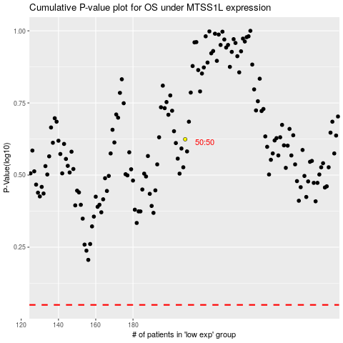

 |  |  |  |  |  | cases_OS | p_OS | rank | exp
 |  |  |  |  |  |  | cases_RFS | p_RFS | rank | exp

