MTUS1 _multivariate
Reported by Tex Li-Hsing Chi. tex@gate.sinica.edu.tw 2019-08-17

Table 2. The clinicopathological features of HNSCC cohort and MTUS1 expression. (Chi square test)
Cutoff at -0.631 (31.9%)
 |  | MTUS1 expression |  | MTUS1 expression |  | (Optimised)
 | Features | Low | (%) | High | (%) | Case no | P-value | Remark | Matthews
Gender | Female | 98 | 23.6 | 208 | 50.1 | 415 | 1 | 0 | 0
2 | Male | 35 | 8.4 | 74 | 17.8
Age at diagnosis | <=65y | 90 | 21.7 | 184 | 44.3 | 415 | 0.7077 | 0 | 0
4 | >65y | 43 | 10.4 | 98 | 23.6
Clinical T Status | T1+T2 | 48 | 11.6 | 101 | 24.3 | 415 | 1 | 0 | 0
6 | T3+T4 | 85 | 20.5 | 181 | 43.6
Clinical N Status | N0 | 68 | 16.4 | 148 | 35.7 | 415 | 0.8788 | 0 | 0
8 | N1-3 | 65 | 15.7 | 134 | 32.3
Clinical M Status | M0 | 130 | 31.3 | 282 | 68 | 415 | 0.0324 | 1 | 0
10 | M1 | 3 | 0.7 | 0 | 0
Clinical Stage | Stage I+II | 34 | 8.2 | 68 | 16.4 | 415 | 0.843 | 0 | 0
12 | Stage III+IV | 99 | 23.9 | 214 | 51.6
Surgical Margin status | Negative | 97 | 23.4 | 221 | 53.3 | 415 | 0.2632 | 0 | 0
14 | Positive | 36 | 8.7 | 61 | 14.7
Tobacco Exposure | Low | 60 | 14.5 | 101 | 24.3 | 415 | 0.084 | 0 | 0
16 | High | 73 | 17.6 | 181 | 43.6

Table 3. Univariate/Multivariate Cox's proportional hazards regression analyses on OS time of MTUS1 gene expression in HNSCC

 |  | Univariate |  |  |  | Multivariate
 | Features | HR | CI95%(L) | CI95%(H) | P-value | HR | CI95%(L) | CI95%(H) | P-value
1 | Female | 1 |  |  |  | 1
Gender | Male | 1.157 | 0.843 | 1.587 | 0.367 | 1.181 | 0.843 | 1.654 | 0.334
11 | <=65y | 1 |  |  |  | 1
Age at diagnosis | >65y | 1.329 | 0.99 | 1.784 | 0.058 | 1.384 | 1.018 | 1.882 | 0.038
12 | T1+T2 | 1 |  |  |  | 1
Clinical T Status | T3+T4 | 1.409 | 1.028 | 1.931 | 0.033 | 2.123 | 1.121 | 4.02 | 0.021
13 | N0 | 1 |  |  |  | 1
Clinical N Status | N1-3 | 1.185 | 0.89 | 1.577 | 0.246 | 1.235 | 0.866 | 1.763 | 0.244
14 | M0 | 1 |  |  |  | 1
Clinical M Status | M1 | 4.097 | 1.009 | 16.644 | 0.049 | 7.547 | 1.613 | 35.306 | 0.01
15 | Stage I+II | 1 |  |  |  | 1
Clinical Stage | Stage III+IV | 1.245 | 0.882 | 1.759 | 0.213 | 0.539 | 0.25 | 1.164 | 0.116
16 | Negative | 1 |  |  |  | 1
Surgical Margin status | Positive | 1.591 | 1.155 | 2.191 | 0.004 | 1.621 | 1.171 | 2.244 | 0.004
17 | Low | 1 |  |  |  | 1
Tobacco Exposure | High | 1.364 | 1.008 | 1.844 | 0.044 | 1.487 | 1.077 | 2.054 | 0.016
18 | Low | 1 |  |  |  | 1
RNAseq(z-score) | High | 0.74 | 0.549 | 0.999 | 0.049 | 0.767 | 0.562 | 1.047 | 0.095

Table 4. Univariate/Multivariate Cox's proportional hazards regression analyses on RFS time of MTUS1 gene expression in HNSCC

 |  | Univariate |  |  |  | Multivariate
 | Features | HR | CI95%(L) | CI95%(H) | P-value | HR | CI95%(L) | CI95%(H) | P-value
1 | Female | 1 |  |  |  | 1
Gender | Male | 1.157 | 0.843 | 1.587 | 0.367 | 1.181 | 0.843 | 1.654 | 0.334
11 | <=65y | 1 |  |  |  | 1
Age at diagnosis | >65y | 1.329 | 0.99 | 1.784 | 0.058 | 1.384 | 1.018 | 1.882 | 0.038
12 | T1+T2 | 1 |  |  |  | 1
Clinical T Status | T3+T4 | 1.409 | 1.028 | 1.931 | 0.033 | 2.123 | 1.121 | 4.02 | 0.021
13 | N0 | 1 |  |  |  | 1
Clinical N Status | N1-3 | 1.185 | 0.89 | 1.577 | 0.246 | 1.235 | 0.866 | 1.763 | 0.244
14 | M0 | 1 |  |  |  | 1
Clinical M Status | M1 | 4.097 | 1.009 | 16.644 | 0.049 | 7.547 | 1.613 | 35.306 | 0.01
15 | Stage I+II | 1 |  |  |  | 1
Clinical Stage | Stage III+IV | 1.245 | 0.882 | 1.759 | 0.213 | 0.539 | 0.25 | 1.164 | 0.116
16 | Negative | 1 |  |  |  | 1
Surgical Margin status | Positive | 1.591 | 1.155 | 2.191 | 0.004 | 1.621 | 1.171 | 2.244 | 0.004
17 | Low | 1 |  |  |  | 1
Tobacco Exposure | High | 1.364 | 1.008 | 1.844 | 0.044 | 1.487 | 1.077 | 2.054 | 0.016
18 | Low | 1 |  |  |  | 1
RNAseq(z-score) | High | 0.74 | 0.549 | 0.999 | 0.049 | 0.767 | 0.562 | 1.047 | 0.095

Kaplan-Meier survival estimate: Cutoff at -0.631 (31.9%)



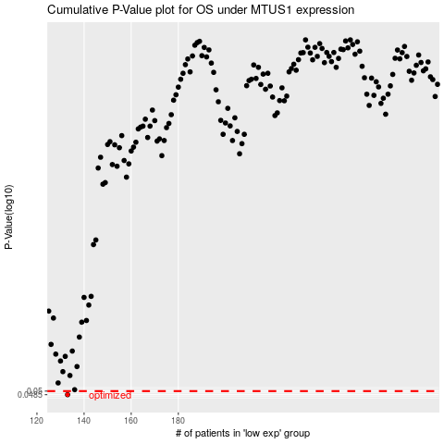

 |  |  |  |  |  | cases_OS | p_OS | rank | exp
 |  |  |  |  |  | 133 | 0.0485 | 305 | -0.63090584904
 |  |  |  |  |  |  | cases_RFS | p_RFS | rank | exp
 |  |  |  |  |  |  | 132 | 0.0485 | 222 | -0.63128898141

