MTX1 _multivariate
Reported by Tex Li-Hsing Chi. tex@gate.sinica.edu.tw 2019-08-17

Table 2. The clinicopathological features of HNSCC cohort and MTX1 expression. (Chi square test)
Cutoff at -0.386 (35.5%)
 |  | MTX1 expression |  | MTX1 expression |  | (Optimised)
 | Features | Low | (%) | High | (%) | Case no | P-value | Remark | Matthews
Gender | Female | 103 | 24.8 | 203 | 48.9 | 415 | 0.19 | 0 | 0
2 | Male | 45 | 10.8 | 64 | 15.4
Age at diagnosis | <=65y | 99 | 23.9 | 175 | 42.2 | 415 | 0.8652 | 0 | 0
4 | >65y | 49 | 11.8 | 92 | 22.2
Clinical T Status | T1+T2 | 61 | 14.7 | 88 | 21.2 | 415 | 0.1158 | 0 | 0
6 | T3+T4 | 87 | 21 | 179 | 43.1
Clinical N Status | N0 | 77 | 18.6 | 139 | 33.5 | 415 | 1 | 0 | 0
8 | N1-3 | 71 | 17.1 | 128 | 30.8
Clinical M Status | M0 | 147 | 35.4 | 265 | 63.9 | 415 | 1 | 0 | 0
10 | M1 | 1 | 0.2 | 2 | 0.5
Clinical Stage | Stage I+II | 40 | 9.6 | 62 | 14.9 | 415 | 0.4571 | 0 | 0
12 | Stage III+IV | 108 | 26 | 205 | 49.4
Surgical Margin status | Negative | 111 | 26.7 | 207 | 49.9 | 415 | 0.6283 | 0 | 0
14 | Positive | 37 | 8.9 | 60 | 14.5
Tobacco Exposure | Low | 59 | 14.2 | 102 | 24.6 | 415 | 0.7533 | 0 | 0
16 | High | 89 | 21.4 | 165 | 39.8

Table 3. Univariate/Multivariate Cox's proportional hazards regression analyses on OS time of MTX1 gene expression in HNSCC

 |  | Univariate |  |  |  | Multivariate
 | Features | HR | CI95%(L) | CI95%(H) | P-value | HR | CI95%(L) | CI95%(H) | P-value
1 | Female | 1 |  |  |  | 1
Gender | Male | 1.157 | 0.843 | 1.587 | 0.367 | 1.212 | 0.867 | 1.694 | 0.261
11 | <=65y | 1 |  |  |  | 1
Age at diagnosis | >65y | 1.329 | 0.99 | 1.784 | 0.058 | 1.404 | 1.033 | 1.908 | 0.03
12 | T1+T2 | 1 |  |  |  | 1
Clinical T Status | T3+T4 | 1.409 | 1.028 | 1.931 | 0.033 | 2.138 | 1.13 | 4.046 | 0.02
13 | N0 | 1 |  |  |  | 1
Clinical N Status | N1-3 | 1.185 | 0.89 | 1.577 | 0.246 | 1.229 | 0.862 | 1.753 | 0.255
14 | M0 | 1 |  |  |  | 1
Clinical M Status | M1 | 4.097 | 1.009 | 16.644 | 0.049 | 8.873 | 1.932 | 40.756 | 0.005
15 | Stage I+II | 1 |  |  |  | 1
Clinical Stage | Stage III+IV | 1.245 | 0.882 | 1.759 | 0.213 | 0.515 | 0.24 | 1.104 | 0.088
16 | Negative | 1 |  |  |  | 1
Surgical Margin status | Positive | 1.591 | 1.155 | 2.191 | 0.004 | 1.674 | 1.212 | 2.313 | 0.002
17 | Low | 1 |  |  |  | 1
Tobacco Exposure | High | 1.364 | 1.008 | 1.844 | 0.044 | 1.436 | 1.041 | 1.98 | 0.027
18 | Low | 1 |  |  |  | 1
RNAseq(z-score) | High | 1.365 | 1.001 | 1.863 | 0.049 | 1.313 | 0.96 | 1.795 | 0.088

Table 4. Univariate/Multivariate Cox's proportional hazards regression analyses on RFS time of MTX1 gene expression in HNSCC

 |  | Univariate |  |  |  | Multivariate
 | Features | HR | CI95%(L) | CI95%(H) | P-value | HR | CI95%(L) | CI95%(H) | P-value
1 | Female | 1 |  |  |  | 1
Gender | Male | 1.157 | 0.843 | 1.587 | 0.367 | 1.212 | 0.867 | 1.694 | 0.261
11 | <=65y | 1 |  |  |  | 1
Age at diagnosis | >65y | 1.329 | 0.99 | 1.784 | 0.058 | 1.404 | 1.033 | 1.908 | 0.03
12 | T1+T2 | 1 |  |  |  | 1
Clinical T Status | T3+T4 | 1.409 | 1.028 | 1.931 | 0.033 | 2.138 | 1.13 | 4.046 | 0.02
13 | N0 | 1 |  |  |  | 1
Clinical N Status | N1-3 | 1.185 | 0.89 | 1.577 | 0.246 | 1.229 | 0.862 | 1.753 | 0.255
14 | M0 | 1 |  |  |  | 1
Clinical M Status | M1 | 4.097 | 1.009 | 16.644 | 0.049 | 8.873 | 1.932 | 40.756 | 0.005
15 | Stage I+II | 1 |  |  |  | 1
Clinical Stage | Stage III+IV | 1.245 | 0.882 | 1.759 | 0.213 | 0.515 | 0.24 | 1.104 | 0.088
16 | Negative | 1 |  |  |  | 1
Surgical Margin status | Positive | 1.591 | 1.155 | 2.191 | 0.004 | 1.674 | 1.212 | 2.313 | 0.002
17 | Low | 1 |  |  |  | 1
Tobacco Exposure | High | 1.364 | 1.008 | 1.844 | 0.044 | 1.436 | 1.041 | 1.98 | 0.027
18 | Low | 1 |  |  |  | 1
RNAseq(z-score) | High | 1.365 | 1.001 | 1.863 | 0.049 | 1.313 | 0.96 | 1.795 | 0.088

Kaplan-Meier survival estimate: Cutoff at -0.386 (35.5%)



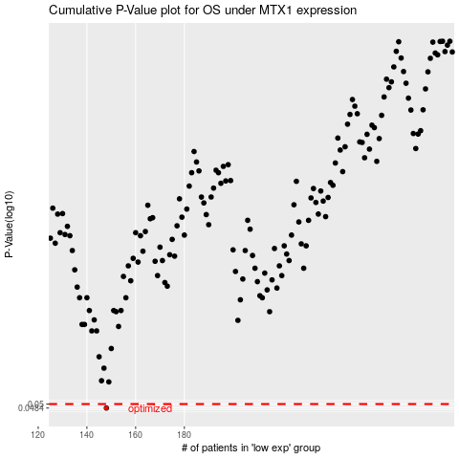

 |  |  |  |  |  | cases_OS | p_OS | rank | exp
 |  |  |  |  |  | 148 | 0.0484 | 375 | -0.38604929588
 |  |  |  |  |  |  | cases_RFS | p_RFS | rank | exp
 |  |  |  |  |  |  | 147 | 0.0484 | 131 | -0.38689190686

