MTX3 _multivariate
Reported by Tex Li-Hsing Chi. tex@gate.sinica.edu.tw 2019-08-17

Table 2. The clinicopathological features of HNSCC cohort and MTX3 expression. (Chi square test)
Cutoff at -0.158 (50.0%)
 |  | MTX3 expression |  | MTX3 expression |  | (Optimised)
 | Features | Low | (%) | High | (%) | Case no | P-value | Remark | Matthews
Gender | Female | 153 | 36.9 | 153 | 36.9 | 415 | 1 | 0 | 0
2 | Male | 54 | 13 | 55 | 13.3
Age at diagnosis | <=65y | 134 | 32.3 | 140 | 33.7 | 415 | 0.6529 | 0 | 0
4 | >65y | 73 | 17.6 | 68 | 16.4
Clinical T Status | T1+T2 | 62 | 14.9 | 87 | 21 | 415 | 0.0156 | 1 | 0
6 | T3+T4 | 145 | 34.9 | 121 | 29.2
Clinical N Status | N0 | 113 | 27.2 | 103 | 24.8 | 415 | 0.3495 | 1 | 0
8 | N1-3 | 94 | 22.7 | 105 | 25.3
Clinical M Status | M0 | 206 | 49.6 | 206 | 49.6 | 415 | 1 | 0 | 0
10 | M1 | 1 | 0.2 | 2 | 0.5
Clinical Stage | Stage I+II | 49 | 11.8 | 53 | 12.8 | 415 | 0.7535 | 0 | 0
12 | Stage III+IV | 158 | 38.1 | 155 | 37.3
Surgical Margin status | Negative | 162 | 39 | 156 | 37.6 | 415 | 0.4867 | 0 | 0
14 | Positive | 45 | 10.8 | 52 | 12.5
Tobacco Exposure | Low | 85 | 20.5 | 76 | 18.3 | 415 | 0.3655 | 0 | 0
16 | High | 122 | 29.4 | 132 | 31.8

Table 3. Univariate/Multivariate Cox's proportional hazards regression analyses on OS time of MTX3 gene expression in HNSCC

 |  | Univariate |  |  |  | Multivariate
 | Features | HR | CI95%(L) | CI95%(H) | P-value | HR | CI95%(L) | CI95%(H) | P-value
1 | Female | 1 |  |  |  | 1
Gender | Male | 1.157 | 0.843 | 1.587 | 0.367 | 1.201 | 0.86 | 1.678 | 0.282
11 | <=65y | 1 |  |  |  | 1
Age at diagnosis | >65y | 1.329 | 0.99 | 1.784 | 0.058 | 1.393 | 1.025 | 1.894 | 0.034
12 | T1+T2 | 1 |  |  |  | 1
Clinical T Status | T3+T4 | 1.409 | 1.028 | 1.931 | 0.033 | 2.18 | 1.148 | 4.139 | 0.017
13 | N0 | 1 |  |  |  | 1
Clinical N Status | N1-3 | 1.185 | 0.89 | 1.577 | 0.246 | 1.243 | 0.871 | 1.774 | 0.231
14 | M0 | 1 |  |  |  | 1
Clinical M Status | M1 | 4.097 | 1.009 | 16.644 | 0.049 | 9.352 | 2.039 | 42.895 | 0.004
15 | Stage I+II | 1 |  |  |  | 1
Clinical Stage | Stage III+IV | 1.245 | 0.882 | 1.759 | 0.213 | 0.509 | 0.236 | 1.094 | 0.084
16 | Negative | 1 |  |  |  | 1
Surgical Margin status | Positive | 1.591 | 1.155 | 2.191 | 0.004 | 1.675 | 1.212 | 2.314 | 0.002
17 | Low | 1 |  |  |  | 1
Tobacco Exposure | High | 1.364 | 1.008 | 1.844 | 0.044 | 1.454 | 1.055 | 2.003 | 0.022
18 | Low | 1 |  |  |  | 1
RNAseq(z-score) | High | 0.94 | 0.705 | 1.252 | 0.672 | 0.961 | 0.718 | 1.285 | 0.786

Table 4. Univariate/Multivariate Cox's proportional hazards regression analyses on RFS time of MTX3 gene expression in HNSCC

 |  | Univariate |  |  |  | Multivariate
 | Features | HR | CI95%(L) | CI95%(H) | P-value | HR | CI95%(L) | CI95%(H) | P-value
1 | Female | 1 |  |  |  | 1
Gender | Male | 1.157 | 0.843 | 1.587 | 0.367 | 1.201 | 0.86 | 1.678 | 0.282
11 | <=65y | 1 |  |  |  | 1
Age at diagnosis | >65y | 1.329 | 0.99 | 1.784 | 0.058 | 1.393 | 1.025 | 1.894 | 0.034
12 | T1+T2 | 1 |  |  |  | 1
Clinical T Status | T3+T4 | 1.409 | 1.028 | 1.931 | 0.033 | 2.18 | 1.148 | 4.139 | 0.017
13 | N0 | 1 |  |  |  | 1
Clinical N Status | N1-3 | 1.185 | 0.89 | 1.577 | 0.246 | 1.243 | 0.871 | 1.774 | 0.231
14 | M0 | 1 |  |  |  | 1
Clinical M Status | M1 | 4.097 | 1.009 | 16.644 | 0.049 | 9.352 | 2.039 | 42.895 | 0.004
15 | Stage I+II | 1 |  |  |  | 1
Clinical Stage | Stage III+IV | 1.245 | 0.882 | 1.759 | 0.213 | 0.509 | 0.236 | 1.094 | 0.084
16 | Negative | 1 |  |  |  | 1
Surgical Margin status | Positive | 1.591 | 1.155 | 2.191 | 0.004 | 1.675 | 1.212 | 2.314 | 0.002
17 | Low | 1 |  |  |  | 1
Tobacco Exposure | High | 1.364 | 1.008 | 1.844 | 0.044 | 1.454 | 1.055 | 2.003 | 0.022
18 | Low | 1 |  |  |  | 1
RNAseq(z-score) | High | 0.94 | 0.705 | 1.252 | 0.672 | 0.961 | 0.718 | 1.285 | 0.786

Kaplan-Meier survival estimate: Cutoff at -0.158 (50.0%)



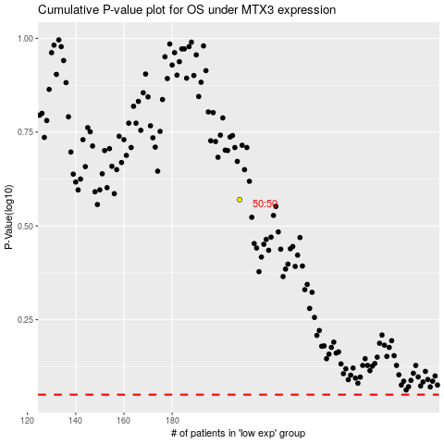

 |  |  |  |  |  | cases_OS | p_OS | rank | exp
 |  |  |  |  |  |  | cases_RFS | p_RFS | rank | exp

