MUC1 _multivariate
Reported by Tex Li-Hsing Chi. tex@gate.sinica.edu.tw 2019-08-17

Table 2. The clinicopathological features of HNSCC cohort and MUC1 expression. (Chi square test)
Cutoff at -0.355 (50.0%)
 |  | MUC1 expression |  | MUC1 expression |  | (Optimised)
 | Features | Low | (%) | High | (%) | Case no | P-value | Remark | Matthews
Gender | Female | 151 | 36.4 | 155 | 37.3 | 415 | 0.8007 | 0 | 0
2 | Male | 56 | 13.5 | 53 | 12.8
Age at diagnosis | <=65y | 152 | 36.6 | 122 | 29.4 | 415 | 0.0021 | 1 | 0
4 | >65y | 55 | 13.3 | 86 | 20.7
Clinical T Status | T1+T2 | 83 | 20 | 66 | 15.9 | 415 | 0.0941 | 0 | 0
6 | T3+T4 | 124 | 29.9 | 142 | 34.2
Clinical N Status | N0 | 107 | 25.8 | 109 | 26.3 | 415 | 0.9624 | 0 | 0
8 | N1-3 | 100 | 24.1 | 99 | 23.9
Clinical M Status | M0 | 204 | 49.2 | 208 | 50.1 | 415 | 0.1232 | 0 | 0
10 | M1 | 3 | 0.7 | 0 | 0
Clinical Stage | Stage I+II | 54 | 13 | 48 | 11.6 | 415 | 0.5498 | 0 | 0
12 | Stage III+IV | 153 | 36.9 | 160 | 38.6
Surgical Margin status | Negative | 154 | 37.1 | 164 | 39.5 | 415 | 0.2984 | 0 | 0
14 | Positive | 53 | 12.8 | 44 | 10.6
Tobacco Exposure | Low | 75 | 18.1 | 86 | 20.7 | 415 | 0.3141 | 0 | 0
16 | High | 132 | 31.8 | 122 | 29.4

Table 3. Univariate/Multivariate Cox's proportional hazards regression analyses on OS time of MUC1 gene expression in HNSCC

 |  | Univariate |  |  |  | Multivariate
 | Features | HR | CI95%(L) | CI95%(H) | P-value | HR | CI95%(L) | CI95%(H) | P-value
1 | Female | 1 |  |  |  | 1
Gender | Male | 1.157 | 0.843 | 1.587 | 0.367 | 1.181 | 0.845 | 1.65 | 0.33
11 | <=65y | 1 |  |  |  | 1
Age at diagnosis | >65y | 1.329 | 0.99 | 1.784 | 0.058 | 1.463 | 1.067 | 2.007 | 0.018
12 | T1+T2 | 1 |  |  |  | 1
Clinical T Status | T3+T4 | 1.409 | 1.028 | 1.931 | 0.033 | 2.3 | 1.212 | 4.362 | 0.011
13 | N0 | 1 |  |  |  | 1
Clinical N Status | N1-3 | 1.185 | 0.89 | 1.577 | 0.246 | 1.267 | 0.887 | 1.809 | 0.194
14 | M0 | 1 |  |  |  | 1
Clinical M Status | M1 | 4.097 | 1.009 | 16.644 | 0.049 | 8.8 | 1.914 | 40.46 | 0.005
15 | Stage I+II | 1 |  |  |  | 1
Clinical Stage | Stage III+IV | 1.245 | 0.882 | 1.759 | 0.213 | 0.481 | 0.224 | 1.036 | 0.062
16 | Negative | 1 |  |  |  | 1
Surgical Margin status | Positive | 1.591 | 1.155 | 2.191 | 0.004 | 1.651 | 1.193 | 2.283 | 0.002
17 | Low | 1 |  |  |  | 1
Tobacco Exposure | High | 1.364 | 1.008 | 1.844 | 0.044 | 1.443 | 1.047 | 1.988 | 0.025
18 | Low | 1 |  |  |  | 1
RNAseq(z-score) | High | 0.869 | 0.653 | 1.158 | 0.339 | 0.815 | 0.604 | 1.1 | 0.181

Table 4. Univariate/Multivariate Cox's proportional hazards regression analyses on RFS time of MUC1 gene expression in HNSCC

 |  | Univariate |  |  |  | Multivariate
 | Features | HR | CI95%(L) | CI95%(H) | P-value | HR | CI95%(L) | CI95%(H) | P-value
1 | Female | 1 |  |  |  | 1
Gender | Male | 1.157 | 0.843 | 1.587 | 0.367 | 1.181 | 0.845 | 1.65 | 0.33
11 | <=65y | 1 |  |  |  | 1
Age at diagnosis | >65y | 1.329 | 0.99 | 1.784 | 0.058 | 1.463 | 1.067 | 2.007 | 0.018
12 | T1+T2 | 1 |  |  |  | 1
Clinical T Status | T3+T4 | 1.409 | 1.028 | 1.931 | 0.033 | 2.3 | 1.212 | 4.362 | 0.011
13 | N0 | 1 |  |  |  | 1
Clinical N Status | N1-3 | 1.185 | 0.89 | 1.577 | 0.246 | 1.267 | 0.887 | 1.809 | 0.194
14 | M0 | 1 |  |  |  | 1
Clinical M Status | M1 | 4.097 | 1.009 | 16.644 | 0.049 | 8.8 | 1.914 | 40.46 | 0.005
15 | Stage I+II | 1 |  |  |  | 1
Clinical Stage | Stage III+IV | 1.245 | 0.882 | 1.759 | 0.213 | 0.481 | 0.224 | 1.036 | 0.062
16 | Negative | 1 |  |  |  | 1
Surgical Margin status | Positive | 1.591 | 1.155 | 2.191 | 0.004 | 1.651 | 1.193 | 2.283 | 0.002
17 | Low | 1 |  |  |  | 1
Tobacco Exposure | High | 1.364 | 1.008 | 1.844 | 0.044 | 1.443 | 1.047 | 1.988 | 0.025
18 | Low | 1 |  |  |  | 1
RNAseq(z-score) | High | 0.869 | 0.653 | 1.158 | 0.339 | 0.815 | 0.604 | 1.1 | 0.181

Kaplan-Meier survival estimate: Cutoff at -0.355 (50.0%)



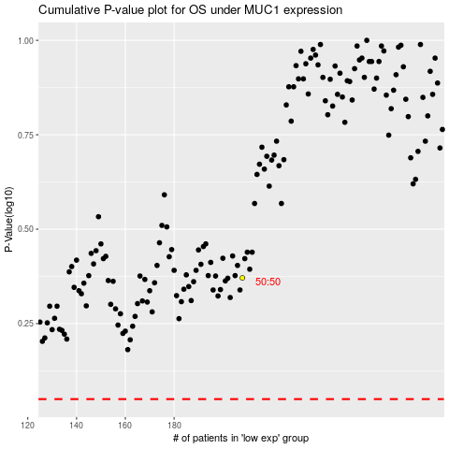

 |  |  |  |  |  | cases_OS | p_OS | rank | exp
 |  |  |  |  |  |  | cases_RFS | p_RFS | rank | exp

