MUC6 _multivariate
Reported by Tex Li-Hsing Chi. tex@gate.sinica.edu.tw 2019-08-17

Table 2. The clinicopathological features of HNSCC cohort and MUC6 expression. (Chi square test)
Cutoff at -0.052 (49.8%)
 |  | MUC6 expression |  | MUC6 expression |  | (Optimised)
 | Features | Low | (%) | High | (%) | Case no | P-value | Remark | Matthews
Gender | Female | 156 | 37.6 | 150 | 36.1 | 415 | 0.5222 | 0 | 0
2 | Male | 51 | 12.3 | 58 | 14
Age at diagnosis | <=65y | 139 | 33.5 | 135 | 32.5 | 415 | 0.7044 | 0 | 0
4 | >65y | 68 | 16.4 | 73 | 17.6
Clinical T Status | T1+T2 | 65 | 15.7 | 84 | 20.2 | 415 | 0.0711 | 0 | 0
6 | T3+T4 | 142 | 34.2 | 124 | 29.9
Clinical N Status | N0 | 96 | 23.1 | 120 | 28.9 | 415 | 0.0272 | 1 | 0
8 | N1-3 | 111 | 26.7 | 88 | 21.2
Clinical M Status | M0 | 206 | 49.6 | 206 | 49.6 | 415 | 1 | 0 | 0
10 | M1 | 1 | 0.2 | 2 | 0.5
Clinical Stage | Stage I+II | 43 | 10.4 | 59 | 14.2 | 415 | 0.0925 | 0 | 0
12 | Stage III+IV | 164 | 39.5 | 149 | 35.9
Surgical Margin status | Negative | 158 | 38.1 | 160 | 38.6 | 415 | 0.9081 | 0 | 0
14 | Positive | 49 | 11.8 | 48 | 11.6
Tobacco Exposure | Low | 91 | 21.9 | 70 | 16.9 | 415 | 0.0346 | 1 | 0
16 | High | 116 | 28 | 138 | 33.3

Table 3. Univariate/Multivariate Cox's proportional hazards regression analyses on OS time of MUC6 gene expression in HNSCC

 |  | Univariate |  |  |  | Multivariate
 | Features | HR | CI95%(L) | CI95%(H) | P-value | HR | CI95%(L) | CI95%(H) | P-value
1 | Female | 1 |  |  |  | 1
Gender | Male | 1.157 | 0.843 | 1.587 | 0.367 | 1.202 | 0.861 | 1.68 | 0.28
11 | <=65y | 1 |  |  |  | 1
Age at diagnosis | >65y | 1.329 | 0.99 | 1.784 | 0.058 | 1.392 | 1.024 | 1.893 | 0.035
12 | T1+T2 | 1 |  |  |  | 1
Clinical T Status | T3+T4 | 1.409 | 1.028 | 1.931 | 0.033 | 2.197 | 1.16 | 4.162 | 0.016
13 | N0 | 1 |  |  |  | 1
Clinical N Status | N1-3 | 1.185 | 0.89 | 1.577 | 0.246 | 1.238 | 0.866 | 1.771 | 0.242
14 | M0 | 1 |  |  |  | 1
Clinical M Status | M1 | 4.097 | 1.009 | 16.644 | 0.049 | 9.413 | 2.053 | 43.149 | 0.004
15 | Stage I+II | 1 |  |  |  | 1
Clinical Stage | Stage III+IV | 1.245 | 0.882 | 1.759 | 0.213 | 0.505 | 0.235 | 1.085 | 0.08
16 | Negative | 1 |  |  |  | 1
Surgical Margin status | Positive | 1.591 | 1.155 | 2.191 | 0.004 | 1.672 | 1.21 | 2.311 | 0.002
17 | Low | 1 |  |  |  | 1
Tobacco Exposure | High | 1.364 | 1.008 | 1.844 | 0.044 | 1.456 | 1.054 | 2.012 | 0.023
18 | Low | 1 |  |  |  | 1
RNAseq(z-score) | High | 0.979 | 0.735 | 1.304 | 0.884 | 0.986 | 0.735 | 1.322 | 0.922

Table 4. Univariate/Multivariate Cox's proportional hazards regression analyses on RFS time of MUC6 gene expression in HNSCC

 |  | Univariate |  |  |  | Multivariate
 | Features | HR | CI95%(L) | CI95%(H) | P-value | HR | CI95%(L) | CI95%(H) | P-value
1 | Female | 1 |  |  |  | 1
Gender | Male | 1.157 | 0.843 | 1.587 | 0.367 | 1.202 | 0.861 | 1.68 | 0.28
11 | <=65y | 1 |  |  |  | 1
Age at diagnosis | >65y | 1.329 | 0.99 | 1.784 | 0.058 | 1.392 | 1.024 | 1.893 | 0.035
12 | T1+T2 | 1 |  |  |  | 1
Clinical T Status | T3+T4 | 1.409 | 1.028 | 1.931 | 0.033 | 2.197 | 1.16 | 4.162 | 0.016
13 | N0 | 1 |  |  |  | 1
Clinical N Status | N1-3 | 1.185 | 0.89 | 1.577 | 0.246 | 1.238 | 0.866 | 1.771 | 0.242
14 | M0 | 1 |  |  |  | 1
Clinical M Status | M1 | 4.097 | 1.009 | 16.644 | 0.049 | 9.413 | 2.053 | 43.149 | 0.004
15 | Stage I+II | 1 |  |  |  | 1
Clinical Stage | Stage III+IV | 1.245 | 0.882 | 1.759 | 0.213 | 0.505 | 0.235 | 1.085 | 0.08
16 | Negative | 1 |  |  |  | 1
Surgical Margin status | Positive | 1.591 | 1.155 | 2.191 | 0.004 | 1.672 | 1.21 | 2.311 | 0.002
17 | Low | 1 |  |  |  | 1
Tobacco Exposure | High | 1.364 | 1.008 | 1.844 | 0.044 | 1.456 | 1.054 | 2.012 | 0.023
18 | Low | 1 |  |  |  | 1
RNAseq(z-score) | High | 0.979 | 0.735 | 1.304 | 0.884 | 0.986 | 0.735 | 1.322 | 0.922

Kaplan-Meier survival estimate: Cutoff at -0.052 (49.8%)



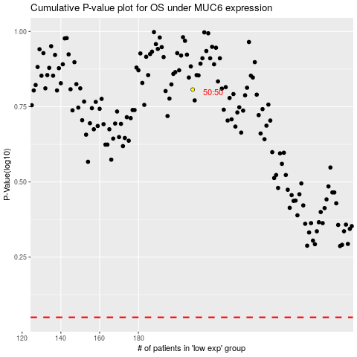

 |  |  |  |  |  | cases_OS | p_OS | rank | exp
 |  |  |  |  |  |  | cases_RFS | p_RFS | rank | exp

