MUCL1 _multivariate
Reported by Tex Li-Hsing Chi. tex@gate.sinica.edu.tw 2019-08-17

Table 2. The clinicopathological features of HNSCC cohort and MUCL1 expression. (Chi square test)
Cutoff at -0.174 (50.0%)
 |  | MUCL1 expression |  | MUCL1 expression |  | (Optimised)
 | Features | Low | (%) | High | (%) | Case no | P-value | Remark | Matthews
Gender | Female | 166 | 40 | 140 | 33.7 | 415 | 0.0041 | 1 | 0
2 | Male | 41 | 9.9 | 68 | 16.4
Age at diagnosis | <=65y | 151 | 36.4 | 123 | 29.6 | 415 | 0.0041 | 1 | 0
4 | >65y | 56 | 13.5 | 85 | 20.5
Clinical T Status | T1+T2 | 78 | 18.8 | 71 | 17.1 | 415 | 0.5152 | 0 | 0
6 | T3+T4 | 129 | 31.1 | 137 | 33
Clinical N Status | N0 | 102 | 24.6 | 114 | 27.5 | 415 | 0.3031 | 0 | 0
8 | N1-3 | 105 | 25.3 | 94 | 22.7
Clinical M Status | M0 | 206 | 49.6 | 206 | 49.6 | 415 | 1 | 0 | 0
10 | M1 | 1 | 0.2 | 2 | 0.5
Clinical Stage | Stage I+II | 49 | 11.8 | 53 | 12.8 | 415 | 0.7535 | 0 | 0
12 | Stage III+IV | 158 | 38.1 | 155 | 37.3
Surgical Margin status | Negative | 164 | 39.5 | 154 | 37.1 | 415 | 0.2462 | 0 | 0
14 | Positive | 43 | 10.4 | 54 | 13
Tobacco Exposure | Low | 69 | 16.6 | 92 | 22.2 | 415 | 0.0266 | 1 | 0
16 | High | 138 | 33.3 | 116 | 28

Table 3. Univariate/Multivariate Cox's proportional hazards regression analyses on OS time of MUCL1 gene expression in HNSCC

 |  | Univariate |  |  |  | Multivariate
 | Features | HR | CI95%(L) | CI95%(H) | P-value | HR | CI95%(L) | CI95%(H) | P-value
1 | Female | 1 |  |  |  | 1
Gender | Male | 1.157 | 0.843 | 1.587 | 0.367 | 1.185 | 0.845 | 1.66 | 0.325
11 | <=65y | 1 |  |  |  | 1
Age at diagnosis | >65y | 1.329 | 0.99 | 1.784 | 0.058 | 1.382 | 1.016 | 1.881 | 0.039
12 | T1+T2 | 1 |  |  |  | 1
Clinical T Status | T3+T4 | 1.409 | 1.028 | 1.931 | 0.033 | 2.174 | 1.148 | 4.116 | 0.017
13 | N0 | 1 |  |  |  | 1
Clinical N Status | N1-3 | 1.185 | 0.89 | 1.577 | 0.246 | 1.25 | 0.876 | 1.784 | 0.219
14 | M0 | 1 |  |  |  | 1
Clinical M Status | M1 | 4.097 | 1.009 | 16.644 | 0.049 | 9.117 | 1.983 | 41.92 | 0.005
15 | Stage I+II | 1 |  |  |  | 1
Clinical Stage | Stage III+IV | 1.245 | 0.882 | 1.759 | 0.213 | 0.508 | 0.237 | 1.091 | 0.083
16 | Negative | 1 |  |  |  | 1
Surgical Margin status | Positive | 1.591 | 1.155 | 2.191 | 0.004 | 1.658 | 1.199 | 2.293 | 0.002
17 | Low | 1 |  |  |  | 1
Tobacco Exposure | High | 1.364 | 1.008 | 1.844 | 0.044 | 1.459 | 1.058 | 2.011 | 0.021
18 | Low | 1 |  |  |  | 1
RNAseq(z-score) | High | 1.187 | 0.891 | 1.581 | 0.243 | 1.1 | 0.819 | 1.477 | 0.528

Table 4. Univariate/Multivariate Cox's proportional hazards regression analyses on RFS time of MUCL1 gene expression in HNSCC

 |  | Univariate |  |  |  | Multivariate
 | Features | HR | CI95%(L) | CI95%(H) | P-value | HR | CI95%(L) | CI95%(H) | P-value
1 | Female | 1 |  |  |  | 1
Gender | Male | 1.157 | 0.843 | 1.587 | 0.367 | 1.185 | 0.845 | 1.66 | 0.325
11 | <=65y | 1 |  |  |  | 1
Age at diagnosis | >65y | 1.329 | 0.99 | 1.784 | 0.058 | 1.382 | 1.016 | 1.881 | 0.039
12 | T1+T2 | 1 |  |  |  | 1
Clinical T Status | T3+T4 | 1.409 | 1.028 | 1.931 | 0.033 | 2.174 | 1.148 | 4.116 | 0.017
13 | N0 | 1 |  |  |  | 1
Clinical N Status | N1-3 | 1.185 | 0.89 | 1.577 | 0.246 | 1.25 | 0.876 | 1.784 | 0.219
14 | M0 | 1 |  |  |  | 1
Clinical M Status | M1 | 4.097 | 1.009 | 16.644 | 0.049 | 9.117 | 1.983 | 41.92 | 0.005
15 | Stage I+II | 1 |  |  |  | 1
Clinical Stage | Stage III+IV | 1.245 | 0.882 | 1.759 | 0.213 | 0.508 | 0.237 | 1.091 | 0.083
16 | Negative | 1 |  |  |  | 1
Surgical Margin status | Positive | 1.591 | 1.155 | 2.191 | 0.004 | 1.658 | 1.199 | 2.293 | 0.002
17 | Low | 1 |  |  |  | 1
Tobacco Exposure | High | 1.364 | 1.008 | 1.844 | 0.044 | 1.459 | 1.058 | 2.011 | 0.021
18 | Low | 1 |  |  |  | 1
RNAseq(z-score) | High | 1.187 | 0.891 | 1.581 | 0.243 | 1.1 | 0.819 | 1.477 | 0.528

Kaplan-Meier survival estimate: Cutoff at -0.174 (50.0%)



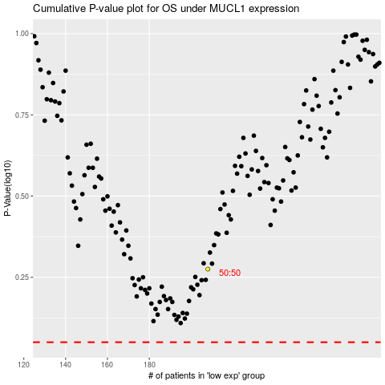

 |  |  |  |  |  | cases_OS | p_OS | rank | exp
 |  |  |  |  |  |  | cases_RFS | p_RFS | rank | exp

