MUT _multivariate
Reported by Tex Li-Hsing Chi. tex@gate.sinica.edu.tw 2019-08-17

Table 2. The clinicopathological features of HNSCC cohort and MUT expression. (Chi square test)
Cutoff at -0.259 (50.0%)
 |  | MUT expression |  | MUT expression |  | (Optimised)
 | Features | Low | (%) | High | (%) | Case no | P-value | Remark | Matthews
Gender | Female | 147 | 35.4 | 159 | 38.3 | 415 | 0.2523 | 0 | 0
2 | Male | 60 | 14.5 | 49 | 11.8
Age at diagnosis | <=65y | 124 | 29.9 | 150 | 36.1 | 415 | 0.0116 | 1 | 0
4 | >65y | 83 | 20 | 58 | 14
Clinical T Status | T1+T2 | 73 | 17.6 | 76 | 18.3 | 415 | 0.8666 | 0 | 0
6 | T3+T4 | 134 | 32.3 | 132 | 31.8
Clinical N Status | N0 | 109 | 26.3 | 107 | 25.8 | 415 | 0.8812 | 0 | 0
8 | N1-3 | 98 | 23.6 | 101 | 24.3
Clinical M Status | M0 | 204 | 49.2 | 208 | 50.1 | 415 | 0.1232 | 0 | 0
10 | M1 | 3 | 0.7 | 0 | 0
Clinical Stage | Stage I+II | 54 | 13 | 48 | 11.6 | 415 | 0.5498 | 0 | 0
12 | Stage III+IV | 153 | 36.9 | 160 | 38.6
Surgical Margin status | Negative | 162 | 39 | 156 | 37.6 | 415 | 0.4867 | 0 | 0
14 | Positive | 45 | 10.8 | 52 | 12.5
Tobacco Exposure | Low | 87 | 21 | 74 | 17.8 | 415 | 0.1911 | 0 | 0
16 | High | 120 | 28.9 | 134 | 32.3

Table 3. Univariate/Multivariate Cox's proportional hazards regression analyses on OS time of MUT gene expression in HNSCC

 |  | Univariate |  |  |  | Multivariate
 | Features | HR | CI95%(L) | CI95%(H) | P-value | HR | CI95%(L) | CI95%(H) | P-value
1 | Female | 1 |  |  |  | 1
Gender | Male | 1.157 | 0.843 | 1.587 | 0.367 | 1.2 | 0.859 | 1.678 | 0.286
11 | <=65y | 1 |  |  |  | 1
Age at diagnosis | >65y | 1.329 | 0.99 | 1.784 | 0.058 | 1.373 | 1.006 | 1.873 | 0.046
12 | T1+T2 | 1 |  |  |  | 1
Clinical T Status | T3+T4 | 1.409 | 1.028 | 1.931 | 0.033 | 2.153 | 1.133 | 4.091 | 0.019
13 | N0 | 1 |  |  |  | 1
Clinical N Status | N1-3 | 1.185 | 0.89 | 1.577 | 0.246 | 1.222 | 0.853 | 1.751 | 0.274
14 | M0 | 1 |  |  |  | 1
Clinical M Status | M1 | 4.097 | 1.009 | 16.644 | 0.049 | 8.869 | 1.909 | 41.212 | 0.005
15 | Stage I+II | 1 |  |  |  | 1
Clinical Stage | Stage III+IV | 1.245 | 0.882 | 1.759 | 0.213 | 0.521 | 0.241 | 1.127 | 0.098
16 | Negative | 1 |  |  |  | 1
Surgical Margin status | Positive | 1.591 | 1.155 | 2.191 | 0.004 | 1.665 | 1.204 | 2.3 | 0.002
17 | Low | 1 |  |  |  | 1
Tobacco Exposure | High | 1.364 | 1.008 | 1.844 | 0.044 | 1.458 | 1.058 | 2.01 | 0.021
18 | Low | 1 |  |  |  | 1
RNAseq(z-score) | High | 0.818 | 0.614 | 1.09 | 0.171 | 0.919 | 0.683 | 1.237 | 0.578

Table 4. Univariate/Multivariate Cox's proportional hazards regression analyses on RFS time of MUT gene expression in HNSCC

 |  | Univariate |  |  |  | Multivariate
 | Features | HR | CI95%(L) | CI95%(H) | P-value | HR | CI95%(L) | CI95%(H) | P-value
1 | Female | 1 |  |  |  | 1
Gender | Male | 1.157 | 0.843 | 1.587 | 0.367 | 1.2 | 0.859 | 1.678 | 0.286
11 | <=65y | 1 |  |  |  | 1
Age at diagnosis | >65y | 1.329 | 0.99 | 1.784 | 0.058 | 1.373 | 1.006 | 1.873 | 0.046
12 | T1+T2 | 1 |  |  |  | 1
Clinical T Status | T3+T4 | 1.409 | 1.028 | 1.931 | 0.033 | 2.153 | 1.133 | 4.091 | 0.019
13 | N0 | 1 |  |  |  | 1
Clinical N Status | N1-3 | 1.185 | 0.89 | 1.577 | 0.246 | 1.222 | 0.853 | 1.751 | 0.274
14 | M0 | 1 |  |  |  | 1
Clinical M Status | M1 | 4.097 | 1.009 | 16.644 | 0.049 | 8.869 | 1.909 | 41.212 | 0.005
15 | Stage I+II | 1 |  |  |  | 1
Clinical Stage | Stage III+IV | 1.245 | 0.882 | 1.759 | 0.213 | 0.521 | 0.241 | 1.127 | 0.098
16 | Negative | 1 |  |  |  | 1
Surgical Margin status | Positive | 1.591 | 1.155 | 2.191 | 0.004 | 1.665 | 1.204 | 2.3 | 0.002
17 | Low | 1 |  |  |  | 1
Tobacco Exposure | High | 1.364 | 1.008 | 1.844 | 0.044 | 1.458 | 1.058 | 2.01 | 0.021
18 | Low | 1 |  |  |  | 1
RNAseq(z-score) | High | 0.818 | 0.614 | 1.09 | 0.171 | 0.919 | 0.683 | 1.237 | 0.578

Kaplan-Meier survival estimate: Cutoff at -0.259 (50.0%)



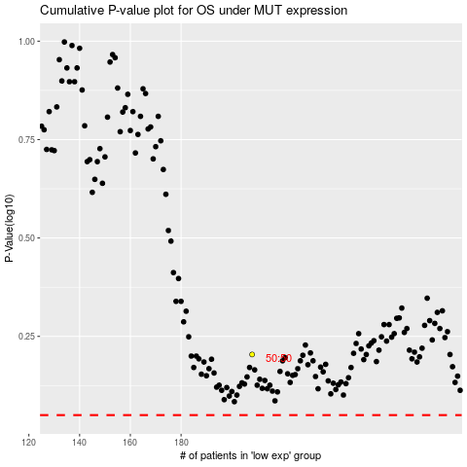

 |  |  |  |  |  | cases_OS | p_OS | rank | exp
 |  |  |  |  |  |  | cases_RFS | p_RFS | rank | exp

