MUTED _multivariate
Reported by Tex Li-Hsing Chi. tex@gate.sinica.edu.tw 2019-08-17

Table 2. The clinicopathological features of HNSCC cohort and MUTED expression. (Chi square test)
Cutoff at -0.218 (49.8%)
 |  | MUTED expression |  | MUTED expression |  | (Optimised)
 | Features | Low | (%) | High | (%) | Case no | P-value | Remark | Matthews
Gender | Female | 142 | 34.2 | 164 | 39.5 | 415 | 0.0238 | 1 | 0
2 | Male | 65 | 15.7 | 44 | 10.6
Age at diagnosis | <=65y | 122 | 29.4 | 152 | 36.6 | 415 | 0.0033 | 1 | 0
4 | >65y | 85 | 20.5 | 56 | 13.5
Clinical T Status | T1+T2 | 63 | 15.2 | 86 | 20.7 | 415 | 0.0268 | 1 | 0
6 | T3+T4 | 144 | 34.7 | 122 | 29.4
Clinical N Status | N0 | 121 | 29.2 | 95 | 22.9 | 415 | 0.0122 | 1 | 0
8 | N1-3 | 86 | 20.7 | 113 | 27.2
Clinical M Status | M0 | 206 | 49.6 | 206 | 49.6 | 415 | 1 | 0 | 0
10 | M1 | 1 | 0.2 | 2 | 0.5
Clinical Stage | Stage I+II | 52 | 12.5 | 50 | 12 | 415 | 0.8871 | 0 | 0
12 | Stage III+IV | 155 | 37.3 | 158 | 38.1
Surgical Margin status | Negative | 161 | 38.8 | 157 | 37.8 | 415 | 0.6429 | 0 | 0
14 | Positive | 46 | 11.1 | 51 | 12.3
Tobacco Exposure | Low | 87 | 21 | 74 | 17.8 | 415 | 0.1911 | 0 | 0
16 | High | 120 | 28.9 | 134 | 32.3

Table 3. Univariate/Multivariate Cox's proportional hazards regression analyses on OS time of MUTED gene expression in HNSCC

 |  | Univariate |  |  |  | Multivariate
 | Features | HR | CI95%(L) | CI95%(H) | P-value | HR | CI95%(L) | CI95%(H) | P-value
1 | Female | 1 |  |  |  | 1
Gender | Male | 1.157 | 0.843 | 1.587 | 0.367 | 1.219 | 0.873 | 1.703 | 0.246
11 | <=65y | 1 |  |  |  | 1
Age at diagnosis | >65y | 1.329 | 0.99 | 1.784 | 0.058 | 1.42 | 1.043 | 1.935 | 0.026
12 | T1+T2 | 1 |  |  |  | 1
Clinical T Status | T3+T4 | 1.409 | 1.028 | 1.931 | 0.033 | 2.331 | 1.225 | 4.438 | 0.01
13 | N0 | 1 |  |  |  | 1
Clinical N Status | N1-3 | 1.185 | 0.89 | 1.577 | 0.246 | 1.235 | 0.865 | 1.764 | 0.246
14 | M0 | 1 |  |  |  | 1
Clinical M Status | M1 | 4.097 | 1.009 | 16.644 | 0.049 | 9.519 | 2.076 | 43.659 | 0.004
15 | Stage I+II | 1 |  |  |  | 1
Clinical Stage | Stage III+IV | 1.245 | 0.882 | 1.759 | 0.213 | 0.476 | 0.22 | 1.028 | 0.059
16 | Negative | 1 |  |  |  | 1
Surgical Margin status | Positive | 1.591 | 1.155 | 2.191 | 0.004 | 1.682 | 1.217 | 2.325 | 0.002
17 | Low | 1 |  |  |  | 1
Tobacco Exposure | High | 1.364 | 1.008 | 1.844 | 0.044 | 1.463 | 1.063 | 2.014 | 0.02
18 | Low | 1 |  |  |  | 1
RNAseq(z-score) | High | 1.057 | 0.793 | 1.409 | 0.705 | 1.19 | 0.884 | 1.6 | 0.251

Table 4. Univariate/Multivariate Cox's proportional hazards regression analyses on RFS time of MUTED gene expression in HNSCC

 |  | Univariate |  |  |  | Multivariate
 | Features | HR | CI95%(L) | CI95%(H) | P-value | HR | CI95%(L) | CI95%(H) | P-value
1 | Female | 1 |  |  |  | 1
Gender | Male | 1.157 | 0.843 | 1.587 | 0.367 | 1.219 | 0.873 | 1.703 | 0.246
11 | <=65y | 1 |  |  |  | 1
Age at diagnosis | >65y | 1.329 | 0.99 | 1.784 | 0.058 | 1.42 | 1.043 | 1.935 | 0.026
12 | T1+T2 | 1 |  |  |  | 1
Clinical T Status | T3+T4 | 1.409 | 1.028 | 1.931 | 0.033 | 2.331 | 1.225 | 4.438 | 0.01
13 | N0 | 1 |  |  |  | 1
Clinical N Status | N1-3 | 1.185 | 0.89 | 1.577 | 0.246 | 1.235 | 0.865 | 1.764 | 0.246
14 | M0 | 1 |  |  |  | 1
Clinical M Status | M1 | 4.097 | 1.009 | 16.644 | 0.049 | 9.519 | 2.076 | 43.659 | 0.004
15 | Stage I+II | 1 |  |  |  | 1
Clinical Stage | Stage III+IV | 1.245 | 0.882 | 1.759 | 0.213 | 0.476 | 0.22 | 1.028 | 0.059
16 | Negative | 1 |  |  |  | 1
Surgical Margin status | Positive | 1.591 | 1.155 | 2.191 | 0.004 | 1.682 | 1.217 | 2.325 | 0.002
17 | Low | 1 |  |  |  | 1
Tobacco Exposure | High | 1.364 | 1.008 | 1.844 | 0.044 | 1.463 | 1.063 | 2.014 | 0.02
18 | Low | 1 |  |  |  | 1
RNAseq(z-score) | High | 1.057 | 0.793 | 1.409 | 0.705 | 1.19 | 0.884 | 1.6 | 0.251

Kaplan-Meier survival estimate: Cutoff at -0.218 (49.8%)



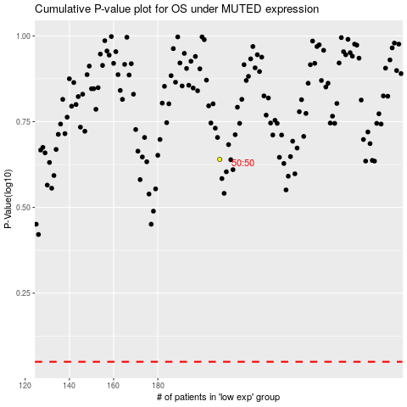

 |  |  |  |  |  | cases_OS | p_OS | rank | exp
 |  |  |  |  |  |  | cases_RFS | p_RFS | rank | exp

