MVK _multivariate
Reported by Tex Li-Hsing Chi. tex@gate.sinica.edu.tw 2019-08-17

Table 2. The clinicopathological features of HNSCC cohort and MVK expression. (Chi square test)
Cutoff at -0.127 (60.1%)
 |  | MVK expression |  | MVK expression |  | (Optimised)
 | Features | Low | (%) | High | (%) | Case no | P-value | Remark | Matthews
Gender | Female | 187 | 45.1 | 119 | 28.7 | 415 | 0.6221 | 0 | 0
2 | Male | 63 | 15.2 | 46 | 11.1
Age at diagnosis | <=65y | 162 | 39 | 112 | 27 | 415 | 0.5877 | 0 | 0
4 | >65y | 88 | 21.2 | 53 | 12.8
Clinical T Status | T1+T2 | 81 | 19.5 | 68 | 16.4 | 415 | 0.0842 | 0 | 0
6 | T3+T4 | 169 | 40.7 | 97 | 23.4
Clinical N Status | N0 | 126 | 30.4 | 90 | 21.7 | 415 | 0.4673 | 0 | 0
8 | N1-3 | 124 | 29.9 | 75 | 18.1
Clinical M Status | M0 | 248 | 59.8 | 164 | 39.5 | 415 | 1 | 0 | 0
10 | M1 | 2 | 0.5 | 1 | 0.2
Clinical Stage | Stage I+II | 55 | 13.3 | 47 | 11.3 | 415 | 0.166 | 0 | 0
12 | Stage III+IV | 195 | 47 | 118 | 28.4
Surgical Margin status | Negative | 194 | 46.7 | 124 | 29.9 | 415 | 0.6356 | 0 | 0
14 | Positive | 56 | 13.5 | 41 | 9.9
Tobacco Exposure | Low | 85 | 20.5 | 76 | 18.3 | 415 | 0.0178 | 1 | 0
16 | High | 165 | 39.8 | 89 | 21.4

Table 3. Univariate/Multivariate Cox's proportional hazards regression analyses on OS time of MVK gene expression in HNSCC

 |  | Univariate |  |  |  | Multivariate
 | Features | HR | CI95%(L) | CI95%(H) | P-value | HR | CI95%(L) | CI95%(H) | P-value
1 | Female | 1 |  |  |  | 1
Gender | Male | 1.157 | 0.843 | 1.587 | 0.367 | 1.236 | 0.883 | 1.731 | 0.217
11 | <=65y | 1 |  |  |  | 1
Age at diagnosis | >65y | 1.329 | 0.99 | 1.784 | 0.058 | 1.39 | 1.022 | 1.891 | 0.036
12 | T1+T2 | 1 |  |  |  | 1
Clinical T Status | T3+T4 | 1.409 | 1.028 | 1.931 | 0.033 | 2.186 | 1.156 | 4.131 | 0.016
13 | N0 | 1 |  |  |  | 1
Clinical N Status | N1-3 | 1.185 | 0.89 | 1.577 | 0.246 | 1.257 | 0.88 | 1.794 | 0.208
14 | M0 | 1 |  |  |  | 1
Clinical M Status | M1 | 4.097 | 1.009 | 16.644 | 0.049 | 9.414 | 2.053 | 43.165 | 0.004
15 | Stage I+II | 1 |  |  |  | 1
Clinical Stage | Stage III+IV | 1.245 | 0.882 | 1.759 | 0.213 | 0.493 | 0.229 | 1.061 | 0.07
16 | Negative | 1 |  |  |  | 1
Surgical Margin status | Positive | 1.591 | 1.155 | 2.191 | 0.004 | 1.718 | 1.242 | 2.377 | 0.001
17 | Low | 1 |  |  |  | 1
Tobacco Exposure | High | 1.364 | 1.008 | 1.844 | 0.044 | 1.44 | 1.043 | 1.986 | 0.027
18 | Low | 1 |  |  |  | 1
RNAseq(z-score) | High | 0.741 | 0.549 | 1.001 | 0.051 | 0.73 | 0.538 | 0.992 | 0.044

Table 4. Univariate/Multivariate Cox's proportional hazards regression analyses on RFS time of MVK gene expression in HNSCC

 |  | Univariate |  |  |  | Multivariate
 | Features | HR | CI95%(L) | CI95%(H) | P-value | HR | CI95%(L) | CI95%(H) | P-value
1 | Female | 1 |  |  |  | 1
Gender | Male | 1.157 | 0.843 | 1.587 | 0.367 | 1.236 | 0.883 | 1.731 | 0.217
11 | <=65y | 1 |  |  |  | 1
Age at diagnosis | >65y | 1.329 | 0.99 | 1.784 | 0.058 | 1.39 | 1.022 | 1.891 | 0.036
12 | T1+T2 | 1 |  |  |  | 1
Clinical T Status | T3+T4 | 1.409 | 1.028 | 1.931 | 0.033 | 2.186 | 1.156 | 4.131 | 0.016
13 | N0 | 1 |  |  |  | 1
Clinical N Status | N1-3 | 1.185 | 0.89 | 1.577 | 0.246 | 1.257 | 0.88 | 1.794 | 0.208
14 | M0 | 1 |  |  |  | 1
Clinical M Status | M1 | 4.097 | 1.009 | 16.644 | 0.049 | 9.414 | 2.053 | 43.165 | 0.004
15 | Stage I+II | 1 |  |  |  | 1
Clinical Stage | Stage III+IV | 1.245 | 0.882 | 1.759 | 0.213 | 0.493 | 0.229 | 1.061 | 0.07
16 | Negative | 1 |  |  |  | 1
Surgical Margin status | Positive | 1.591 | 1.155 | 2.191 | 0.004 | 1.718 | 1.242 | 2.377 | 0.001
17 | Low | 1 |  |  |  | 1
Tobacco Exposure | High | 1.364 | 1.008 | 1.844 | 0.044 | 1.44 | 1.043 | 1.986 | 0.027
18 | Low | 1 |  |  |  | 1
RNAseq(z-score) | High | 0.741 | 0.549 | 1.001 | 0.051 | 0.73 | 0.538 | 0.992 | 0.044

Kaplan-Meier survival estimate: Cutoff at -0.127 (60.1%)



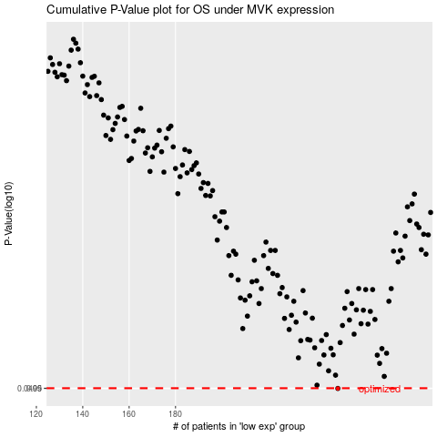

 |  |  |  |  |  | cases_OS | p_OS | rank | exp
 |  |  |  |  |  | 250 | 0.0499 | 183 | -0.12748287399
 |  |  |  |  |  |  | cases_RFS | p_RFS | rank | exp
 |  |  |  |  |  |  | 249 | 0.0499 | 226 | -0.13346526932

